Electricity
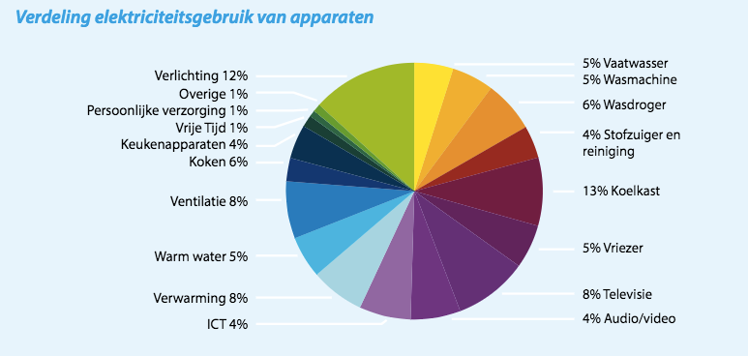
 | Final electricity demand | 36637.18 |  | IEA energy balance NL 2015
 | Fnal electricity demand space heating, hot water, cooling and cooking | 15,934.56
 | Final electricity demand appliances + lighting | 20,702.62

 | Total households in DK | 2,775,000 |  | # | number of residences in Denmark | Area analysis DK

 |  | shares of total | units in 2015 | KWh/year | MJ/year/unit (or household) | TJ bottum up | TJ top down
 | Dishwasher | 5.11% | 1764000 | 257 | 925.2 | 1632.0528 | 1057.999772 | From: Energy statistics 2016, background Excel. Sheet households
 | Washing machine | 4.96% | 1945000 | 226 | 813.6 | 1582.452 | 1025.8453986 | From: Energy statistics 2016, background Excel. Sheet households
 | Dryer | 6.14% | 1186000 | 459 | 1652.4 | 1959.7464 | 1270.431474 | From: Energy statistics 2016, background Excel. Sheet households
 | Refrigeratror | 7.38% | 3646000 | 180 | 646.56 | 2357.35776 | 1528.1882869 | From: Energy statistics 2016, background Excel. Sheet households
 | Freezer | 4.68% | 1783000 | 233 | 838.8 | 1495.5804 | 969.52973714 | From: Energy statistics 2016, background Excel. Sheet households
 | TV | 13.91% | 4570000 | 270 | 972 | 4442.04 | 2879.6110684 | From: Energy statistics 2016, background Excel. Sheet households
 | vaccuum cleaner | 4.22% |  | 135 | 486 | 1348.65 | 874.28016575 | In the Netherlands the vaccuum cleaner is half the electricity demand of the TV
 | IT/media | 8.45% |  | 270 | 972 | 2697.3 | 1748.5603315 | In the Netherlands the IT/media cleaner has the same the electricity demand as the TV
 | Other | 8.45% |  | 270 | 972 | 2697.3 | 1748.5603315 | In the Netherlands the other category has the same electricity demand as the TV
 | lighting | 36.71% |  |  |  | 11723.04 | 7599.6154334

 | Total | 100% |  |  |  | 31935.51936 | 20702.621999

 |  |  |  |  |  |  |  |  | Energietrends 2016, page 9 (ECN, Energie-Nederland en Netbeheer Nederland)
 |  |  |  |  |  |  |  |  | https://refman.energytransitionmodel.com/publications/2068

 |  | Denmark |  |  | GWh | TJ |  | Source: Energinet, Analysis Assumptions 2017

 |  | Household heat pumps |  |  | 521.5677652 | 1877.6439547 |  | Source: Energinet, Analysis Assumptions 2017
 |  | Electric boilers |  |  | 203.2599675 | 731.735883 |  | Source: Energinet, Analysis Assumptions 2017
 |  |  |  |  |  | 2609.3798377

From: Energy statistics 2016, background Excel. Sheet households
 |  |  |  |  |  |  |  | http://www.odyssee-mure.eu/publications/national-reports/energy-efficiency-denmark.pdf
Stock of electrical appliances in households

[1000 units] | '15 | '16 |  | 1980-2016 | 1990-2016 | 2000-2016 | 2015-2016
TV sets | 4570 | 4414 |  | 128 | 101 | 33.6 | -3.4
Refrigerators | 3646 | 3580 |  | 59 | 22 | 2.4 | -1.8
Freezers | 1783 | 1765 |  | 32 | -7 | -16.7 | -1.0
Dishwashers | 1764 | 1804 |  | 415 | 262 | 89.3 | 2.3
Microwave ovens | 1772 | 1775 |  | N/A | 392 | 16.0 | 0.2
Washing machines | 1945 | 1947 |  | 78 | 49 | 30.5 | 0.1
Dryers | 1186 | 1180 |  | 556 | 173 | 35.0 | -0.5

[kWh/year] | '15
TV sets | 270
Refrigerators | 180
Freezers | 233
Dishwashers | 257
Washing machines | 226
Dryers | 459

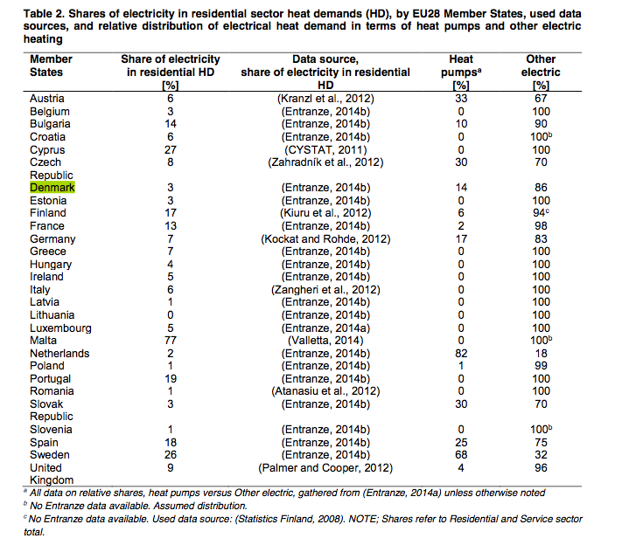
 |  | heat pumps |  | 14%

Cooking

Value | Unit | Description | Source
0 | % | share of gas | Based on space heating
100 | % | share of electricity | Based on space heating
0 | TJ | FD gas | From Odyssee via EC. See screenshots and: https://ec.europa.eu/energy/en/eu-buildings-database
4367.9373985 | TJ | FD electicty | From Odyssee via EC. See screenshots and: https://ec.europa.eu/energy/en/eu-buildings-database

1 | Mtoe | = | 41868 | TJ per Mtoe
0.09 | Mtoe | = | 4367.9373985 | TJ electricity for cooking

Technology | Share of total | Technology efficiency | Relative final demand | Share of final demand electricity | Final electricity demand for cooking (TJ) | Final demand electricity(TJ) | Final demand gas (TJ) | UD [TJ] | UD shares
Electric stoves (resistance) | 0.02 | 0.55 | 0.036363636364 | 0.097328244275 | 4,367.94 | 425.12 |  | 233.81802295 | 8%
Electric halogen stoves | 0.16 | 0.60 | 0.26666666667 | 0.71374045802 |  | 3117.57 |  | 1870.5441836 | 67%
Electric induction stoves | 0.06 | 0.85 | 0.070588235294 | 0.18893129771 |  | 825.24 |  | 701.45406886 | 25%
Gas stoves | 76 | 0.40 | 190.00 |  |  |  | 0.00 | 0 | 0%

Alternative calculation starting with gas use per household |  |  |  |  |  |  |  |  |  | Source: | Correctie elektriciteitsverbruik koken, tabel 1, page 4 (ECN, 2014)
Value | Unit | Description | Source |  |  |  |  |  |  | Hyperlink: | http://refman.et-model.com/publications/2028
65 | m3 | m3 gas for cooking /household | https://forum.nuon.nl/energie-besparen-42/inductie-koken-versus-gas-koken-1906
0.00003165 | TJ/m3 | energy content of gas | ETM
0.00205725 | TJ | gas/household
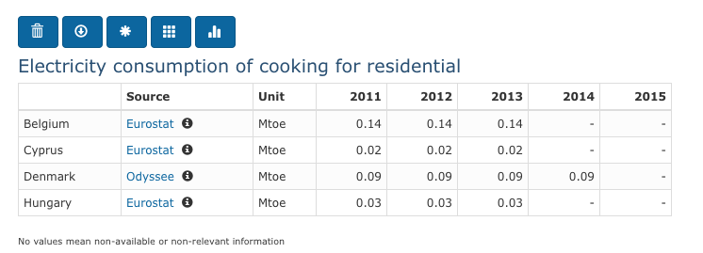
0.0008229 | TJ | demand for cooking/household
7,449,298 | # | number of households in the Netherlands | Area analysis
6130.0273242 | TJ | total UD for cooking
0.65833333333 | % | average efficiency electrical devices
2875.5587874 | TJ | UD with electricity
3254.4685368 | TJ | UD with gas
8136.1713421 |  | FD of gas
0.53090604083 | % | share of gas

 |  |  |  |  |  |  |  |  |  | https://ec.europa.eu/energy/en/eu-buildings-database

 |  |  |  |  |  |  |  |  |  | https://ec.europa.eu/energy/en/eu-buildings-database

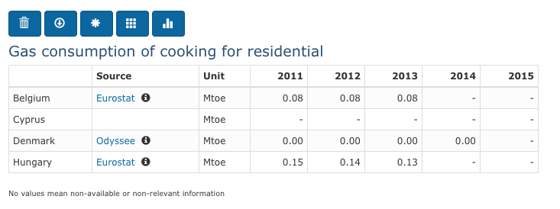

 |  |  |  |  |  |  |  |  |  | https://ec.europa.eu/energy/en/eu-buildings-database

Cooling
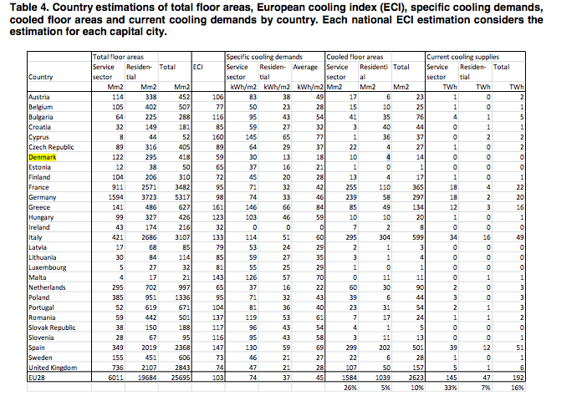
Source: | 2017_IEA_Energy_Policies_of_IEA_Countries_Denmark_2017_Review

Cold demand residences in 2009
187.2 | TJ

Cooled residential floor areas | 4000000 | m2
 | 13 | KWh/m2
 | 52000000 | KWh/m2
 | 187200000000 | KJ
 | 187.2 | TJ

Application split
Info

Denmark total final energy split by application |  |  |  | Source: |  |  | Dutch energy split (PJ)
 |  | Tapwater vs space heating | tapwater vs space heatig vs cooking |  |  | hot water | 51.6 | 13%
Hot water | 23.4 | 16.71% | 16.69% | JRC: https://setis.ec.europa.eu/sites/default/files/reports/Heat-and-cooling-demand-and-market-perspective.pdf |  | Space heating | 262.0 | 67%
Space heating | 116.6 | 83.29% | 83.17% | JRC: https://setis.ec.europa.eu/sites/default/files/reports/Heat-and-cooling-demand-and-market-perspective.pdf |  | Cooking | 20.2 | 5%
Cooling | 0.1872 |  | 0.13% |  |  | Lighting | 9.8 | 2%
 |  |  |  |  |  | Electrical appliances | 49.8 | 13%

 |  |  |  |  |  | The Netherlands
 |  |  |  |  |  |  |  | Tapwater vs space heating | Differences DK/NL
 |  |  |  |  |  | Hot water | 55.6 | 16.81% | -0.7%
 |  |  |  |  |  | Space heating | 275.2 | 83.19% | 0.0%

 | Carriers split accros applications
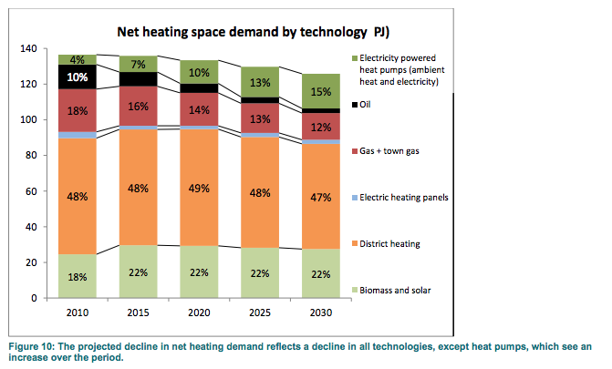
 |  |  | Gas | electricity* | biomass solar | District heating | oil | total
 |  | hot water | 16% | 8% | 22% | 48% | 6% | 100% | From source
 |  | Space heating | 16% | 8% | 22% | 48% | 6% | 100% | From source
 |  | Cooking | 75% | 25% |  |  |  | 100% | Dutch mix
 |  | Lighting |  | 100% |  |  |  | 100%
 |  | Electrical appliances |  | 100% |  |  |  | 100%
 |  | *)Electricity is calculated bottom up, see electricity sheet. Electric heating for space heating panels and electric heaters for hot water. And we have corrected fot the ambient heat of heat pumps.

 |  |  | Gas | electricity* | biomass solar | District heating | oil | total
 |  | hot water | 4114 |  |  | 14019 | 1673 | 19806 | TJ | From source
 |  | Space heating | 20500 |  |  | 53378 | 8335 | 82213 | TJ | From source | 65.76
 |  | Cooking | 0 | 4368 |  |  |  | 4368 | TJ | Dutch mix
 |  | Lighting | 0 | 3714 |  |  |  | 3714 | TJ
 |  | Electrical appliances | 0 |  |  |  |  | 0 | TJ
 |  | Total | 24614 | 8082 | 0 | 67397 | 10008 | 110101 | TJ

 |  |  |  |  |  |  |  |  |  |  |  | Danish Energy Agency; denmarks_energy_and_climate_outlook_2017
 | Gas split

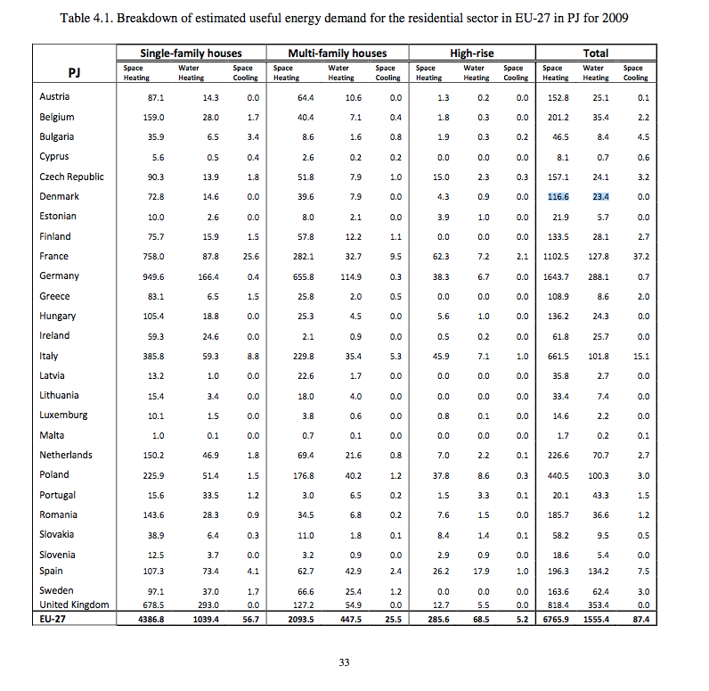
 |  | Total network gas | 24614.4 | TJ
 |  | Cooking | 0 | TJ | -
 |  | Network ga for space heating and hot water | 24614 | TJ

 | Tapwater vs space heating
 | Hot water | 23.4 | 23
 | Space heating | 116.6 | 117
 | Cooling | 0 | 0

 |  | Hot water | 4114 | TJ
 |  | Space heating | 20500 | TJ

 |  |  |  |  |  |  |  |  |  |  |  | 2012_JRC_Heat and cooling demand and market perspective

