ICT
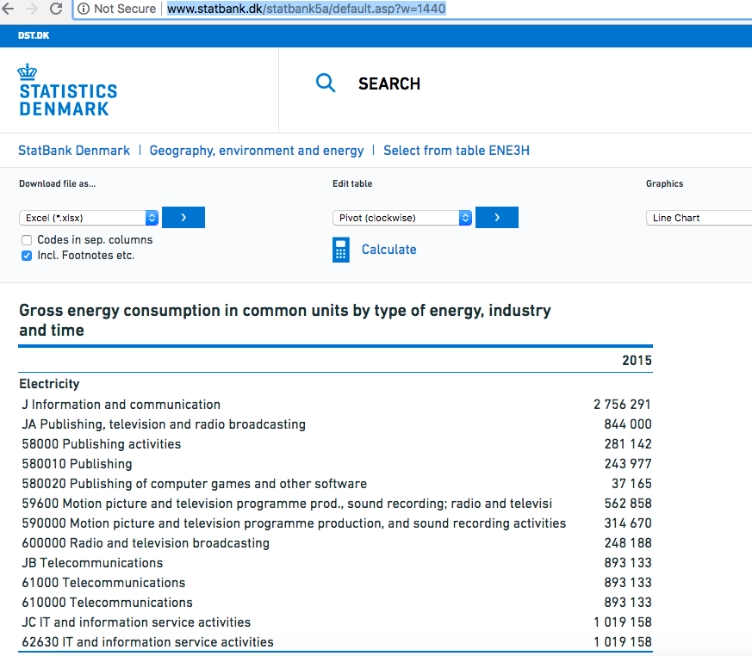

Final electricity demand used for central ICT | TJ | 2,756

 |  |  |  | Remark
CHECK
IT and information services |  | 1019158 | GJ | Startbank reports quite some double results, the expert guess is made that J information and commuications is the sum of Telecommunication, radio, and IT and information service activities.
Telecommmuication |  | 893133 | GJ
JA publishing television and radio braodcasting |  | 844000 | GJ
Sum |  | 2756291 | GJ

J information and communiction |  | 2756291 | GJ
difference |  | 0

 |  |  |  |  | Source: http://www.statbank.dk/statbank5a/default.asp?w=1440

