Calculations and sources
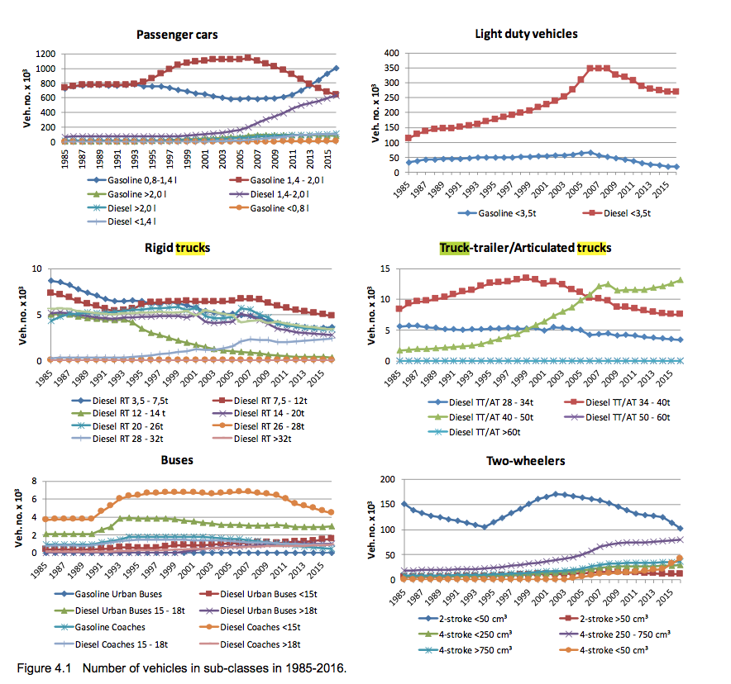
 |  |  |  |  |  |  | AARHUS UNIVERSITY - DANISH EMISSION INVENTORIES FOR ROAD TRANSPORT AND OTHER MOBILE SOURCESM 2016

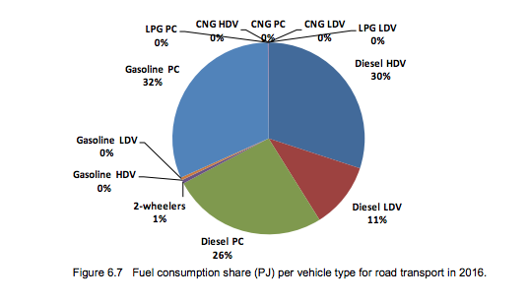

Gasonline split |  |  | Final split
Private cars | 32% | 96.97% | 96.97%
LDV, HDV + 2-wheelers | 1% | 3.03%
Subsplit between busses+trucks and motorcycles
LDV+HDV | 45% | 1.36%
2-wheelers | 55% | 1.67% | 1.67%
split between trucks and busses
Trucks | 95% | 1.30% | 1.30%
Busses | 5% | 0.06% | 0.06%
 |  |  | 100.00%

Diesel split
Private cars | 26% | 39% | 39%
HDV + LDV | 41% | 61%
subsplit busses en trucks based on M vehicle kilometers
Trucks | 93% | 57% | 57%
Busses | 7% | 5% | 5%
 |  |  | 100%
Electricity split | No electricity use in transports.

 |  |  |  |  |  |  |  |  |  | length
 |  |  |  |  |  |  |  | blue line |  | 7.99
 |  |  |  |  |  |  |  | Gasoline LDV + HDV (trucks + busses) |  | 3.59 | 45%
 |  |  |  |  |  |  |  | 2-wheelers (Motorcycles) |  | 4.4 | 55%

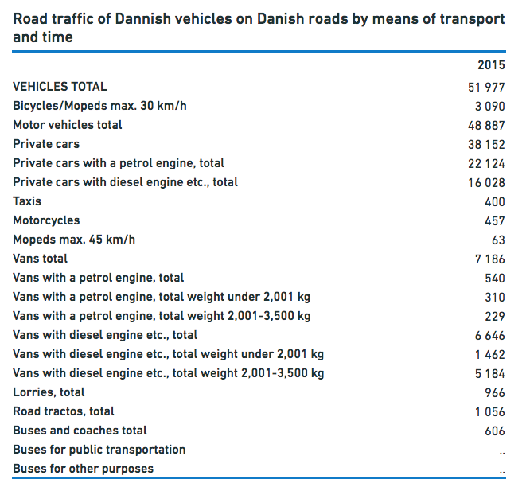

 |  |  |  |  |  |  |  |  |  |  |  |  |  |  | Gasoline trucks (include light duty vehicles) | 20000 | 0.95238095238
 |  |  |  |  |  |  |  |  |  |  |  |  |  |  | Gasoline busses | 1000 | 0.047619047619

Split electricty passenger and goods railway
 |  | From: https://www.statbank.dk/ENE3H
 |  | Gross energy consumption in common units by type of energy, time and industry |  |  |  |  |  | Diesel trucks | 7612 | 93%
 |  | Units: GJ (gigajoule) |  |  | Final shares |  |  | Diesel Busses | 606 | 7%
 |  |  |  | 490010 Passenger rail transport, interurban | 490030 Freight transport by road and via pipeline | SUM
 |  | Electricity | 2015 | 1365696 | 419954 | 1785650 |  | From: https://www.statbank.dk/BANE25
 |  |  |  | 76% | 24% | 100% |  | Rail transport of passengers by unit, type of transport and time
 |  |  | M passenger kilometers |  |  |  |  | Units: -
subsplit passenger transport |  | lightrail + metro + tram | 75.25 | 4% | 3% |  |  |  |  | 2015Q1 | 2015Q2 | 2015Q3 | 2015Q4
 |  | total railway | 1702 | 96% | 73% |  |  | Million passenger kilometres | RAILWAY NETWORK, TOTAL | 1655 | 1691 | 1677 | 1785 | 1702
 |  |  |  |  | 100% |  |  |  | NETWORK MANAGED BY BANESTYRELSEN | 1528 | 1559 | 1546 | 1649 | 1570.5
 |  |  |  |  |  |  |  |  | S-trains | 326 | 337 | 324 | 357 | 336
 |  |  |  |  |  |  |  |  | National network, total | 1122 | 1124 | 1100 | 1184 | 1132.5
Split diesel passengers and goods rail transport |  |  |  |  |  |  |  |  | East of Great Belt | 363 | 382 | 383 | 397 | 381.25
 |  |  |  |  |  |  |  |  | West of Great Belt | 297 | 291 | 284 | 312 | 296
Gross energy consumption in common units by type of energy, time and industry |  |  |  |  |  |  |  |  | Across Great Belt | 462 | 450 | 434 | 475 | 455.25
Units: GJ (gigajoule) |  |  |  |  |  |  |  |  | International traffic, total | 80 | 99 | 122 | 108 | 102.25
 |  | 490010 Passenger rail transport, interurban | 490030 Freight transport by road and via pipeline |  |  |  |  |  | Øresund trains | 0 | 0 | 0 | 0 | 0
Diesel oil | 2015 | 21346 | 18613308 | 18634654 |  |  |  |  | Other international trains | 0 | 0 | 0 | 0 | 0
 |  | 0.1% | 99.9% |  |  |  |  |  | COPENHAGEN METRO | 75 | 75 | 70 | 81 | 75.25
 |  |  |  |  |  |  |  |  | OTHER RAILWAY NETWORKS | 52 | 57 | 61 | 55 | 56.25
 |  |  |  |  |  |  |  |  | LIGHT RAIL | 0 | 0 | 0 | 0 | 0

 |  |  |  |  |  |  |  | The Metro opened 19 October 2002. The Light rail opened 21 December 2017. Transit passengers through Denmark are included under international traffic. Because of roundings the presented totals may deviate from the sum of corresponding data.

