Calculations
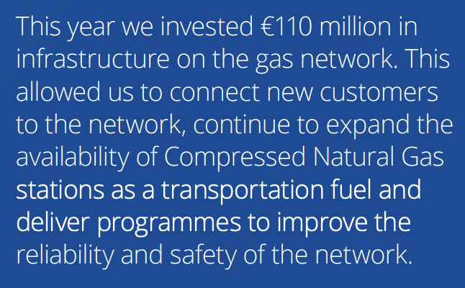
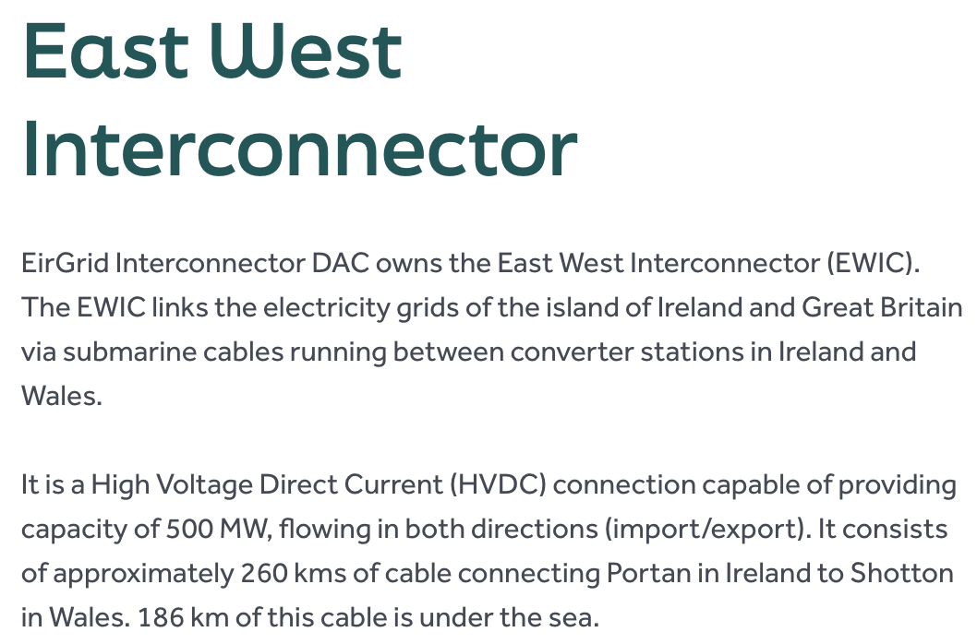
Interconnector capacity
There are 2 interconnectors: EWIC (between Ireland and Wales) and North-South interconnector (between Ireland and Northern Ireland).

 | Value | Unit | Source | Comment
EWIC capacity | 500 | MW | https://www.eirgrid.ie/industry/interconnection | See screenshot on the right
North-South capacity | 300 | MW | https://cms.soni.ltd.uk/sites/default/files/publications/SONI-AIRAA-Main-Report_2026-2035.pdf | See screenshot on the right
Total interconnector capacity | 800 | MW

Total gas infrastructure costs
 | Value | Unit | Source | Comment
Total gas infrastructure costs | 1.10E+08 | euros | https://www.gasnetworks.ie/sites/default/files/docs/corporate/freedom-of-information/Annual-Report-and-Financial-Statements-2019.pdf | See screenshot on the right

