Notes
Source | Parameter | Value | Unit |  | Downloaded from

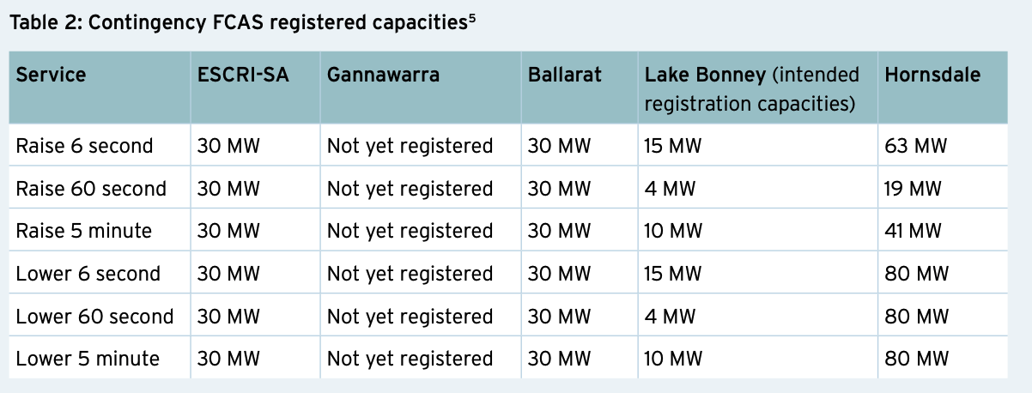
Aurecon | Electrical input capacity | 80 | MW |  | https://arena.gov.au/assets/2019/11/large-scale-battery-storage-knowledge-sharing-report.pdf

 |  |  |  | HPR: Hornsdale Power Reserve

