Notes
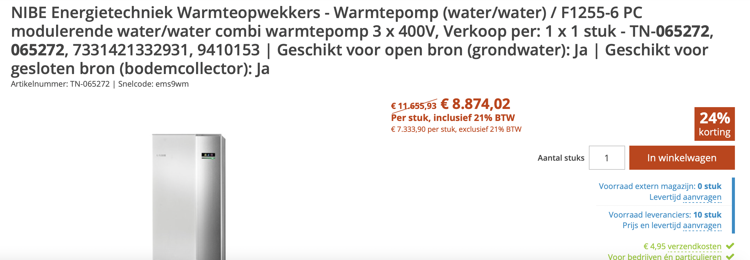
Source | Notes
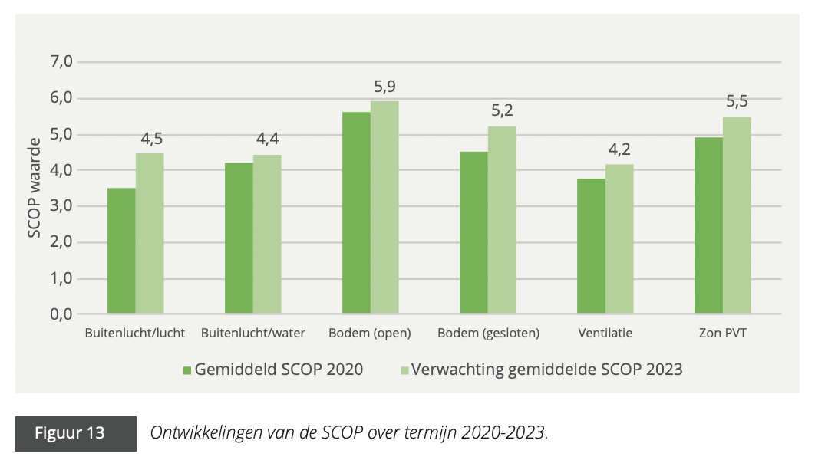

DNEResearch - Nationaal warmtepomp trendrapport

 | SCOP space heating | 4.9
 | input.ambient_heat | 0.79591836735
 | input.electricity | 0.20408163265

Expert estimation Holland Solar

 | Kosten |  | Buffervat
 | Investeringskosten | euro | 1283
 | Installatiekosten | euro | 763
 | Vaste jaarlijkse O&M kosten | euro/jaar | nvt
 | Variable O&M kosten per vollastuur | euro/FLH | nvt

 | Overig
 | Bouwtijd | uren | nvt
 | Technische levensduur | jaar | 18
 | Volume | liter | 233
 | Land use | cm2 | 3300

 | Technisch |  | Warmtepomp
 | (S)COP |  | 4.9

 | Installation costs | 763 | euro
 | Construction time | 0 | years
 | Lifetime | 18 | years
 | Land use | 3300 | cm2
 | land_use_per_unit | 0.00000033 | km2
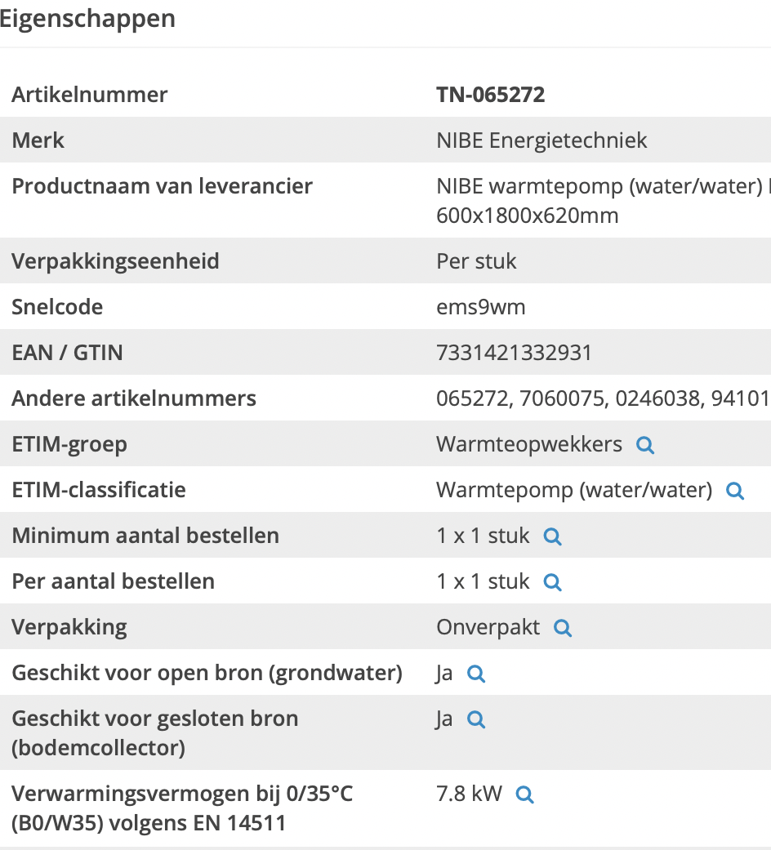
Techniekwebshop

 | investment cost | 11656 | euro

 | Heat capacity | 7.8 | kW
 | heat_output_capacity | 0.0078 | MW

