Notes
Source | Notes

Expert estimation Holland Solar

 | SCOP hot water | 3.3
 | input.ambient_heat | 0.69696969697
 | input.electricity | 0.30303030303

 | Kosten |  | Buffervat
 | Investeringskosten | euro | 1283
 | Installatiekosten | euro | 763
 | Vaste jaarlijkse O&M kosten | euro/jaar | nvt
 | Variable O&M kosten per vollastuur | euro/FLH | nvt

 | Overig
 | Bouwtijd | uren | nvt
 | Technische levensduur | jaar | 18
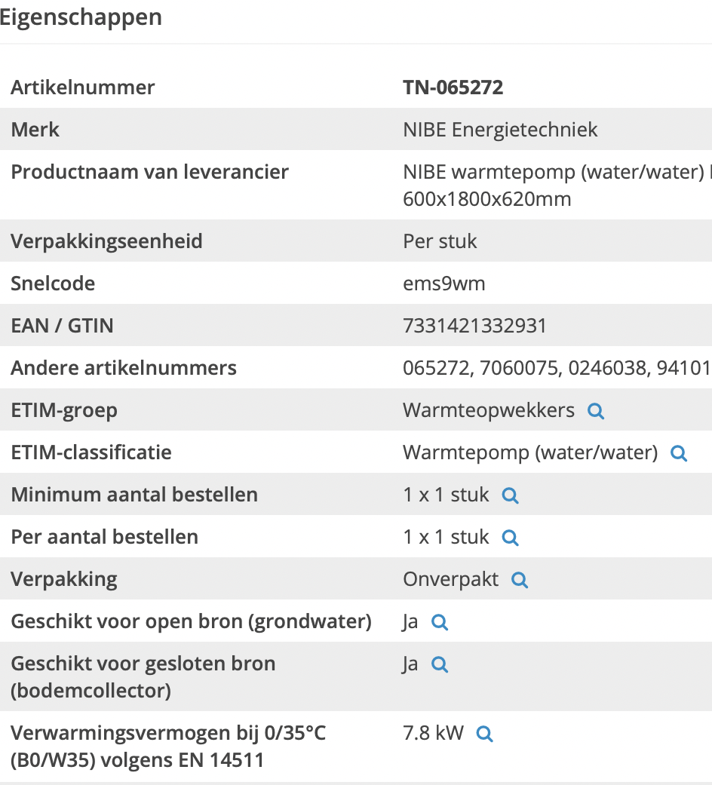
 | Volume | liter | 233
 | Land use | cm2 | 3300

 | Technisch |  | Warmtepomp
 | (S)COP |  | 4.9

 | No costs to avoid double counting with equivalent space heater node
 | Installation costs | 0 | euro
 | Construction time | 0 | years
 | Lifetime | 18 | years
 | Land use | 3300 | cm2
 | land_use_per_unit | 0.00000033 | km2

Techniekwebshop

 | Heat capacity | 7.8 | kW
 | heat_output_capacity | 0.0078 | MW

#REF! | storage.volume | 0.005 | MWh

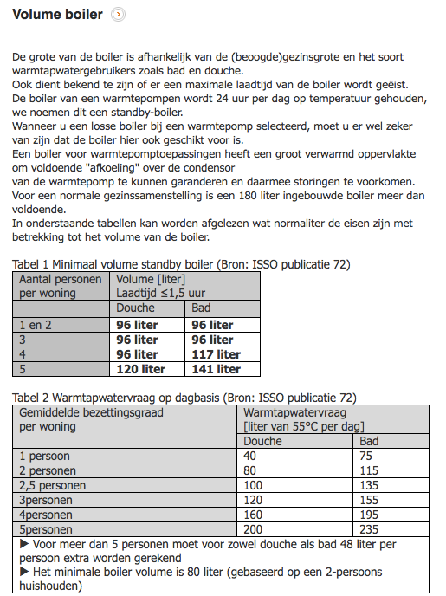

 |  |  | http://www.warmtepompforum.nl/Volumeboiler.php
 | minimal boiler volume with shower | 80 | liter
 | minimal boiler volume with bath | 115 | liter
 | average volume boiler | 100 | liter

 | heat capacity water | 4.18 | kJ/oC/l
 | T in | 10 | oC
 | T vessel | 50 | oC
 | Volume vessel | 100 | liter
 | Capacity vessel | 16720.0 | kJ
 | storage.volume | 4.6444444444 | kWh

DHPA

 | initial_investment | 12746 | euro
 | cost_of_installing | 1500 | euro
 | fixed_operation_and_maintenance_costs_per_year | 100 | euro/year

 | Initial investment (including boiler) | 13000 | euro
 | Costs for boiler | 253.6 | euro

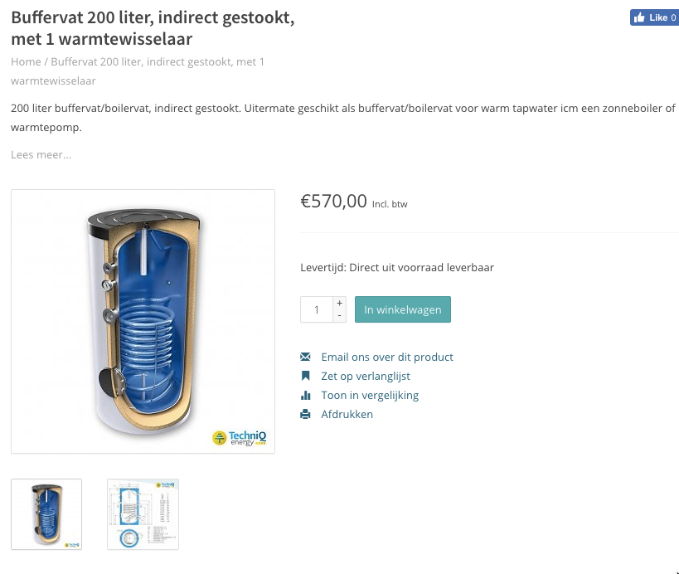
Zonneboiler-zelfbouw.nl | storage.cost_per_mwh | 50713.749 | euro/MWh
 | Storage volume | 200 | liter
 | Costs (incl VAT) | 570 | euro
 | Costs (excl VAT) | 471 | euro
 | costs per liter | 2.4 | euro/liter
 | costs per MWh | 21531 | liter/MWh
 | costs per heat pump | 254 | euro / hhp

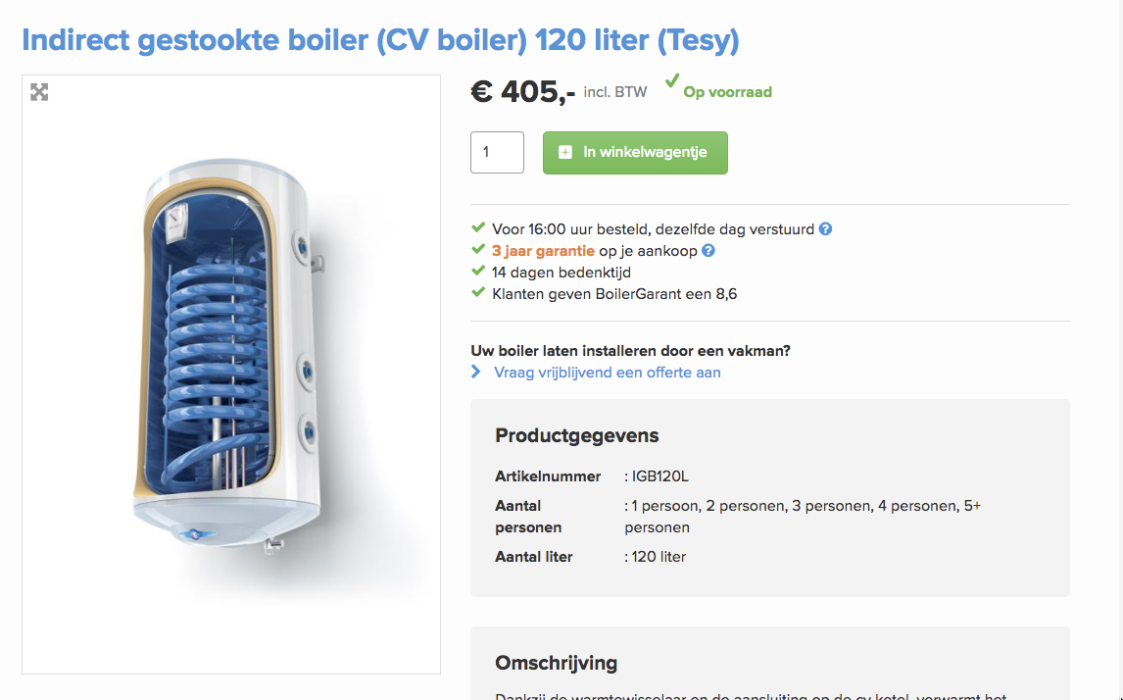
Boiler Garant | storage.cost_per_mwh | 60055.755 | euro/MWh
 | Storage volume | 120 | liter
 | Costs (incl VAT) | 405 | euro
 | Costs (excl VAT) | 335 | euro
 | costs per liter | 2.8 | euro/liter
 | costs per MWh | 21531 | liter/MWh
 | costs per heat pump | 300 | euro / hhp

