Notes
Source | Page | Notes

This electric heater is based on the Elpanneteknik ETSH50Mi-45, a 50 MW electric heater capable of delivering heat up to a temperature of 259 degrees Celsius.

Quintel
 |  | 2190 | hrs | FLH, set equal to that
 |  |  |  | of other heaters

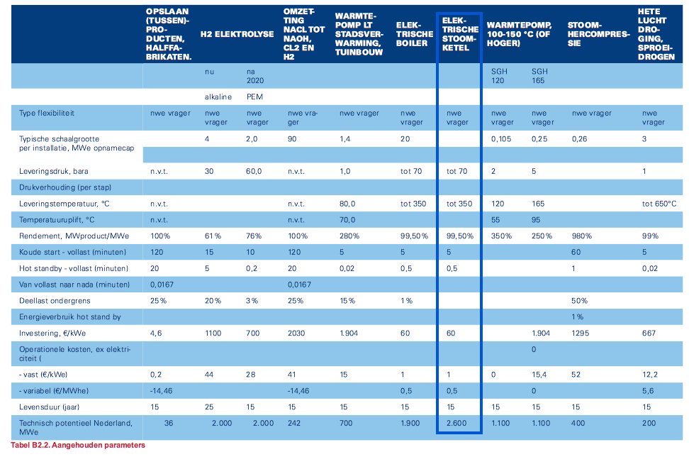
Berenschot | 89

 |  | 50 | MW | heat_output_capacity

 |  | 0.995 |  | output.useable_heat

 |  | 60 | euro/kWe
 |  | 3000000 | euro | initial_investment

 |  | 1 | euro/kWe
 |  | 50000 | euro | fixed o&m
 |  | 0.5 | euro/MWhe
 |  | 54750 | euro | variable o&m
 |  | 25 | euro/flh | variable o&m
 |  | 15 | yrs | technical_lifetime

Elpanneteknik
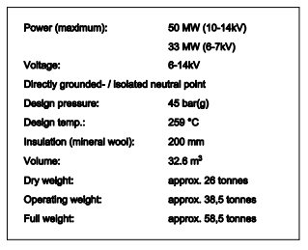

 |  | 50 | MW | heat_output_capacity

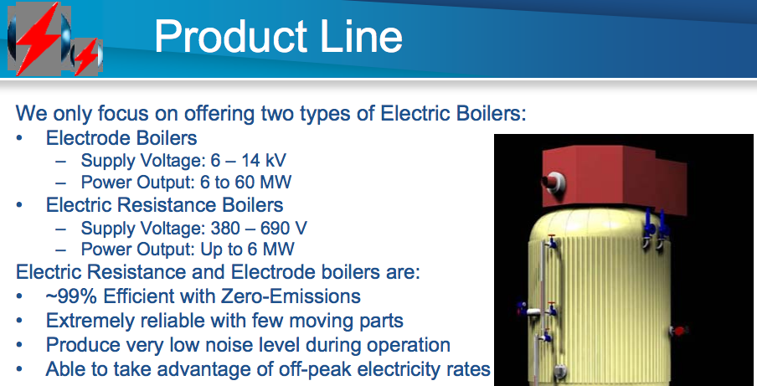

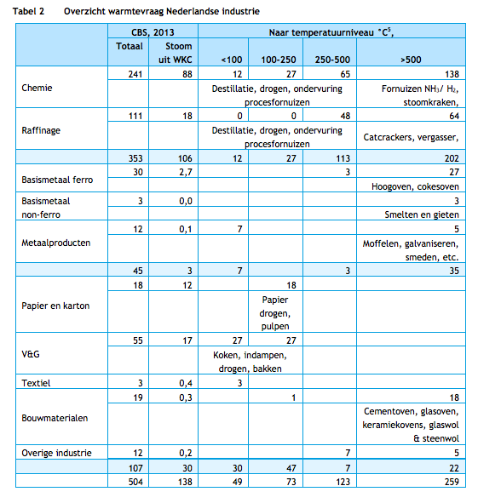
CE Delft | 14

 |  | Able to meet all heat demand
 |  | of the food industry
 |  | based on the temperature split

Quintel

 |  | 50 | MW | output capacity
 |  | 1 | h | storage volume in time | Storage volume of 1 hour represents instantaneous use of P2H
 |  | 50 | MWh | storage.volume

