Notes
Source | Notes

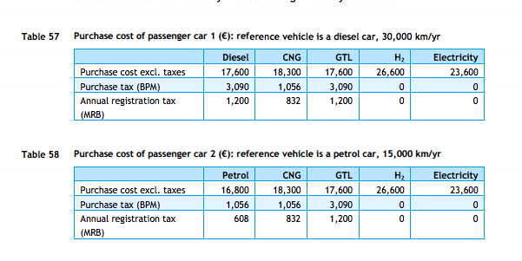
cedelft-ecn-tno
p.84

 | 18300 | euro

p.64
 | 2.2 | MJ/km
 | 0.45454545455 | km/MJ

rff
p.12

 | 15 | yr

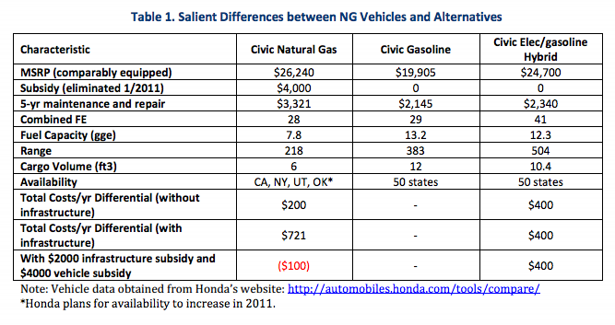

p.6

 | 3321 | $/5 -yr
 | 2412 | euro/5-yr

cedelft-ecn-tno2
p.183
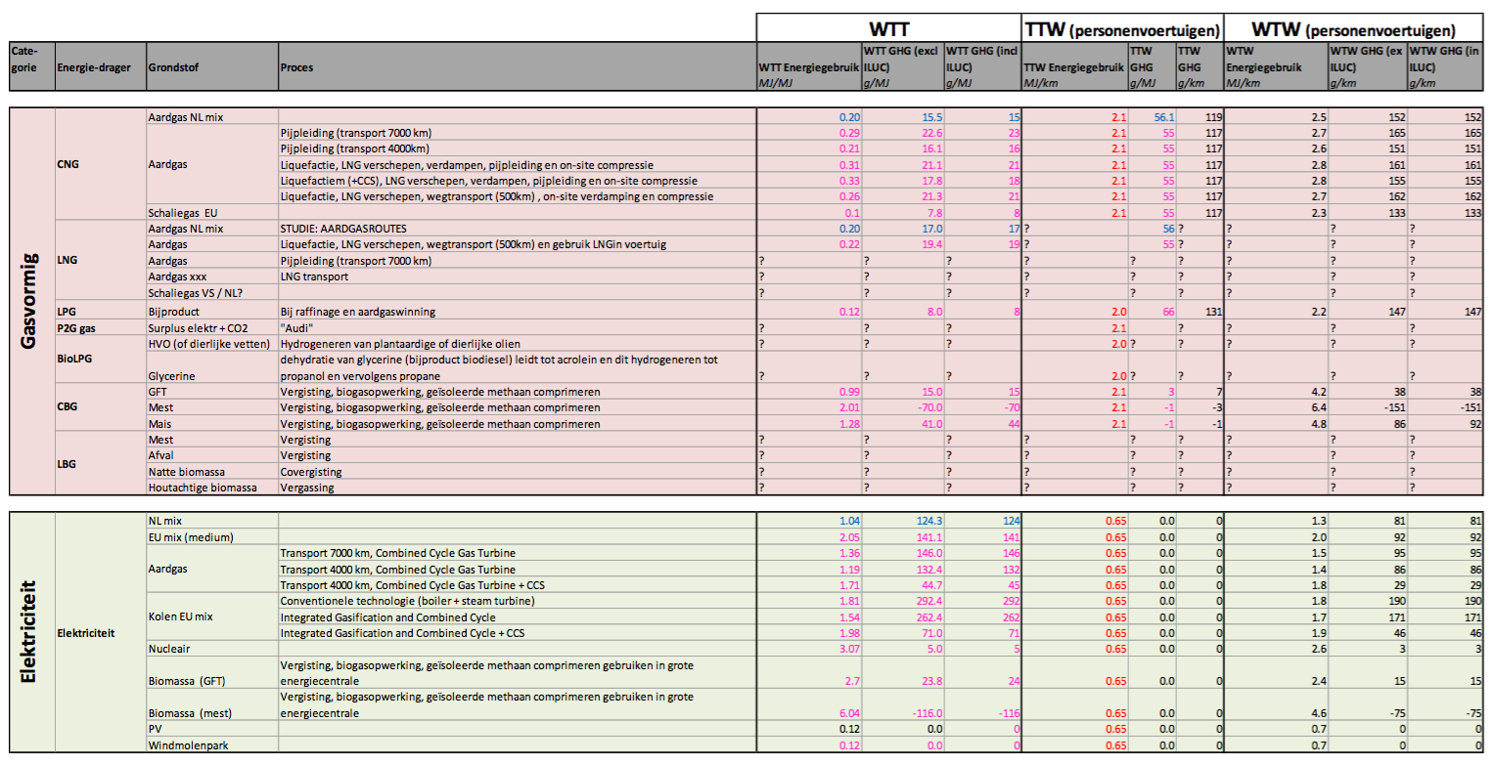

 | 2.1 | MJ/km
 | 0.47619047619 | km/MJ
output.passenger_kms | 0.6321178681

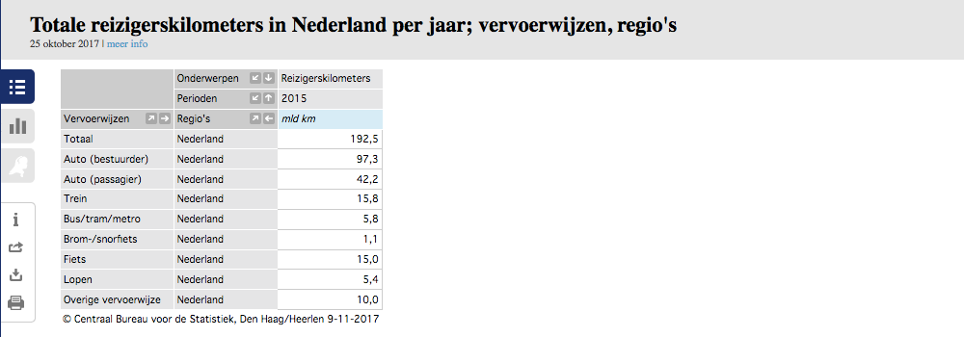
CBS | vehicle km | 105088.9 | mln vehicle km
 |  | 105088900000 | vehicle km
 | passenger km | 139.5 | mld passenger km
 |  | 139500000000 | passenger km

 |  | 1.327 | passenger km/vehicle km

 | output.passenger_kms | 0.60338523773

