Notes
Sourcse |  | Notes

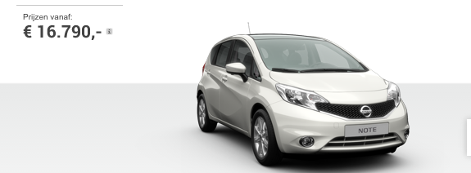
Nissan

 |  | 16790 | euro

Volvo

 |  | 19599.17 | euro

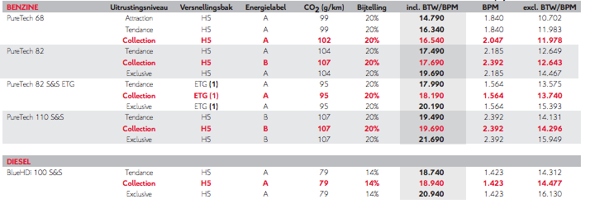
Citroen

 |  | 16540 | euro

Wgeningen UR
p.34

 |  | 444 | euro/yr

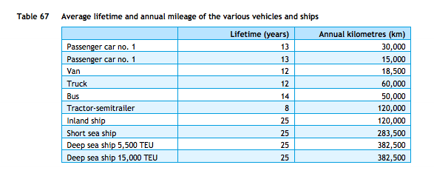
cedelft-ecn-tno
p.87

 |  | 13 | yr

p.64

 |  | 2.2 | MJ/vehicle km
 |  | 0.45454545455 | vehicle km/MJ

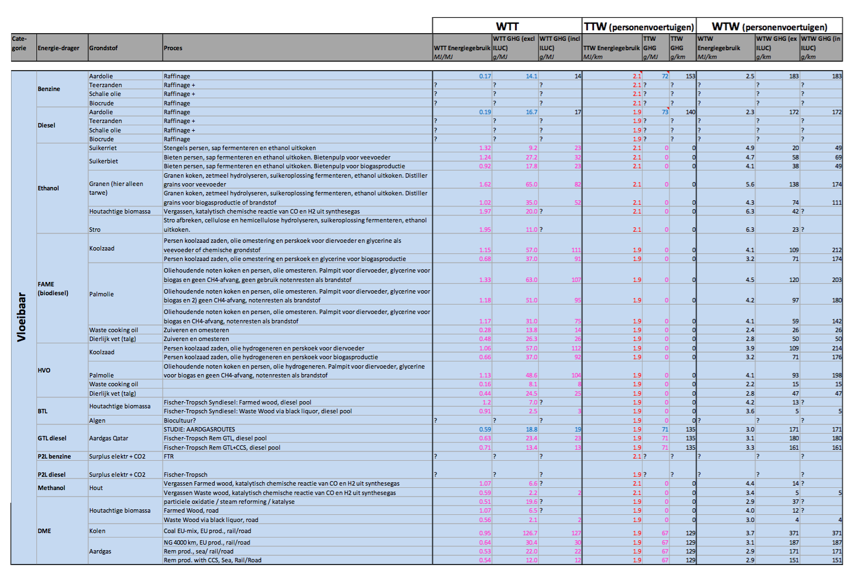

cedelft-ecn-tno2
p.182

 |  | 2.1 | MJ/km
 |  | 0.47619047619 | km/MJ

 | output.passenger_kms | 0.6321178681 | passenger km/MJ

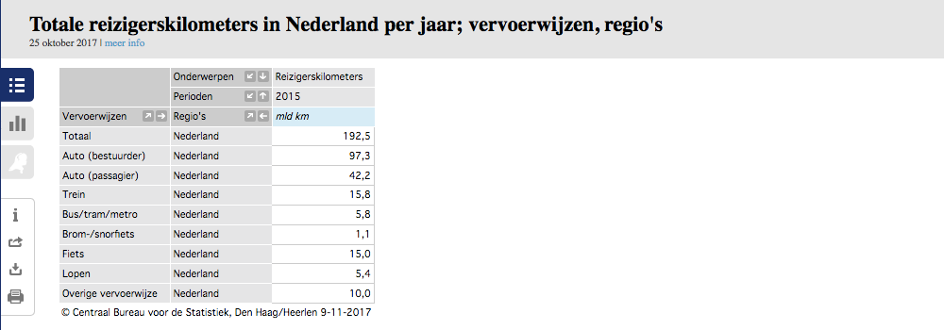
CBS | vehicle km | 105088.9 | mln vehicle km
 |  | 105088900000 | vehicle km
 | passenger km | 139.5 | mld passenger km
 |  | 139500000000 | passenger km

 |  | 1.327 | passenger km/vehicle km

 | output.passenger_kms | 0.60338523773 | passenger km/MJ

