Notes
Sources | Page | Notes

IPCC_2006_Guidelines for National Greenhouse Gas Inventories - Vol 2 Energy - Ch 1 Introduction.pdf

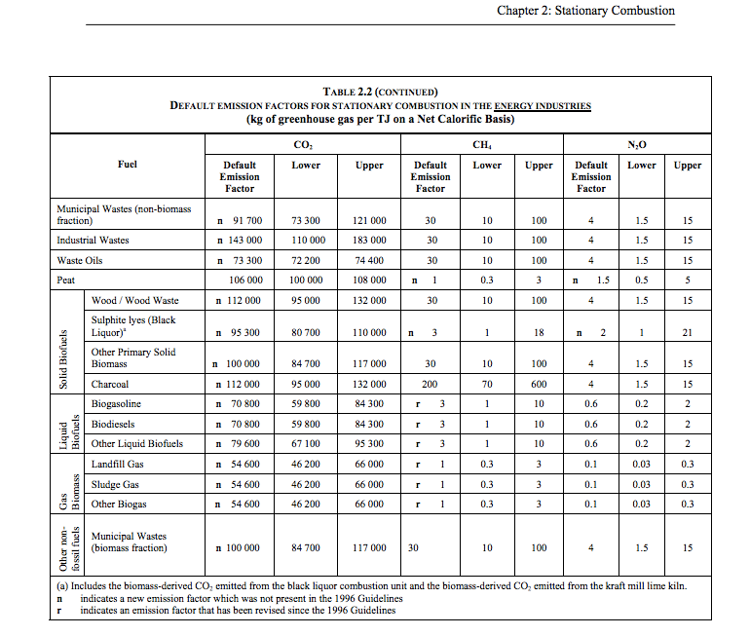

 | 1.24 |  | 100000 | kg CO2/TJ | municipal wastes (biomass fraction)
 |  |  | 1000000 | TJ/MJ
 |  |  | 0.1 | kg CO2/TJ

