Notes
Sources | Page |  | Notes

EU JRC_201111_Well-to-wheel analysis of future automotive fuels and powertrains in the European context (version 3c) WTT Appendix 1
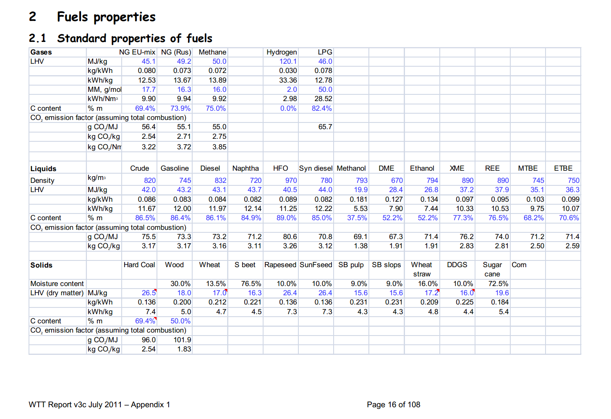

 | 16 | Hard coal |  | kg/m3 | Density
 |  |  | 26.5 | MJ/KG | LHV
 |  |  |  | kg/dm3 | transform to kg/Liter
 |  |  |  | MJ/L | LHV
 |  |  | 0.096 | kg CO2/MJ | Co2 emission factor

Sources | Page |  | Notes

CE_Delft_201109_Toelichting_ketenkentallen_incl_biodiesel_bio-ethanol_(LCA).pdf

 | 3

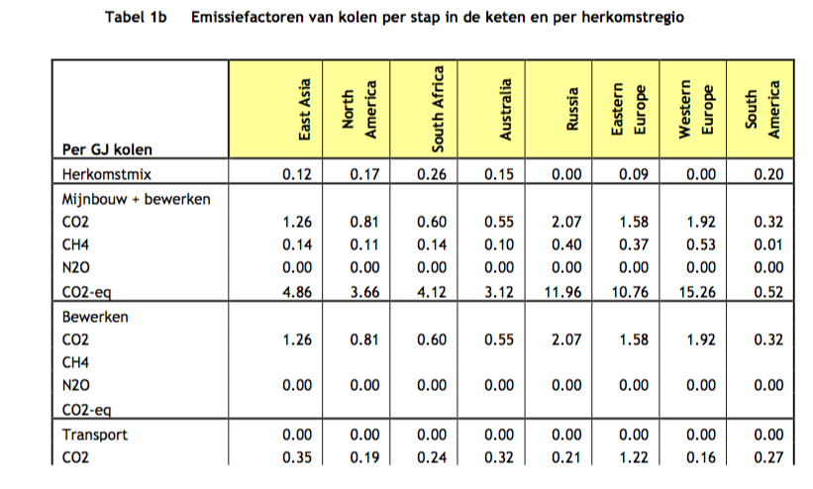

 |  | Coal
 |  | from australia
 |  | co2_exploration_per_mj |  |  | 0.00000000 | kg CO2 eq/GJ | not relevant
 |  | co2_extraction_per_mj |  |  | 0.00312408 | kg CO2 eq/GJ
 |  | co2_treatment_per_mj |  |  | 0.00054969 | kg CO2 eq/GJ
 |  | co2_transportation_per_mj |  |  | 0.00033996 | kg CO2 eq/GJ
 |  | co2_conversion_per_mj |  |  | 0.08816300 | kg CO2 eq/GJ
 |  | co2_waste_treatment_per_mj |  |  | 0.00000000 | kg CO2 eq/GJ | not relevant
 |  | start_value |  |  | 0.153 | -

 |  | from east_asia |  |  |  |  | not relevant
 |  | co2_exploration_per_mj |  |  | 0.00000000 | kg CO2 eq/GJ
 |  | co2_extraction_per_mj |  |  | 0.00485538 | kg CO2 eq/GJ
 |  | co2_treatment_per_mj |  |  | 0.00126224 | kg CO2 eq/GJ
 |  | co2_transportation_per_mj |  |  | 0.00037335 | kg CO2 eq/GJ
 |  | co2_conversion_per_mj |  |  | 0.09832930 | kg CO2 eq/GJ | not relevant
 |  | co2_waste_treatment_per_mj |  |  | 0.00000000 | kg CO2 eq/GJ
 |  | start_value |  |  | 0.124 | -

 |  | from eastern_europe
 |  | co2_exploration_per_mj |  |  | 0.00000000 | kg CO2 eq/GJ
 |  | co2_extraction_per_mj |  |  | 0.01075640 | kg CO2 eq/GJ
 |  | co2_treatment_per_mj |  |  | 0.00158152 | kg CO2 eq/GJ
 |  | co2_transportation_per_mj |  |  | 0.00127921 | kg CO2 eq/GJ
 |  | co2_conversion_per_mj |  |  | 0.10361600 | kg CO2 eq/GJ
 |  | co2_waste_treatment_per_mj |  |  | 0.00000000 | kg CO2 eq/GJ
 |  | start_value |  |  | 0.088 | -

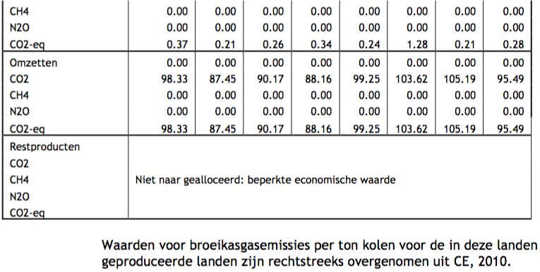
 |  | from north_america
 |  | co2_exploration_per_mj |  |  | 0.00000000 | kg CO2 eq/GJ
 |  | co2_extraction_per_mj |  |  | 0.00365593 | kg CO2 eq/GJ
 |  | co2_treatment_per_mj |  |  | 0.00080711 | kg CO2 eq/GJ
 |  | co2_transportation_per_mj |  |  | 0.00021007 | kg CO2 eq/GJ
 |  | co2_conversion_per_mj |  |  | 0.08744640 | kg CO2 eq/GJ
 |  | co2_waste_treatment_per_mj |  |  | 0.00000000 | kg CO2 eq/GJ
 |  | start_value |  |  | 0.169 | -

 |  | from russia
 |  | co2_exploration_per_mj |  |  | 0.00000000 | kg CO2 eq/GJ
 |  | co2_extraction_per_mj |  |  | 0.01196480 | kg CO2 eq/GJ
 |  | co2_treatment_per_mj |  |  | 0.00206805 | kg CO2 eq/GJ
 |  | co2_transportation_per_mj |  |  | 0.00024298 | kg CO2 eq/GJ
 |  | co2_conversion_per_mj |  |  | 0.09924560 | kg CO2 eq/GJ
 |  | co2_waste_treatment_per_mj |  |  | 0.00000000 | kg CO2 eq/GJ
 |  | start_value |  |  | 0 | -

 |  | from south_africa
 |  | co2_exploration_per_mj |  |  | 0.00000000 | kg CO2 eq/GJ
 |  | co2_extraction_per_mj |  |  | 0.00412425 | kg CO2 eq/GJ
 |  | co2_treatment_per_mj |  |  | 0.00059815 | kg CO2 eq/GJ
 |  | co2_transportation_per_mj |  |  | 0.00026328 | kg CO2 eq/GJ
 |  | co2_conversion_per_mj |  |  | 0.09016550 | kg CO2 eq/GJ
 |  | co2_waste_treatment_per_mj |  |  | 0.00000000 | kg CO2 eq/GJ
 |  | start_value |  |  | 0.263 | -

 |  | from south_america
 |  | co2_exploration_per_mj |  |  | 0.00000000 | kg CO2 eq/GJ
 |  | co2_extraction_per_mj |  |  | 0.00051643 | kg CO2 eq/GJ
 |  | co2_treatment_per_mj |  |  | 0.00032445 | kg CO2 eq/GJ
 |  | co2_transportation_per_mj |  |  | 0.00028475 | kg CO2 eq/GJ
 |  | co2_conversion_per_mj |  |  | 0.09549370 | kg CO2 eq/GJ
 |  | co2_waste_treatment_per_mj |  |  | 0.00000000 | kg CO2 eq/GJ
 |  | start_value |  |  | 0.203 | -

Sources | Page |  | Notes

http://energeia.nl/nieuws/845775-1507/stemming-abn-amro-stelt-prijsverwachting-olie-naar-beneden-bij

 |  |  | CAL-16 contract
 |  |  | date: 29/07/2015

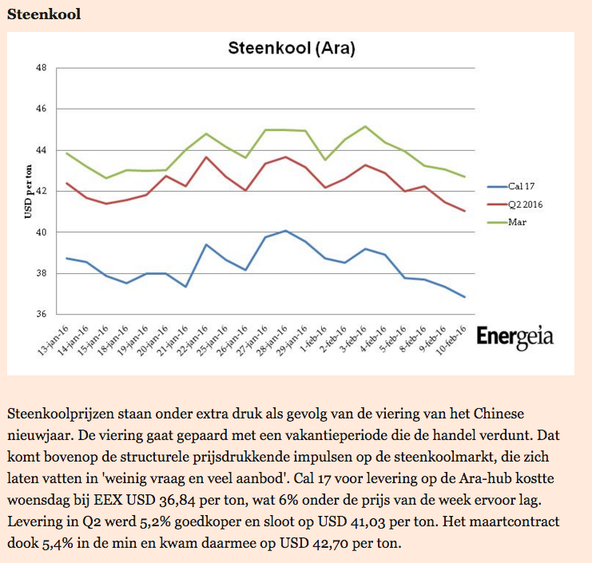
 |  |  | 37 | US$/tonne |  | CAL 16 contract
 |  |  | 1.0965 | dollar / euro |  | running month average
 |  |  | 33.744 | EUR/tonne
 |  |  | 26500 | MJ/tonne
 |  |  | 0.0012733483038 | EUR/MJ

