Notes
Sources | Page |  | Notes

EU JRC_201111_Well-to-wheel analysis of future automotive fuels and powertrains in the European context (version 3c) WTT Appendix 1
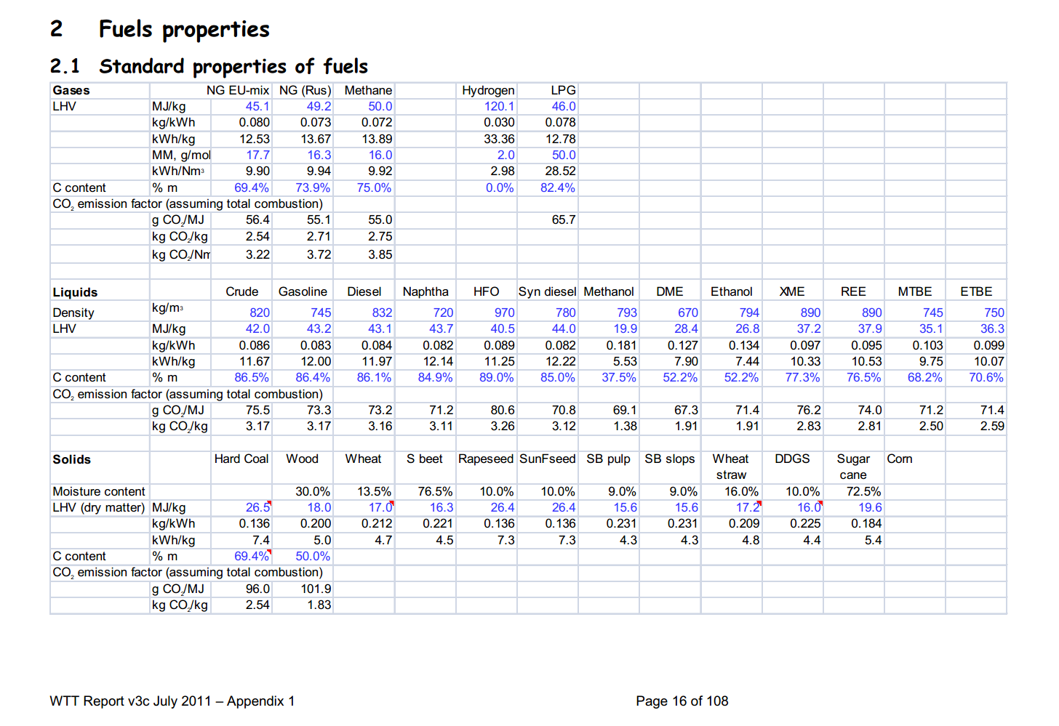

 | 16 | Crude | 820 | kg/m3 | Density
 |  |  | 42 | MJ/KG | LHV
 |  |  | 0.82 | kg/dm3 | transform to kg/Liter
 |  |  | 34.44 | MJ/L | LHV
 |  |  | 0.0755 | kg CO2/MJ | Co2 emission factor

Sources | Page |  | Notes

CE_Delft_201109_Toelichting_ketenkentallen_incl_biodiesel_bio-ethanol_(LCA).pdf

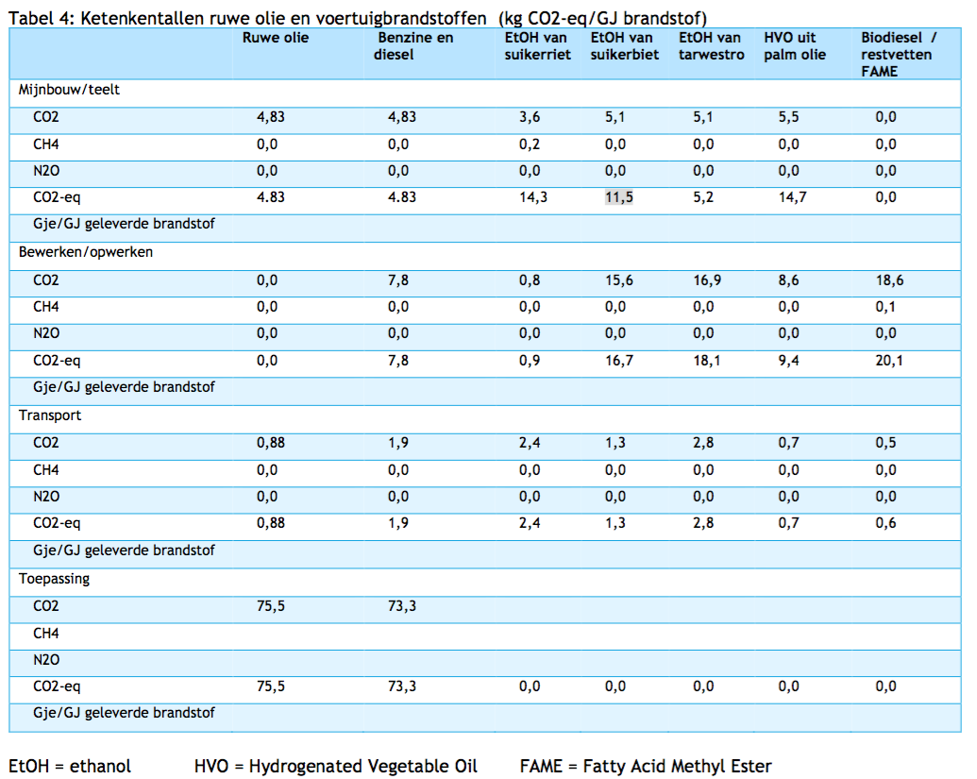

 | 12

 |  | Crude oil
 |  | co2_exploration_per_mj |  |  | 0 | kg CO2 eq/GJ | not relevant
 |  | co2_extraction_per_mj |  |  | 4.83 | kg CO2 eq/GJ
 |  | co2_treatment_per_mj |  |  | 0 | kg CO2 eq/GJ
 |  | co2_transportation_per_mj |  |  | 0.88 | kg CO2 eq/GJ
 |  | co2_conversion_per_mj |  |  | 75.5 | kg CO2 eq/GJ
 |  | co2_waste_treatment_per_mj |  |  | 0 | kg CO2 eq/GJ | not relevant

 |  | co2_exploration_per_mj |  |  | 0 | kg CO2 eq/GJ | not relevant
 |  | co2_extraction_per_mj |  |  | 0.00483 | kg CO2 eq/GJ
 |  | co2_treatment_per_mj |  |  | 0 | kg CO2 eq/GJ
 |  | co2_transportation_per_mj |  |  | 0.00088 | kg CO2 eq/GJ
 |  | co2_conversion_per_mj |  |  | 0.0755 | kg CO2 eq/GJ
 |  | co2_waste_treatment_per_mj |  |  | 0 | kg CO2 eq/GJ | not relevant

Sources | Page |  | Notes

http://www.euroinvestor.com/exchanges/gtis-energy/wti-oil/2327086/history

 |  |  | WTI oil prices
 |  |  |  |  |  |  |  | Date | Open Price | High | Low | Close Price | Volume
 |  |  |  | 30.383913043 | USD/barrel | Monthly average |  | 2016-02-11 | 26.79 | 26.79 | 26.79 | 26.79 | 0
 |  |  |  | 158.987295 | L/barrel |  |  | 2016-02-10 | 27.61 | 27.61 | 27.61 | 27.61 | 0
 |  |  |  | 0.19110906342 | USD/L |  |  | 2016-02-09 | 28.25 | 28.25 | 28.25 | 28.25 | 0
 |  |  |  | 1.0965 | USD/EUR |  |  | 2016-02-08 | 29.97 | 29.97 | 29.97 | 29.97 | 0
 |  |  |  | 0.17429007152 | EUR/L |  |  | 2016-02-05 | 30.84 | 30.84 | 30.84 | 30.84 | 0
 |  |  |  | 34.44 | MJ/L |  |  | 2016-02-04 | 31.63 | 31.63 | 31.63 | 31.63 | 0
 |  |  |  | 0.0050606873 | EUR/MJ |  |  | 2016-02-03 | 32.25 | 32.25 | 32.25 | 32.25 | 0
 |  |  |  |  |  |  |  | 2016-02-02 | 29.96 | 29.96 | 29.96 | 29.96 | 0
 |  |  |  |  |  |  |  | 2016-02-01 | 31.46 | 31.46 | 31.46 | 31.46 | 0
 |  |  |  |  |  |  |  | 2016-01-29 | 33.61 | 33.61 | 33.61 | 33.61 | 0
 |  |  |  |  |  |  |  | 2016-01-28 | 33.39 | 33.39 | 33.39 | 33.39 | 0
 |  |  |  |  |  |  |  | 2016-01-27 | 31.9 | 31.9 | 31.9 | 31.9 | 0
 |  |  |  |  |  |  |  | 2016-01-26 | 31.2 | 31.2 | 31.2 | 31.2 | 0
 |  |  |  |  |  |  |  | 2016-01-25 | 30.14 | 30.14 | 30.14 | 30.14 | 0
 |  |  |  |  |  |  |  | 2016-01-22 | 31.99 | 31.99 | 31.99 | 31.99 | 0
 |  |  |  |  |  |  |  | 2016-01-21 | 29.68 | 29.68 | 29.68 | 29.68 | 0
 |  |  |  |  |  |  |  | 2016-01-20 | 29.05 | 29.05 | 29.05 | 29.05 | 0
 |  |  |  |  |  |  |  | 2016-01-19 | 28.4 | 28.4 | 28.4 | 28.4 | 0
 |  |  |  |  |  |  |  | 2016-01-18 | 28.91 | 28.91 | 28.91 | 28.91 | 0
 |  |  |  |  |  |  |  | 2016-01-15 | 29.67 | 29.67 | 29.67 | 29.67 | 0
 |  |  |  |  |  |  |  | 2016-01-14 | 31.14 | 31.14 | 31.14 | 31.14 | 0
 |  |  |  |  |  |  |  | 2016-01-13 | 30.45 | 30.45 | 30.45 | 30.45 | 0
 |  |  |  |  |  |  |  | 2016-01-12 | 30.54 | 30.54 | 30.54 | 30.54 | 0
 |  |  |  |  |  |  |  | 2016-01-11 | 31.27 | 31.27 | 31.27 | 31.27 | 0

