Notes
Sources | Page | Notes

SenterNovem_200911_Beschikbaarheid biomassa voor elektriciteit en warmte in 2020.pdf |  | Auteur Koppejan

 | p. 40 | Manure

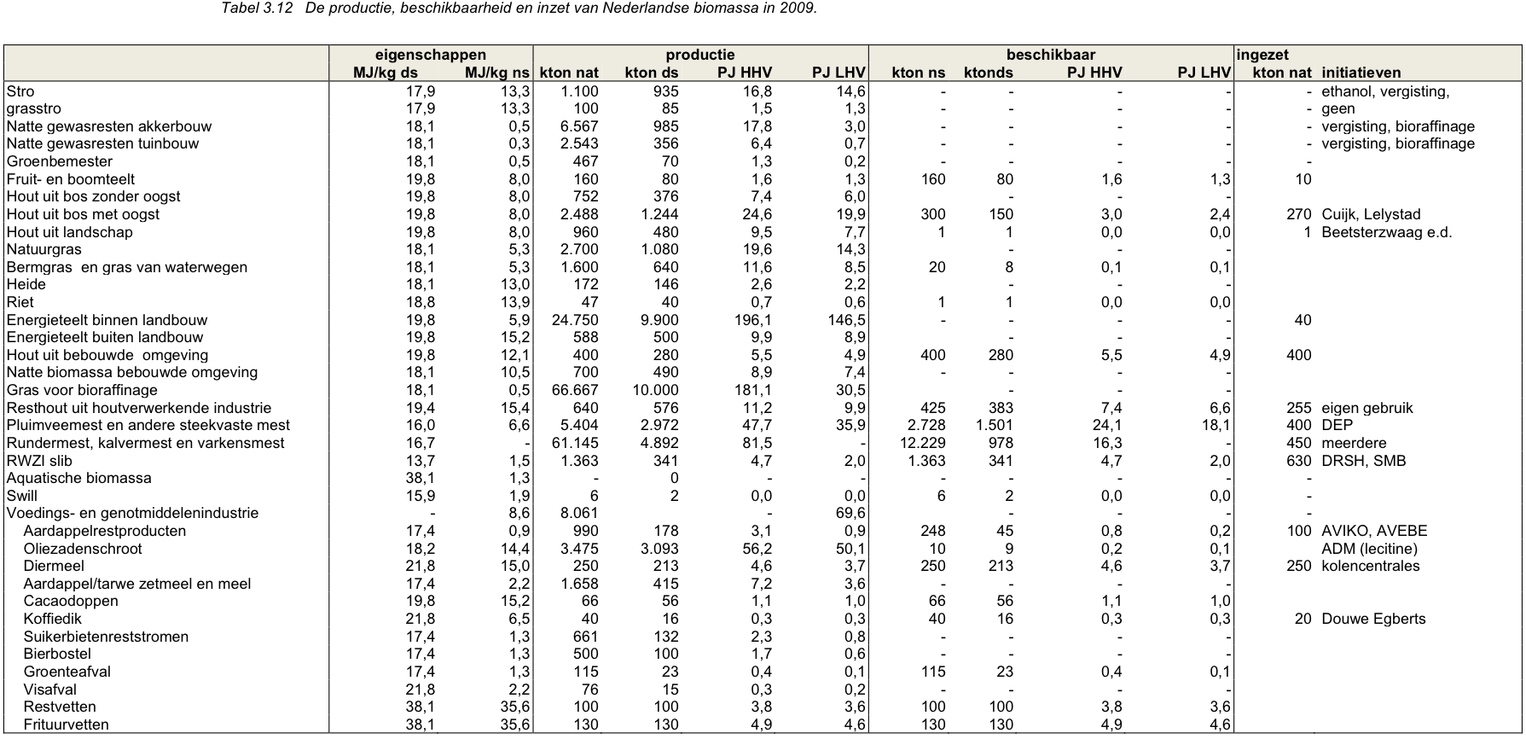

 |  | Rundermest, kalvermest en varkensmest
 |  | Energieinhoud natte stof |  |  | MJ/kg ns
 |  | Energieinhoud droge stof |  | 16.7 | MJ/kg ds
 |  | productie nat |  | 61.145 | Mtonne/year
 |  | productie droog |  | 4.892 | Mtonne/year
 |  | nat / droog conversie |  | 12.5
 |  | beschikbaar nat |  | 12.229 | Mtonne/year
 |  | beschikbaar droog |  | 0.978 | Mtonne/year

 |  | Pluimveemest en andere steekvaste mest
 |  | Energieinhoud natte stof |  | 6.6 | MJ/kg ns
 |  | Energieinhoud droge stof |  | 16 | MJ/kg ds
 |  | productie nat |  | 5.404 | Mtonne/year
 |  | productie droog |  | 2.972 | Mtonne/year
 |  | nat / droog conversie |  | 1.8
 |  | beschikbaar nat |  | 2.728 | Mtonne/year
 |  | beschikbaar droog |  | 1.501 | Mtonne/year

 |  | Average manure
 |  | Energieinhoud droge stof |  | 16.35 | MJ/kg ds

 |  | Total
 |  | Available dry manure |  | 2.479 | Mtonne/year
 |  | Available energy |  | 40.3 | PJ/year (HHV!)

Sources | Page | Notes

statline CBS

 |  | yearly production of manure NL |  | 72703 | mln kg
 |  | wet manure |  | 72.703 | Mtonne

Sources | Page | Notes

IPCC_2006_Guidelines for National Greenhouse Gas Inventories - Vol 2 Energy - Ch 1 Introduction.pdf

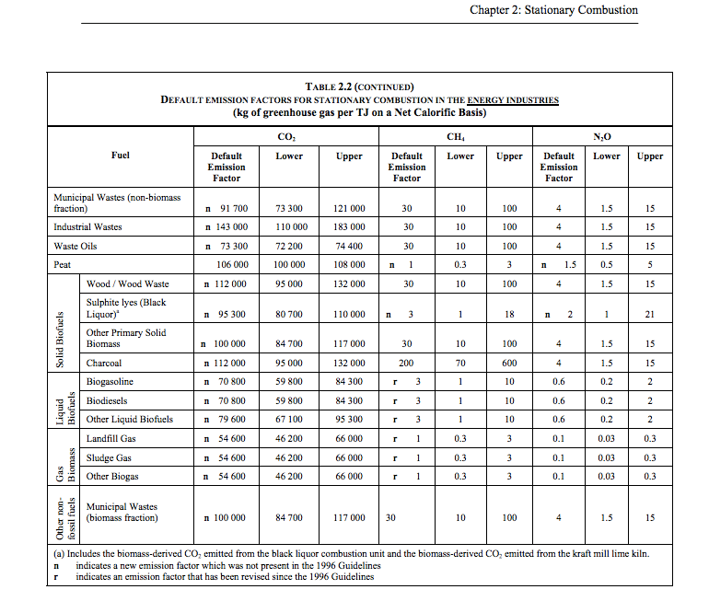

 | 1.24 |  | 54600 | kg CO2/TJ | gas biomass
 |  |  | 1000000 | TJ/MJ
 |  |  | 0.0546 | kg CO2/TJ

