Notes
Source | Notes

nl.rs
 | Osmar

 | 67.86

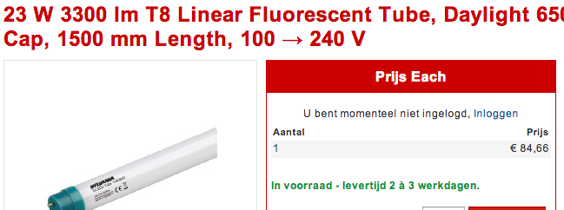
 | Sylvania

 | 84.66

 | GE


 | 59.64

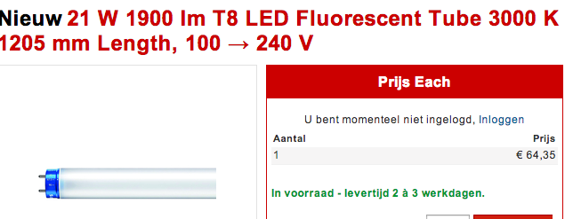
 | Philips

 | 64.35

US.Deparment
p.9

 | 15 | min for 2 lamps

 | 65 | $/h
 | 50.33 | euro/hr

Sylvania

 | 40000 | h

GE

 | 50000 | h

Osmar

 | 40000 | h

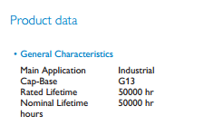
Philips

 | 50000 | h

