Notes
Source | Notes

Remeha
warmteservice
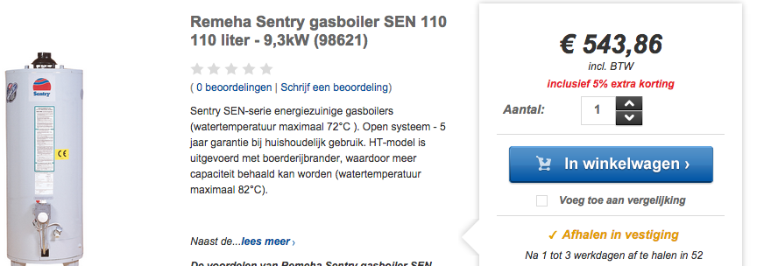

 |  | 543.86 | euros

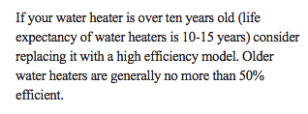

virginia
p.86 |  | 15 | yr

Whirlpool
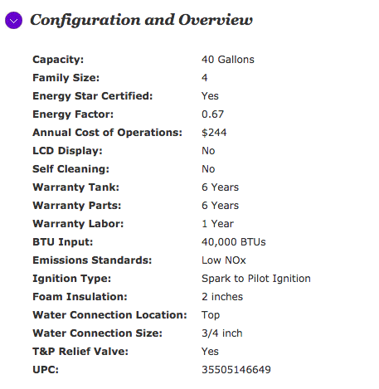

 |  | 0.67


Powerflex

 |  | 0.7

