Notes
Sourcse | Notes

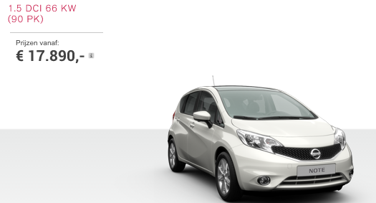

Nissan | 17890 | euro

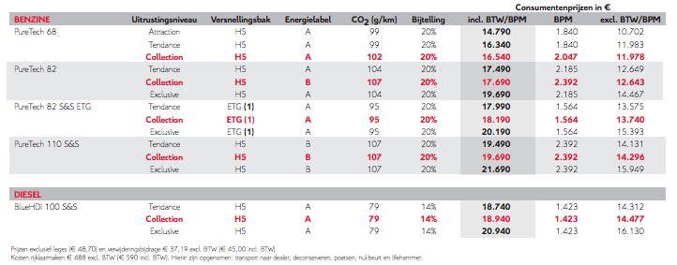

Citroen

 | 18940 | euro

Volvo

 | 22617.57 | euro

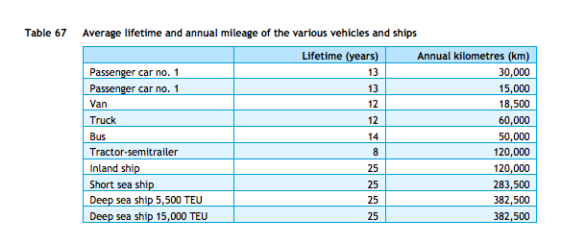
cedelft-ecn-tno
p.87

 | 13 | yr

p.64
 | 2 | MJ/km
 | 0.5 | km/MJ

Wageningen UR
p.34

 | 444 | euro/yr

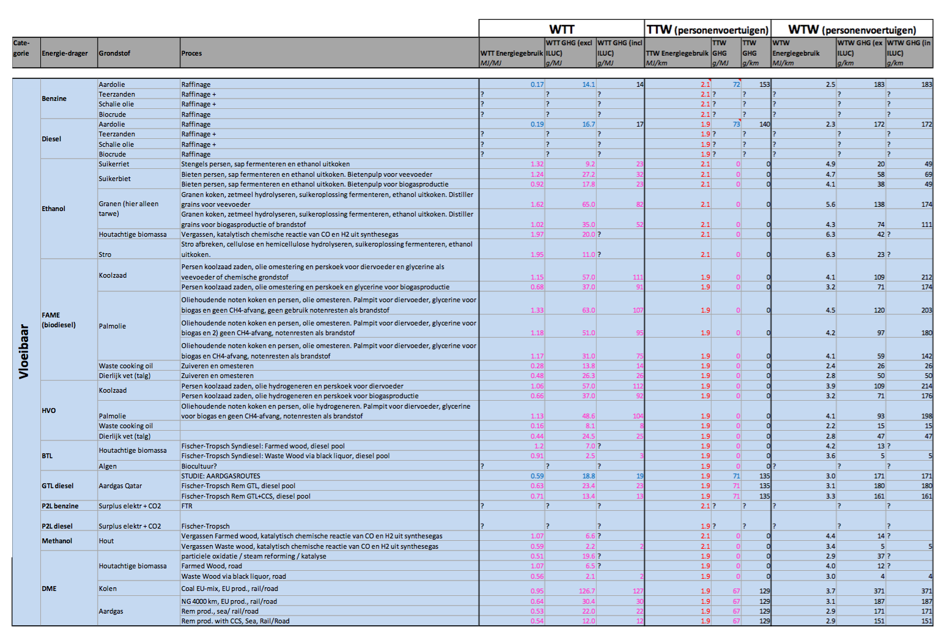

ecn-cedelft-tno2
p.182

 | 1.9 | MJ/km
 | 0.52631578947 | km/MJ

