Notes
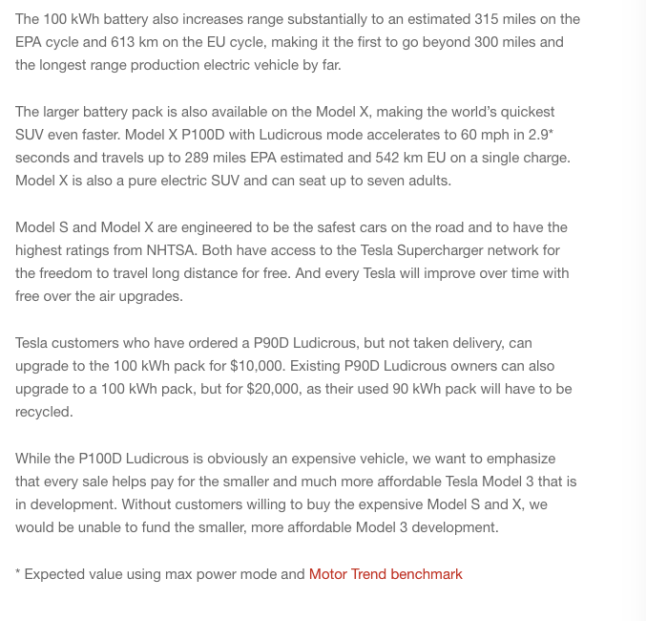
Sources |  | Notes

cedeltf-ecn-tno

p.64 |  | 0.7 | MJ/km
 |  | 1.4285714286 | km/MJ

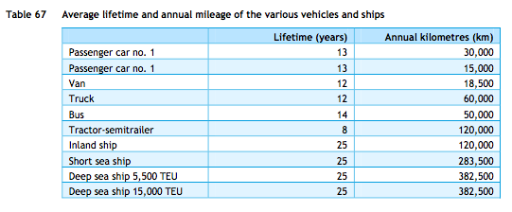

p.84
 |  | 13 | yrs

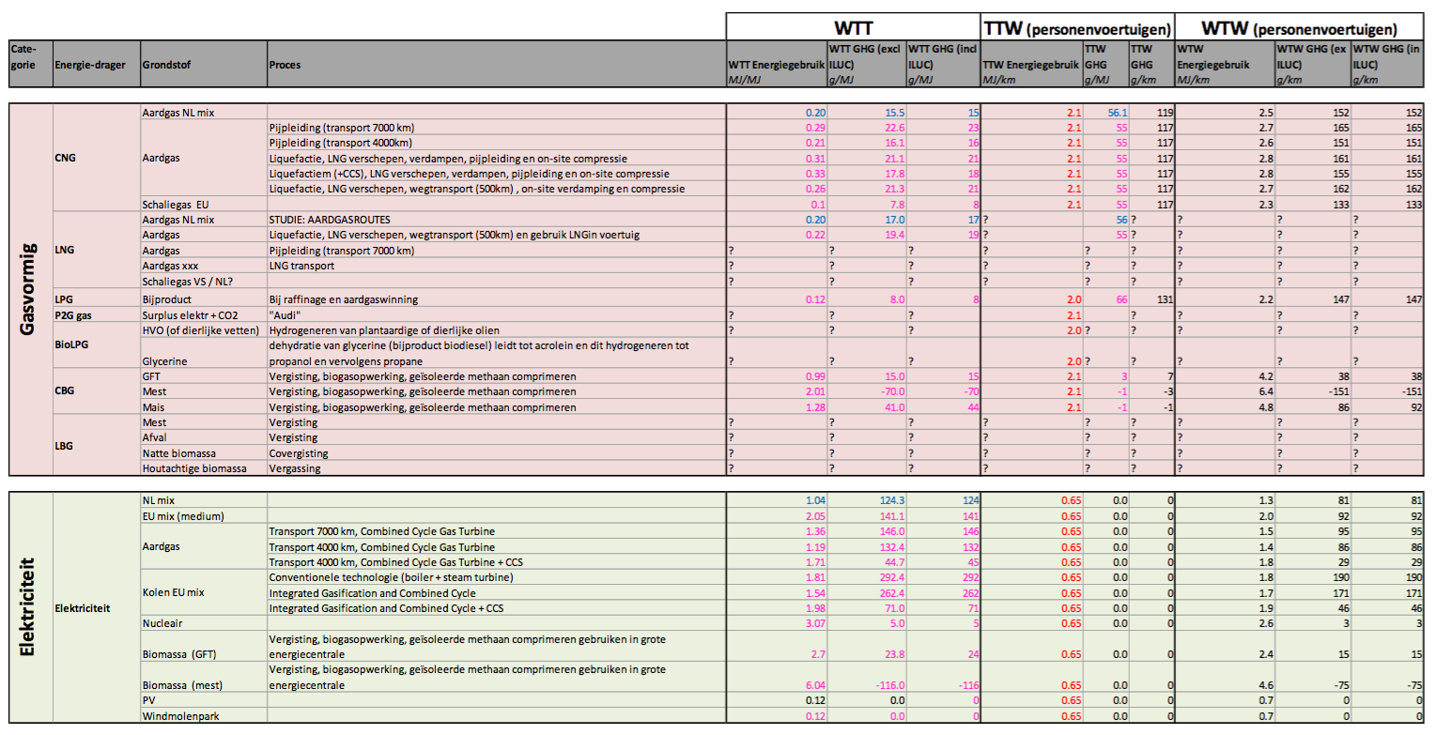

cedelft-ecn-tno2

p.183

 |  | 0.65 | MJ/km
 |  | 1.5384615385 | km/MJ

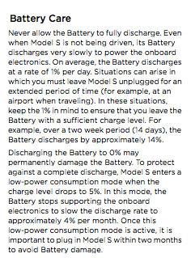
Tesla model s owner's manual |  | 85 | kWh | battery size
p 6.4 |  | 1 | % | storage decay per day
 |  | 0.85 | kWh/day | storage decay


Tesla Model S P100D website anouncement
https://www.tesla.com/nl_NL/blog/new-tesla-model-s-now-quickest-production-car-world?redirect=no

storage volume | 100 | kWh

