Notes
Source | Notes

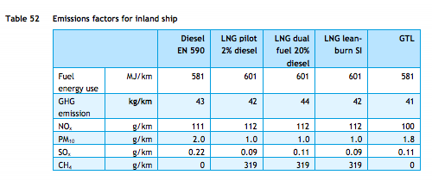
TNO, ECN, CE Delft

Efficiency | 601 | MJ/km
 | 0.0016638935108 | km/MJ

 | dual fuel ship,
 | hence dual fuel efficiency

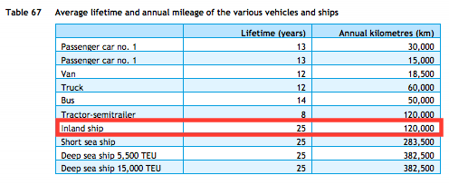
TNO, ECN, CE Delft

Lifetime | 25 | years

TNO, ECN, CE Delft

Investment costs Inland ship
Estimate |  | euro

