Notes
Sources | Notes
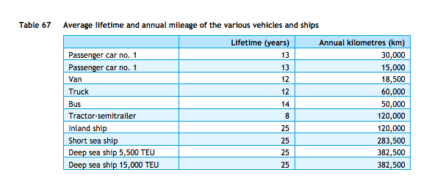

cedelft-ecn-tno
p.87

12 | yr

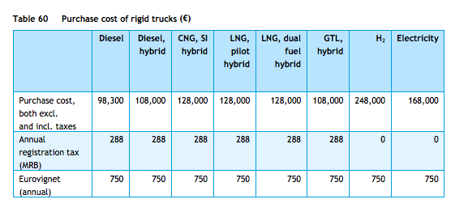
p.85

98300 | euro

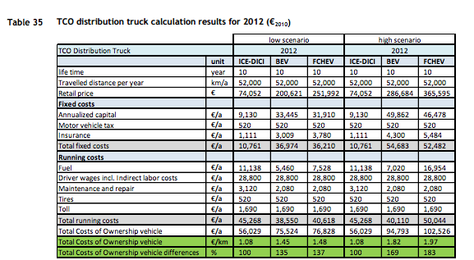

cedelft
p.92

74052 | euro

3120 | euro/yr
520 | euro/yr

cedelft-ecn-tno |  | 9.4 | MJ/km
p.66 |  | 0.10638297872 | km/MJ

