Notes
Sources | Notes
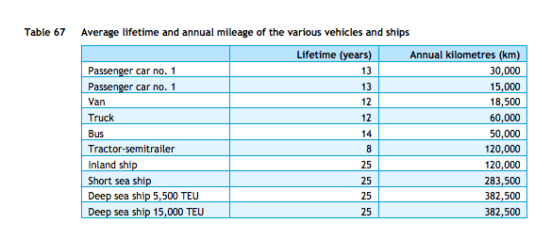

cedelft-ecn-tno
p.87

12 | yr

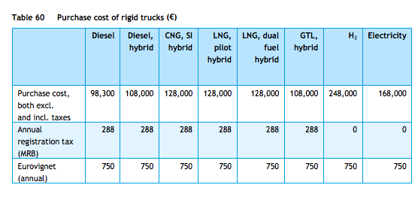
p.85

168000 | euro

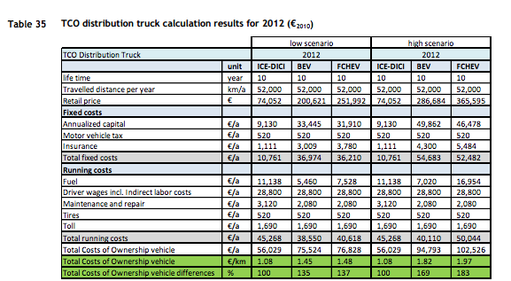

cedelft
p.92

200621 | euro

2080 | euro/yr
520 | euro/yr

cedelft-ecn-tno
p66
 |  | 5.22 | MJ/km
 |  | 0.19157088123 | km/MJ

