Notes
Sources | Notes
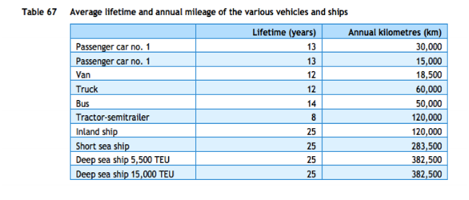

cedelft-ecn-tno
p.87

12 | yr

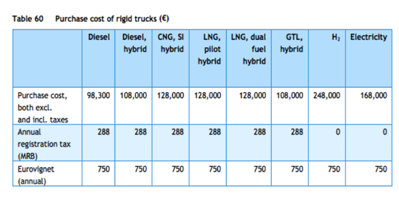
p.85

98300 | euro

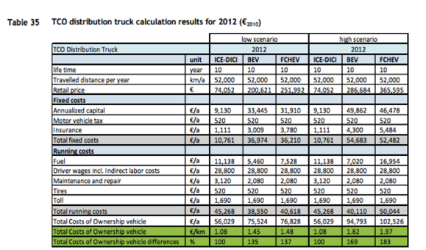

cedelft
p.92

10 | yr

74052 | euro

3120 | euro/yr
520 | euro/yr

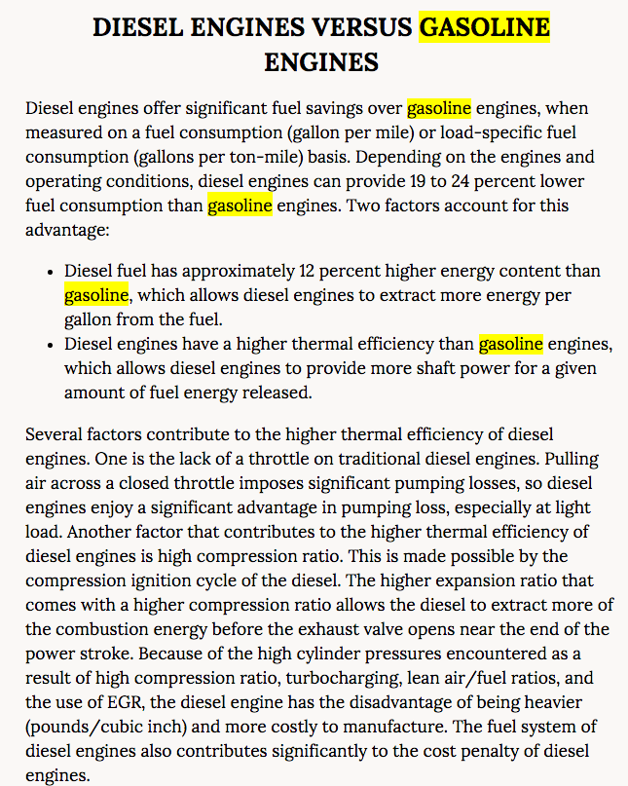
http://www.nap.edu/read/12845/chapter/6#63

p.63

Diesel truck efficiency

0.10638297872 | km/MJ

Diesel trucks 19-24% lower fuel consumption than gasoline trucks
 | 12% is energy content difference
 | 7 - 12% higher thermal efficiency
 |  | Average | 9.5 | %
 |  |  | 0.095
In ETM | 43.1
 | 43.2

from carrier | 43.10 | MJ/kg | diesel
 | 43.20 | MJ/kg | gasoline

 | -0.0023148148148
 | 0.095
 | 0.092685185185 | lower fuel consumption for diesel trucks

 |  | (implicit assumption that the changes in other factors are so small they can be ignored

 | diesel | 0.90731481481 | 9.4 | from transport_truck_using_diesel_mix_converter
 | gasoline | 1 | 10.360240841 | MJ/km | Fuel consumption

 | 10.360240841 | km/MJ
output.truck_kms | 0.09652285264 | MJ/km

