Notes
Source | Notes
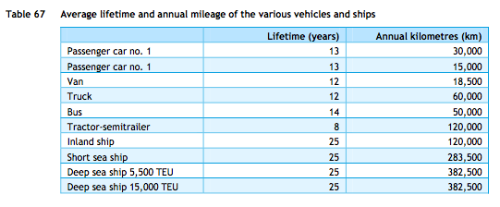
ECN, TNO, CE Delft (2013) | Technical lifetime | 12 | years

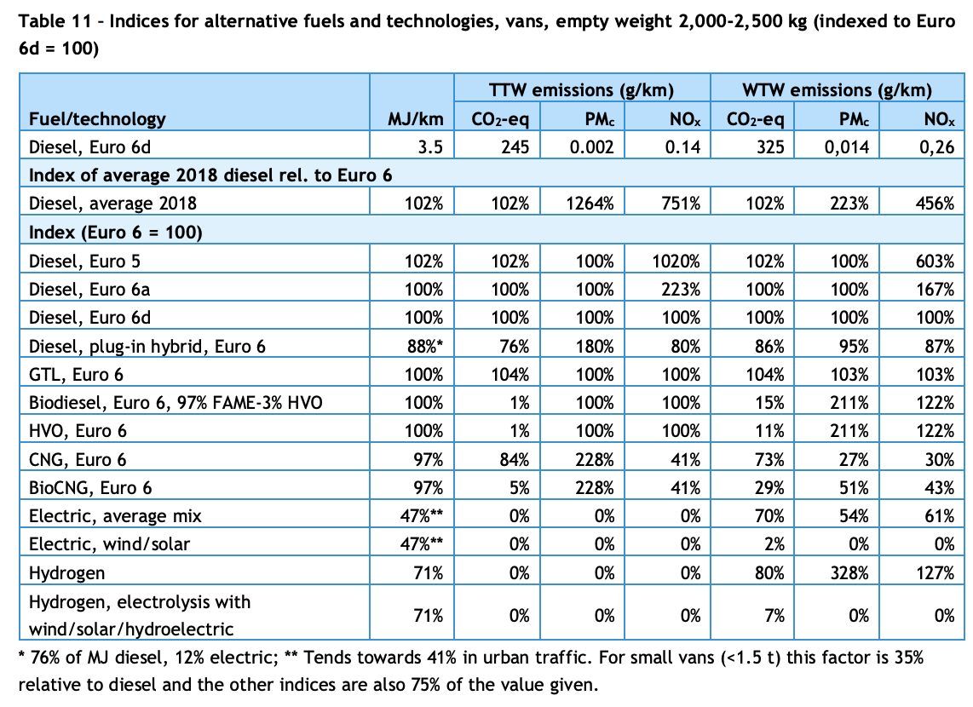

CE Delft (2020) | Effciency per vehicle km | 3.5 | MJ/km | Diesel Euro 6d
 | Effciency per vehicle km | 47% |  | Relative efficiency of electric compared to diesel euro 6d
 | Effciency per vehicle km | 1.645 | MJ/km | Electric, average mix

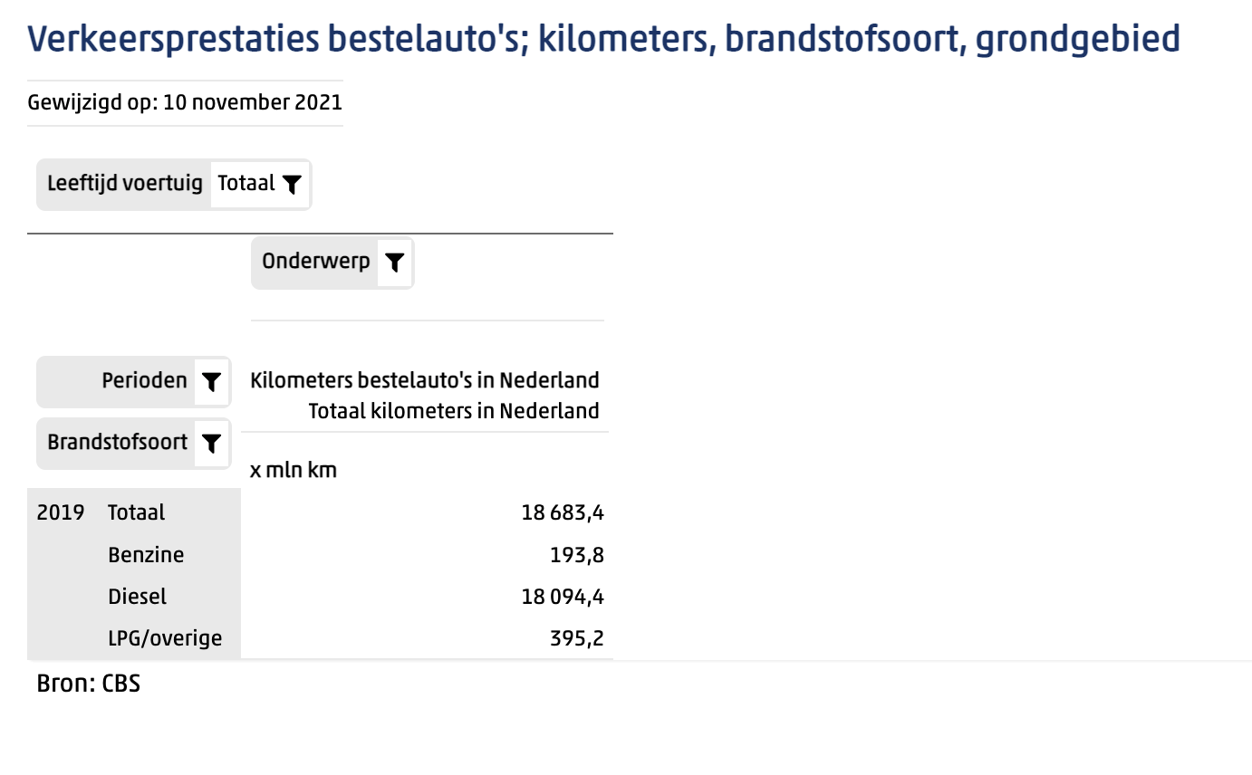
Statline (2019) | Vehicle kms | 18683.4 | mln km | Total vans in Netherlands

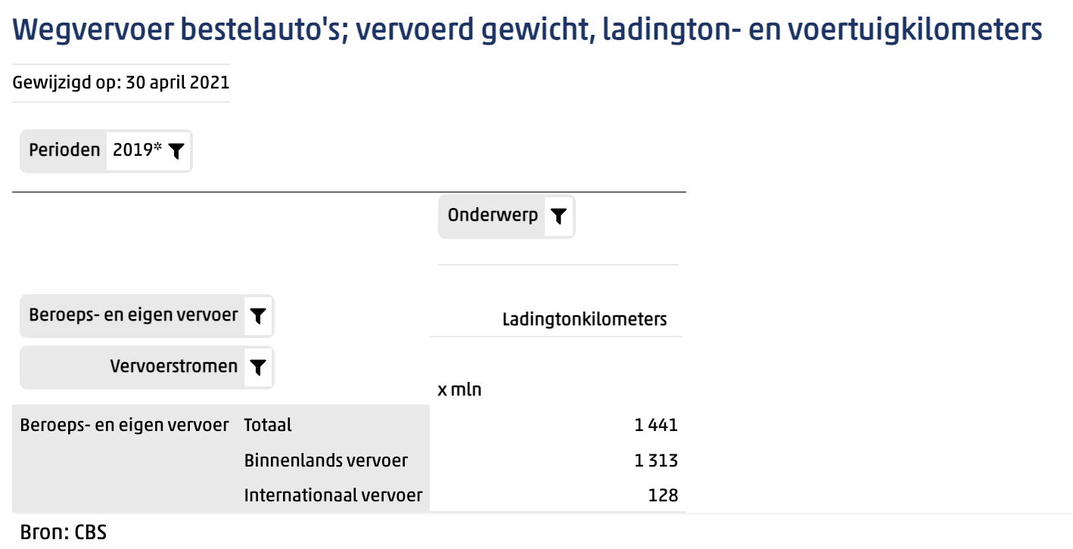
Statline (2019) | Tonne kms | 1441 | mln tonne km | Total vans in Netherlands

 | Transport efficiency | 0.077127289466 | tonne km/vehicle km

 | output.freight_tonne_kms | 0.046885890253 | tonne km/MJ | Electric vans

Ford E-transit
p.4

 | storage.volume | 68 | kWh
 |  | 0.068 | MWh
 | electricity_output_capacity | 11 | kW | Onboard charger
 |  | 0.011 | MW
 | typical_input_capacity | 0.011 | MW | assumption: output capacity = input capacity

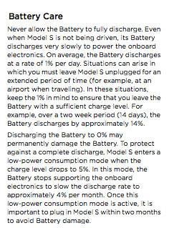
Tesla model s owner's manual
p 6.4
Decay assumed to be the same as for lithium-ion battteries in cars as decay depends on battery type, not vehicle

 | storage decay per month | 4.0%
 | storage decay per hour | 0.0054867%

