Notes
Sources | Page |  | Notes
https://cameochemicals.noaa.gov/chris/CMO.pdf
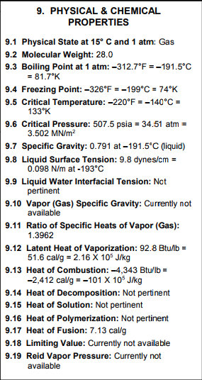
 | CO | 28 | g/mol
 | CO2 | 44 | g/mol

 | heat of combustion | 10100000 | J/kg
 |  | 10.1 | MJ/kg

 | density (0 degrees Celsius) | 0.00125 | g/m3 | https://nl.wikipedia.org/wiki/Koolstofmonoxide
 |  | 1.25E-09 | kg/L

 | co2_conversion_per_mj | 0.15558698727 | kg/MJ

Sources | Page |  | Notes

Sources | Page |  | Notes

 |  | co2_conversion_per_mj |  |  | kg CO2 eq/GJ
 |  | co2_waste_treatment_per_mj |  |  | kg CO2 eq/GJ
 |  | start_value |  |  | -

 |  | from russia
 |  | co2_exploration_per_mj |  |  | kg CO2 eq/GJ
 |  | co2_extraction_per_mj |  |  | kg CO2 eq/GJ
 |  | co2_treatment_per_mj |  |  | kg CO2 eq/GJ
 |  | co2_transportation_per_mj |  |  | kg CO2 eq/GJ
 |  | co2_conversion_per_mj |  |  | kg CO2 eq/GJ
 |  | co2_waste_treatment_per_mj |  |  | kg CO2 eq/GJ
 |  | start_value |  |  | -

 |  | from south_africa
 |  | co2_exploration_per_mj |  |  | kg CO2 eq/GJ
 |  | co2_extraction_per_mj |  |  | kg CO2 eq/GJ
 |  | co2_treatment_per_mj |  |  | kg CO2 eq/GJ
 |  | co2_transportation_per_mj |  |  | kg CO2 eq/GJ
 |  | co2_conversion_per_mj |  |  | kg CO2 eq/GJ
 |  | co2_waste_treatment_per_mj |  |  | kg CO2 eq/GJ
 |  | start_value |  |  | -

 |  | from south_america
 |  | co2_exploration_per_mj |  |  | kg CO2 eq/GJ
 |  | co2_extraction_per_mj |  |  | kg CO2 eq/GJ
 |  | co2_treatment_per_mj |  |  | kg CO2 eq/GJ
 |  | co2_transportation_per_mj |  |  | kg CO2 eq/GJ
 |  | co2_conversion_per_mj |  |  | kg CO2 eq/GJ
 |  | co2_waste_treatment_per_mj |  |  | kg CO2 eq/GJ
 |  | start_value |  |  | -

Sources | Page |  | Notes

