Notes
 | Source | Page | Notes

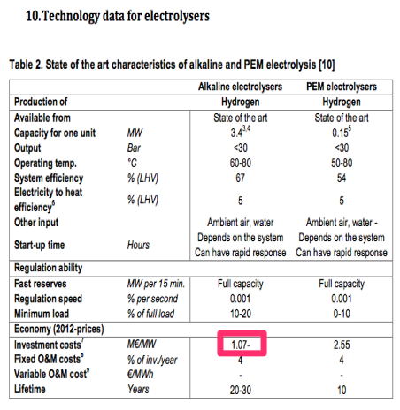
 | Constants
 | Molar masses
 | H2 |  | 2.016 | g/mol
 | CO |  | 28 | g/mol
 | CO2 |  | 44 | g/mol
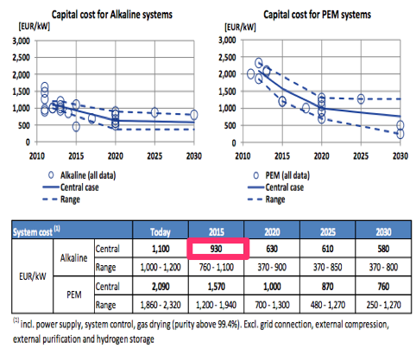
 | C11H24 |  | 156.192 | g/mol
 | O2 |  | 32 | g/mol
 | CH3OH |  | 32.032 | g/mol
 | C2H5OH |  | 46.048 | g/mol | 0.789 | kg/l

 | Density kerosene |  | 0.747 | kg/l
 | interest |  | 0.05

 | technical_lifetime |  | 25 |  | yr
 | full_load_hours |  | 8000 |  | hr/yr
 | energy density CO |  | 10.01 |  | MJ/kg

 | Source | Page | Notes
 | PARAMETERS FOR PROCESS STEPS

 | CO2 |  |  |  |  |  | CO2 | to | CO
Concentrated CO2 assumptions |  |  |  |  |  |  | CO2 Electrolysis (PEM)
 |  |  |  |  |  |  | Overall lifetime |  | 25 | yrs
 | Concentrated CO2 | 1 | Mt CO2/yr |  |  |  | Efficiency |  | 0.7 |  | Opus 12
 | Capture potential | 0.9999 |  | Kim et al., IEA |  |  | Yield |  | 0.97
 | Capture costs |  | €/t CO2 |  |  |  | Electricity req |  | 5760.49 | kWh/t CO2
 |  |  |  | IEA |  |  | Lifetime |  | 80000 | hrs
 | Electricity req | 100 | kWh/t CO2 | capture+compression 20 bar |  |  | Lifetime stack |  | 10 | yrs
 | Steam req | 3.2 | GJ/t CO2 | sorbent regen. |  |  | Lifetime rest |  | 30 | yrs
 |  |  |  |  |  |  | Fraction for stack |  | 0.15
 |  |  |  |  |  |  | Overall cost |  | 1300 | €/kW
 |  |  |  |  |  |  | Lifetime stack |  | 10 | yrs |  | 930 | euro/kW | FCH
 | Investment | 80 | €/t CO2/y | IEA |  |  | Investment |  | 1000 | €/kW |  | 1070 | euro/kW | Aalborg University
 | Investment | 80 | M€ |  |  |  | CO prod |  | 0.62 | Mt/y
 | Interest | 0.05 |  |  |  |  | Electricity req |  | 2262.78 | GWh
 |  |  |  |  |  |  | FLH |  | 8000 | hrs
 | FLH | 8000 |  |  |  |  | Peak factor |  | 1
 | O&M | 5 | % CAPEX | Kuramochi |  |  | Size |  | 282.85 | Mwe
 | Lifetime | 20 | y | Kuramochi |  |  | Investment |  | 367.70 | M€
 |  |  |  |  |  |  | Interest |  | 0

 |  |  |  |  |  |  | O&M |  | 3 | %
DAC [1 MT scale] |  | Carbon Engineering

Investment |  | 525.42 | M€ |  | Carbon Engineering
Lifetime |  | 25 | y |  | Carbon Engineering
Heat req |  | 1600 | kWh/t CO2
Electricity req |  | 450 | kWh/t CO2 |  | Carbon Engineering
 |  |  |  |  | Estimate to 20 bar

OPEX |  | 6 | % capex |  | Assumption

Interest |  | 0.05

FLH |  | 8760

 | PEM CO2

 | Opus 12 uses PEM technology with a different catalyst layer at the cathode to convert CO2

 | Reactions | Anode | 2H2O -> O2 + 4H+ + 4e-
 |  | Cathode | 2CO2 + 4H+ +4e- -> 2CO + 2H2O
 |  | Net | 2CO2 -> 2CO + O2 |  | reverse combustion'

 | Can synthesize more complicated compounds this way

 | Energy efficiency is

 |  | 70 | % | 55% currently, up to 75%
 |  | 0.0045714285714 | kWh/L CO

 |  | 1.00 | t CO2
 |  | 0.02 | mol CO2
 |  | 0.64 | t CO2
 |  | 1.00

 | Energy requirement is
 |  | 510.00 | kL |  |  |  |  |  |  |  |  |  | https://closingthecarboncycle.files.wordpress.com/2016/10/20160929-opus-12-closing-the-carbon-cycle.pdf
 |  | 2331.43 | kWh/ 510 kL
 |  | 3665.77 | kWh/t CO
 |  | 5760.49 | kWh/t CO2

 | INPUT/OUTPUT SHARES

 | input.electricity |  | 0.80
 | input.useable_heat |  | 0.20
 | output.co |  | 0.25
 | output.loss |  | 0.75

 | Source | Page | Notes
 | POWER

 | Power CO2 | 51.37 | Mwe
 | Power PEM | 282.85 | Mwe
 | Total power | 334.22 | Mwe

 | Source | Page | Notes
 | COSTS

 | Investment CO2 | 525.42
 | Investment PEM | 367.70
 | Total investment | 893.13 | M€
 |  | 8931252725.53 | €

 | OPEX (O&M) | 42556470.041 | €/year

