Notes
Source | Notes
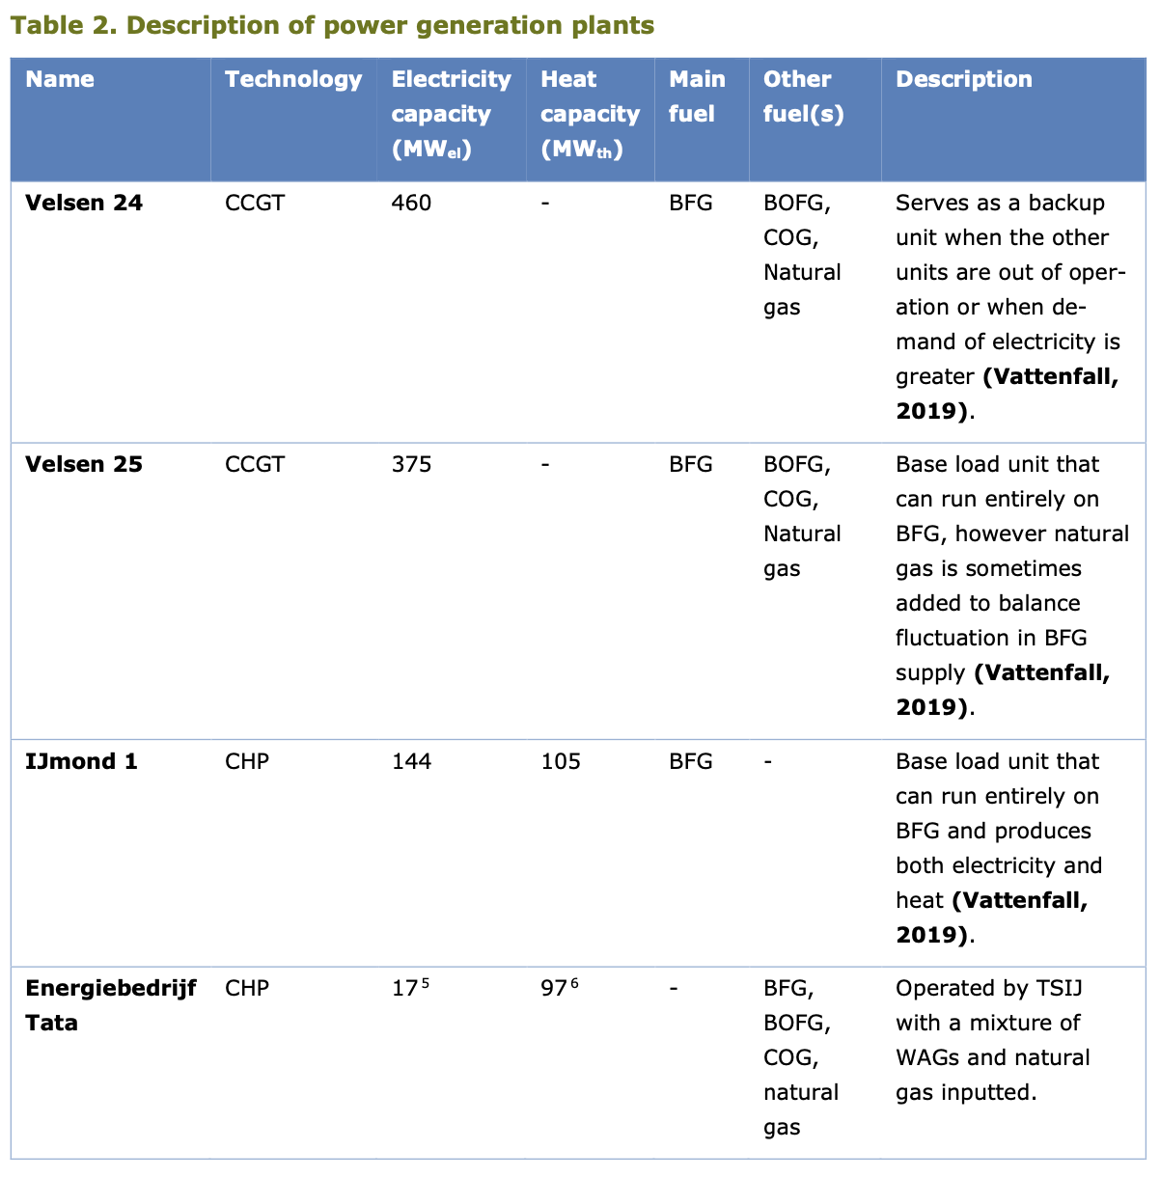
PBL & ECN/TNO (2019) - Decarbonisation options for the Dutch Steel Industry

 | Electricity capacity
 | Velsen 24 | 460 | MW
 | Velsen 25 | 375 | MW
 | Total | 835 | MW

Quintel assumption

FLHs are calculated by dividing the electricity production of the NL energy
balance by the installed Midden electricity capacity.

 | Full load hours
 |  | 17341.22 | FLH

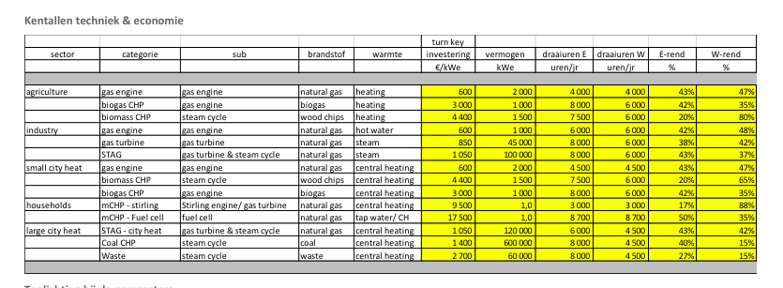
Energymatters
p.1

 | 120000 | KW
 | 1050 | euro/KW
 | 120 | MW

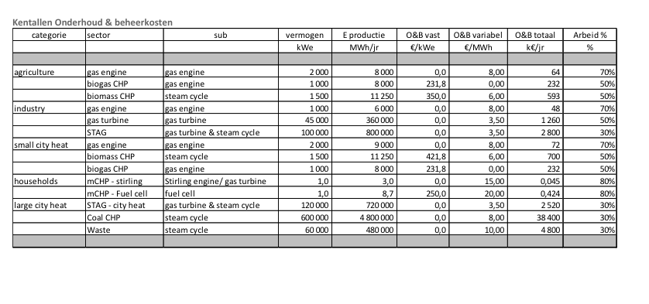
p.5

 | 2520000 | euro/yr

Siemens
p.7
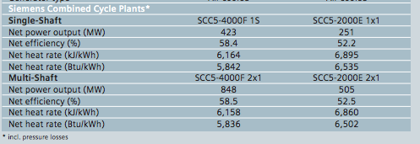

 | 848 | MW
 | 58.5 | %

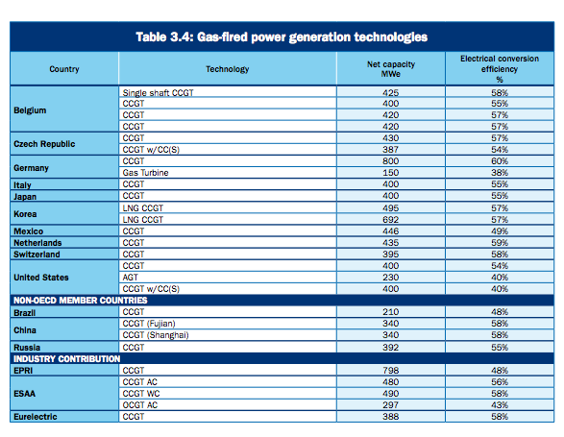

IEA
p.55

 | 800 | MW
 | 60 | %

iea-etsap
p.4

 | 30 | months
 | 30 | yr

PB a
p.40

 | 2.5 | yr
 | 30 | yr

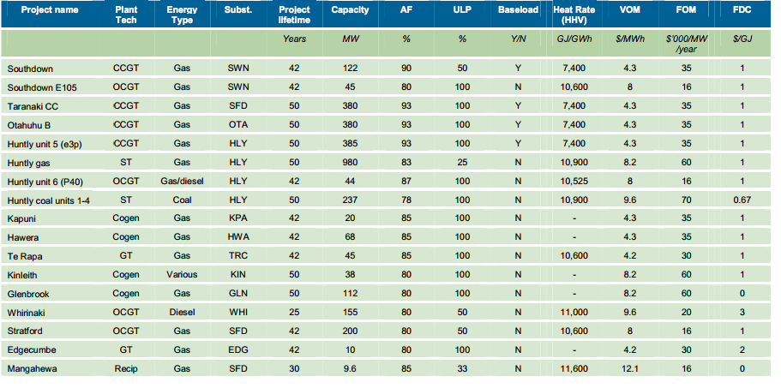

PB b
p.11

 | 380 | MW
Fixed O&M | 35 | $NZ/kW/yr
 | 16.45 | euro/KW/yr
Variable O&M | 4.3 | $/MWh
 | 2.0 | euro/MWh

 | 1 NZ $=0.47 euro (2009)

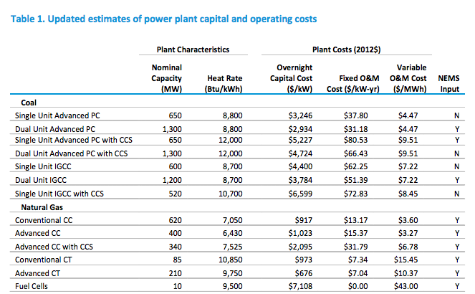
EIA
p.12

 | 620 | MW
Investment cost | 917 | $/KW
 | 706 | euro/KW
Fixed O&M | 13.17 | $/KW
 | 10.1 | euro/KW
Variable O&M | 3.6 | $/MWh
 | 2.7 | euro/MWh
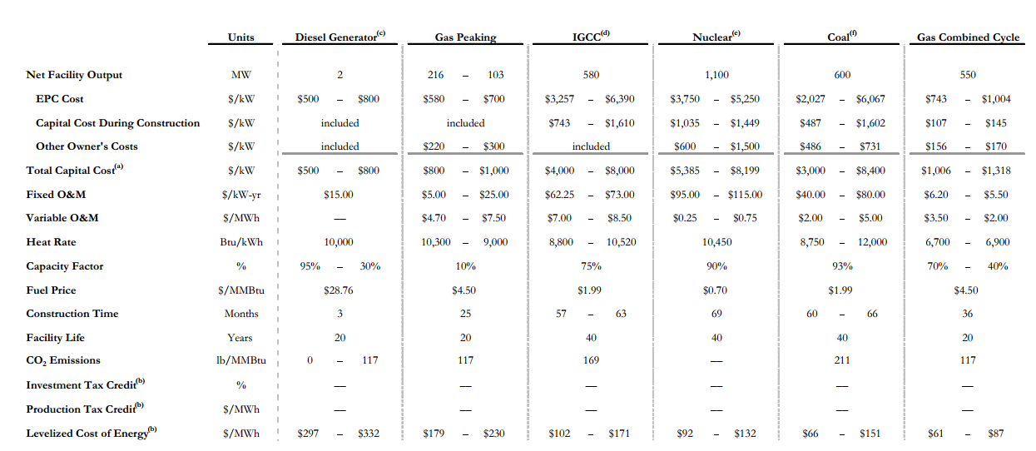
Lazard
p.14

 | 550 | MW
Investment cost | 1006 | $/kW
 | 794 | euro/KW

Fixed O&M | 6.2-5.5 | $/kW/yr
Average | 5.85 | $/KW/yr
 | 4.53 | euro/KW/yr
Variable O&M | 3.5-2.0 | $/MWh
Average | 2.75 | $/MWh
 | 2 | euro/MWh

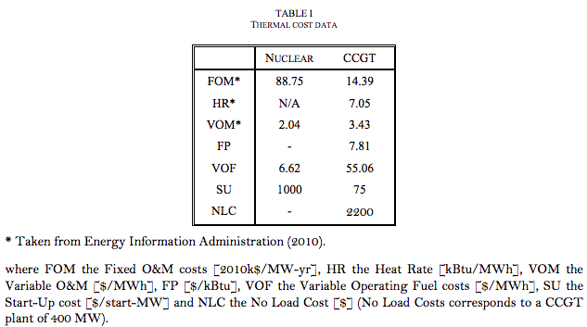
IIT
p.20

 | 400 | MW
Fixed O&M | 14.39 | $/KW/yr
 | 11 | euro/KW/yr

Variable O&M | 3.43 | $/MWh
 | 2.6 | euro/MWh

