Notes
Source | Page | Notes

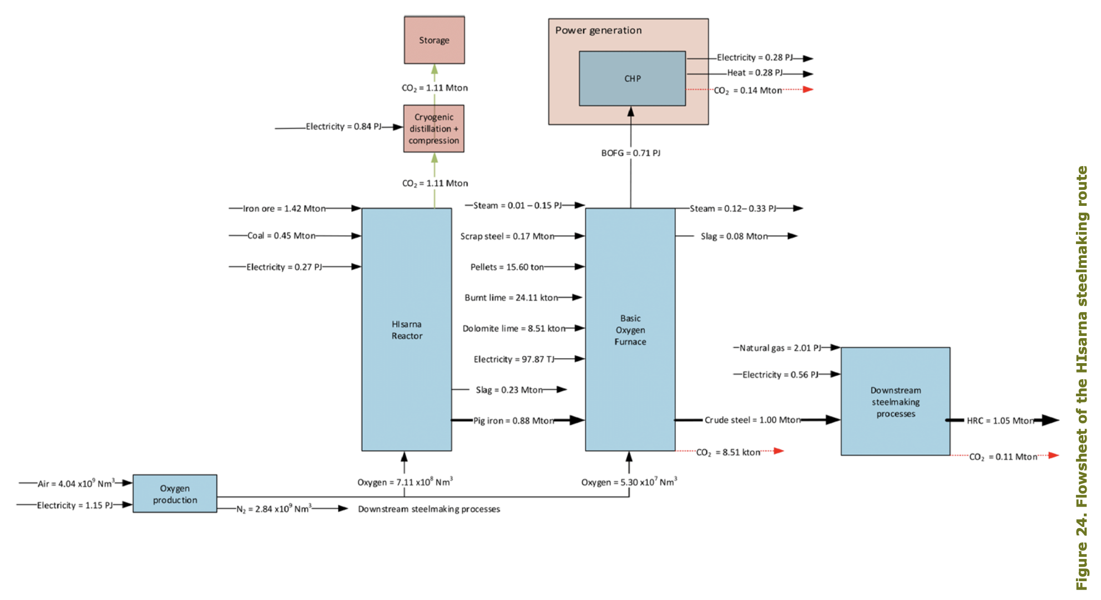
PBL & ECN/TNO (2019) - Decarbonisation options for the Dutch Steel Industry

 | Typical input shares for the Cyclone furnace process based on figure 24.
 | The input shares are calculated based on netto energy consumption.
 | Downstream steelmaking processes are included.

 |  | 0.1196777905639 | % | input.electricity
 |  | 0.7594936708861 | % | input.coal
 |  | 0.0000000000000 | % | input.hydrogen
 |  | 0.1208285385501 | % | input.network_gas
 |  | 0.0000000000000 | % | input.wood_pellets

 | PJ per MT steel (LHV); Including downstream processes
 |  | Cycloonoven | Midden
 |  | Electricity | 2.08
 |  | Coal | 13.2
 |  | Hydrogen | 0
 |  | Natural gas | 2.1
 |  | Wood pellets | 0
 |  | Totaal | 17.38

