Notes
Source | Page | Notes

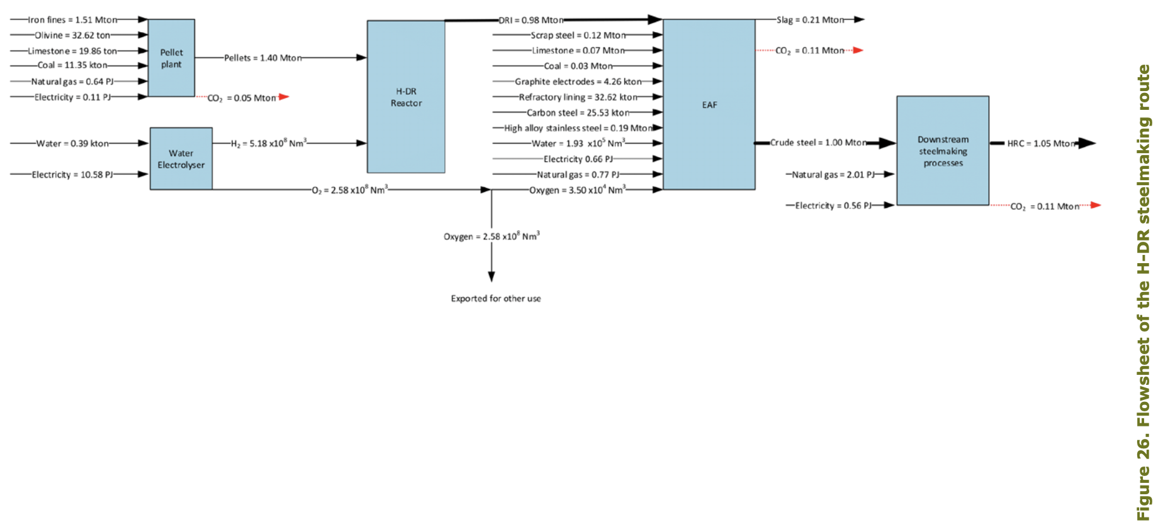
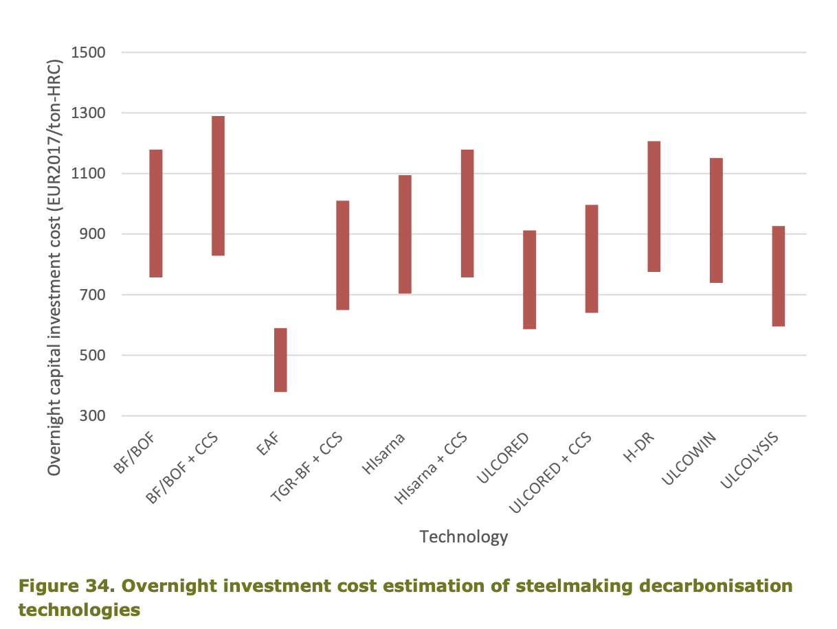
PBL & ECN/TNO (2019) - Decarbonisation options for the Dutch Steel Industry

 |  | Assuming an average initial investment based on the range in figure 34.
 |  | 995 | €/ton steel | overnight investment costs
 |  | 995000000 | €/Mton steel | initial investment

 |  | Assuming an average initial investment based on the range in figure 35.
 |  | 240 | €/ton steel | fixed O&M costs
 |  | 240000000 | €/Mton steel | fixed annual O&M costs

 |  | Assuming that all O&M costs are included in the Fixed O&M
 |  | 0 | €/ton steel | variable O&M costs
 |  | 0 | €/Mton steel | fixed annual O&M costs

 |  | 15 | years | life time

Assumptions

WACC used in industry |  | 4 | % | wacc
Estimation |  | 8000 | hours | full load hours

 |  | Assuming an output of 1 'PJ' or Mton steel
 |  | 34.722222222 | MW | output capacity
 |  | 0.0000036 | MWh to PJ conversion
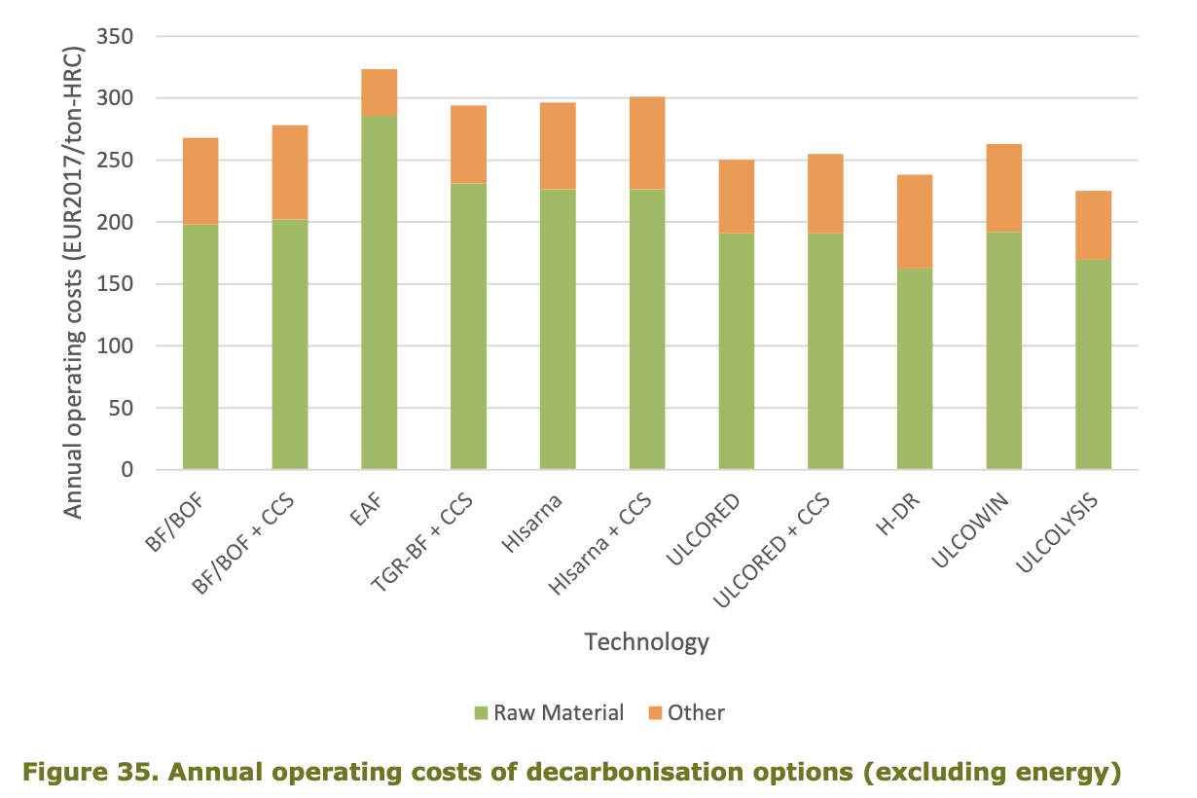
 |  | 100 | % | efficiency
 |  | 34.722222222 | MW | typical input capacity

