Notes
Source |  | Notes
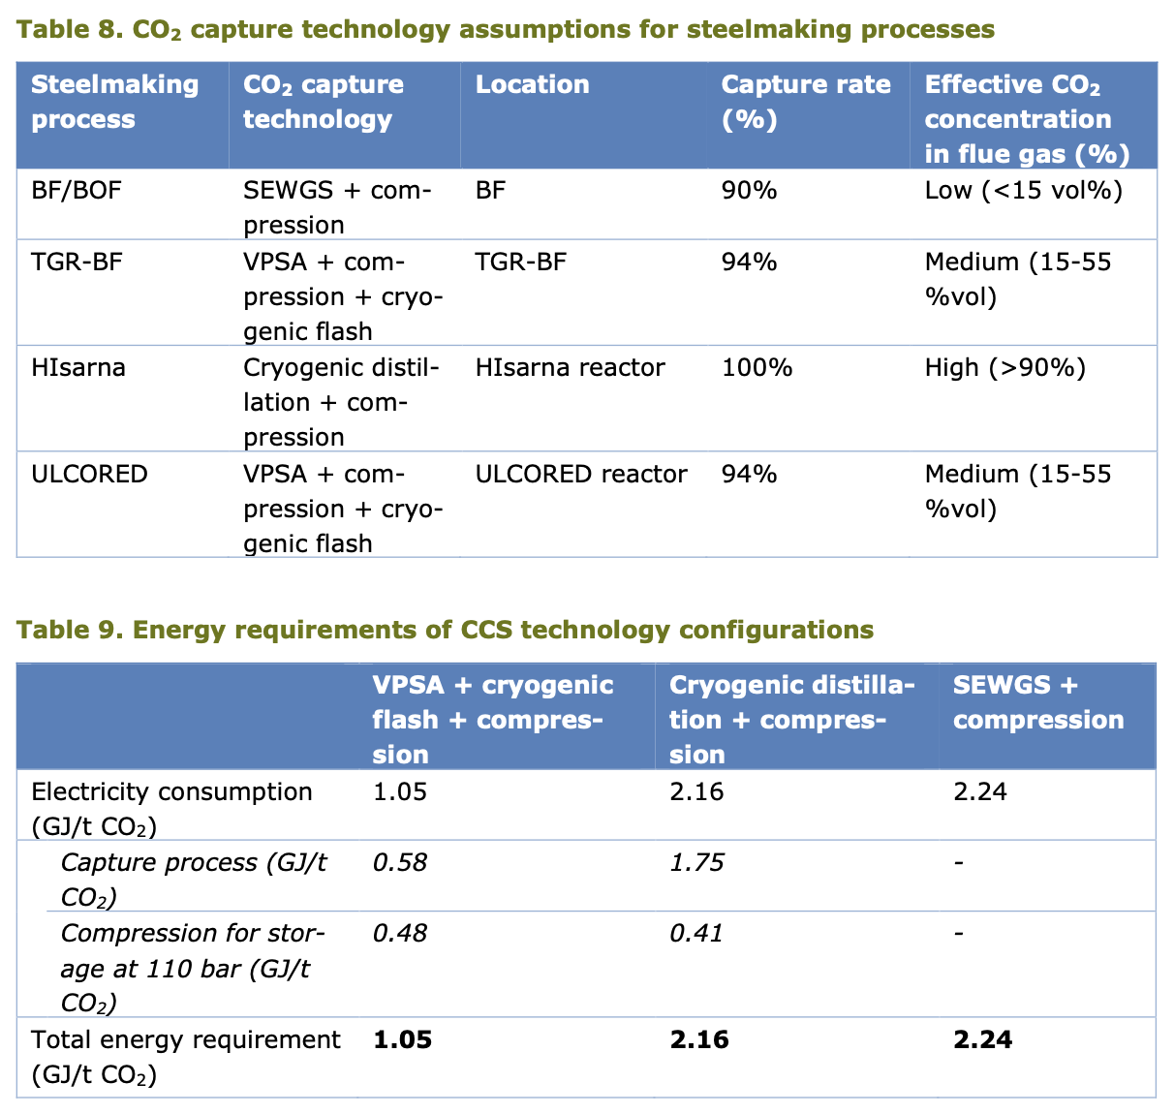

DRI network gas - ULCORED
Electricity demand total | 1.05 | GJ / t CO2
of which for compression | 0.48 | GJ / t CO2
of which for capture | 0.57 | GJ / t CO2

Total electricity demand for capture | 0.57 | MJ / kg CO2

