Notes
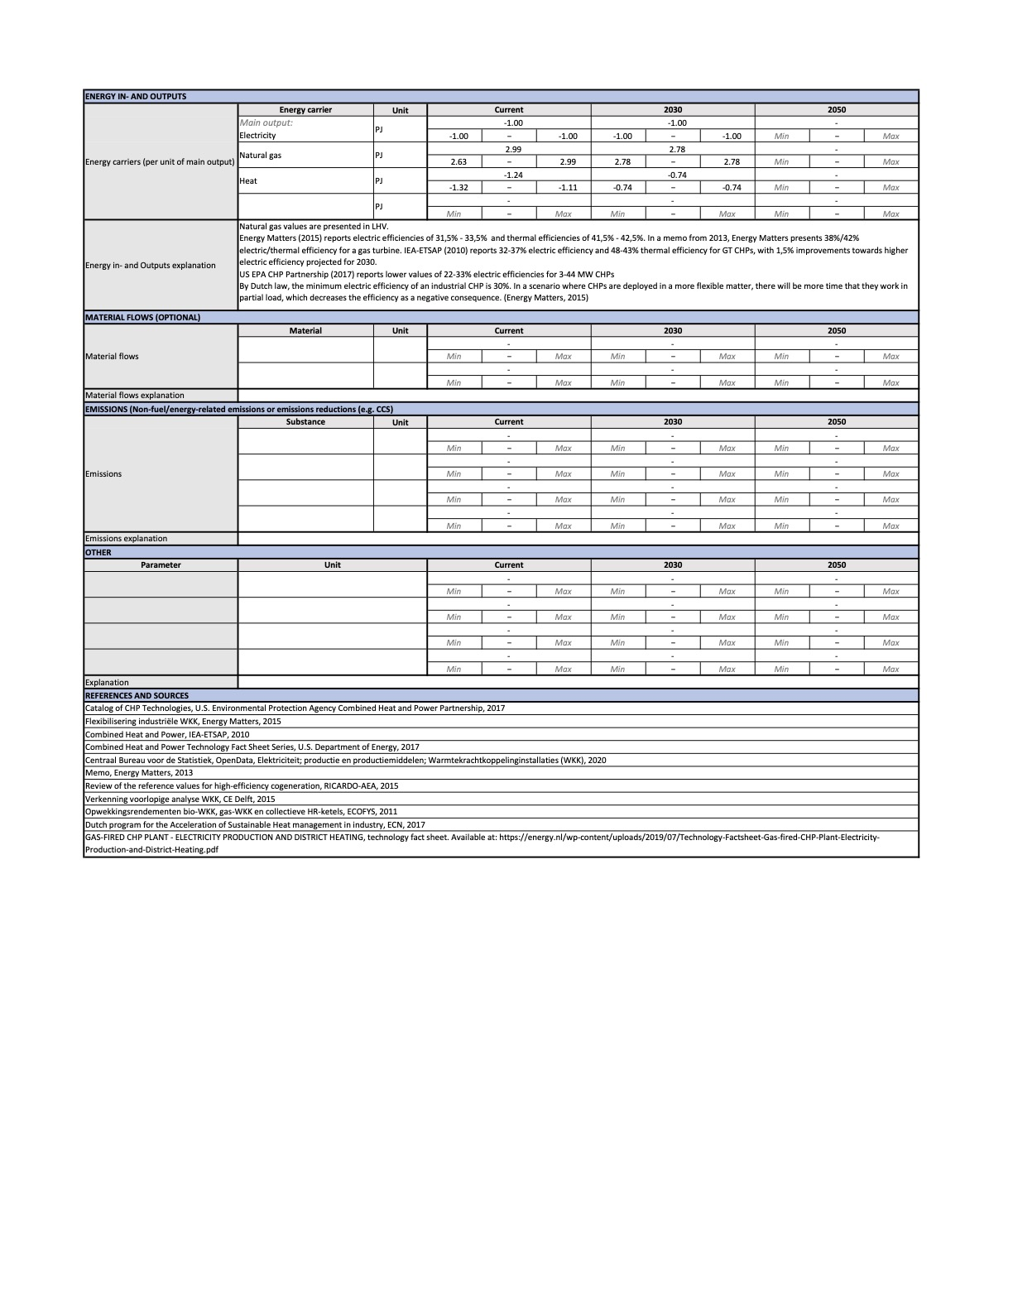
Source | Notes

TNO Technology factsheet

 | No data found for hydrogen turbine CHP specifically, therefore used the specs of a natural gas turbine CHP
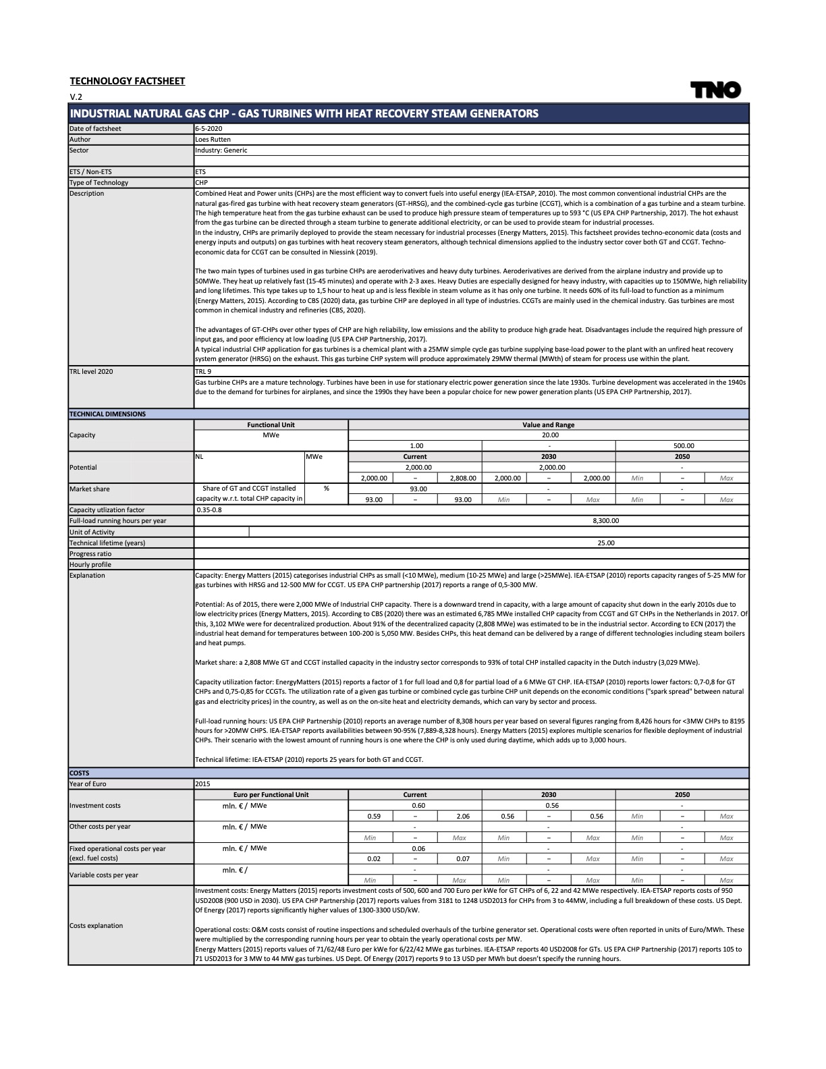
 | Typical input capacity | 59.8 | MW
 | Electricity output capacity | 20 | MW
 | Output electricity | 33%
 | Output heat | 41%

 | Technical lifetime | 25 | years

 | Initial investment costs | 0.6 | mln euro / MW
 | Fixed operational and maintenance costs | 0.06 | mln euro / MW / year
 | Initial investment costs | 12000000 | euro
 | Fixed operational and maintenance costs | 1200000 | euro / year
 | Variable operational and maintenance costs | 0
 | Full load hours | 8300

