Notes
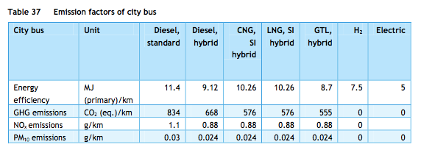
Sources | Notes

cedelft-ecn-tno |  | 5 | MJ/km
p.66 |  | 0.2 | km/MJ

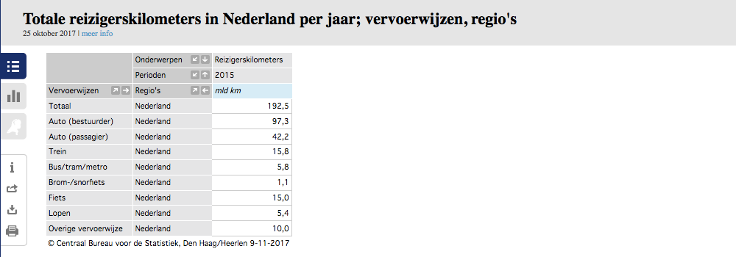

Eurostat | vehicle km | 624.8 | mln vehicle km
 |  | 624800000 | vehicle km
 | passenger km | 8.86 | mld passenger km
 |  | 8860000000.00 | passenger km
 |  |  |  |  |  | Reizigerskilometers: | 5.8 mld voor bus/tram/metro
 |  | 14.181 | passenger km/vehicle km |  |  |  | min 0.9 mld voor bus/tram.
 |  |  |  |  |  |  | Touringcars zitten hier nog niet bij, die vallen onder de categorie overige vervoerwijze bij CBS.
 |  |  |  |  |  |  | Schatting: dit gaat om 3.96 mld reizigerskilometers
 |  |  |  |  |  |  | Aanname is gebaseerd op: Totaal aantal touringcarkilometers is ongeveer 23% van het totaal aantal buskilometers (CBS). De bezettingsgraad van touring cars is ongeveer 3.5 keer hoger dan van lijnbussen (CE Delft). Dus we tellen 80% van de lijnbusreizigerskilometers op bij het totaal (+3.96)
 | output.passenger_kms | 2.8361075544 | passenger km/MJ |  | cedelft-ecn-tno

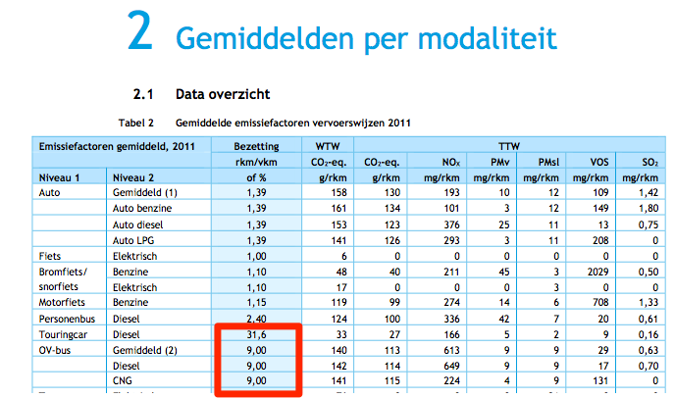

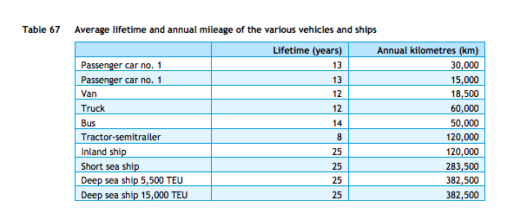

cedelft-ecn-tno
p.87

14 | yr

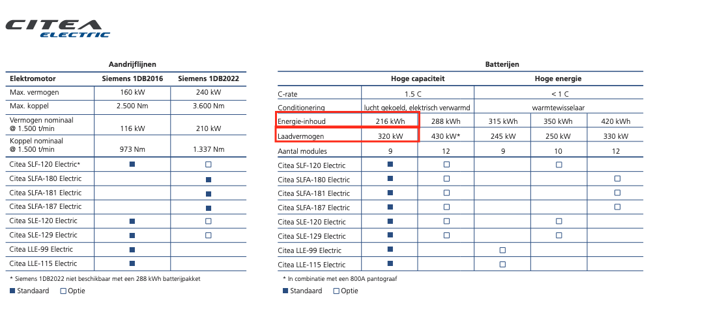
VDL Citea busses
p.23

 | storage.volume | 216 | kWh
 |  | 0.216 | MWh
 | typical_input_capacity | 320 | kW
 |  | 0.32 | MW
 | electricity_output_capacity | 0.32 | MW | assumption: input capacity = output capacity

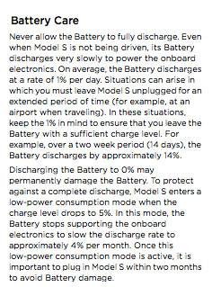
Tesla model s owner's manual
p 6.4
Decay assumed to be the same as for lithium-ion battteries in cars as decay depends on battery type, not vehicle

 | storage decay per month | 4.0%
 | storage decay per hour | 0.0054867%

