Notes
Sources | Notes
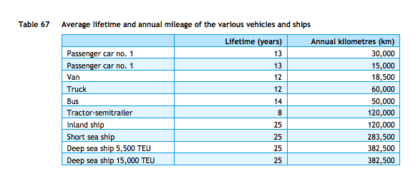

cedelft-ecn-tno
p.87

12 | yr

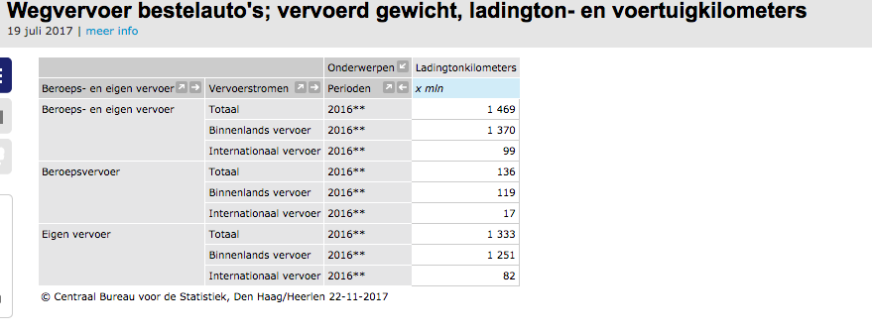

cedelft-ecn-tno
p66
 | truck | 5.22 | MJ/km
 |  | 0.19157088123 | km/MJ
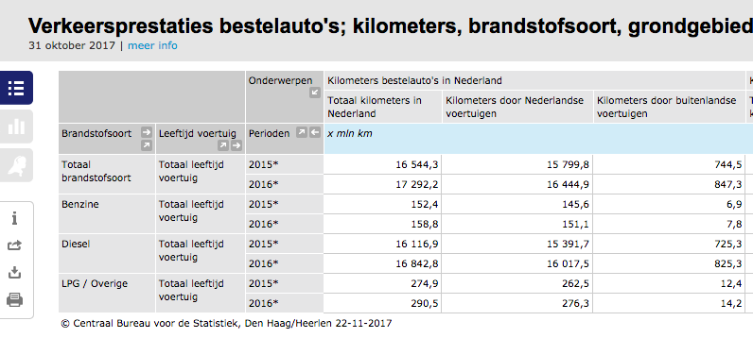

 | van | 1.396472478 | MJ/km
 |  | based on relative efficiencies electric passenger cars, see NL 2015 source analysis for details

 | weighted efficiency | 2.5580839748 | MJ/km
 |  | 0.39091758122 | km/mj

 | truck kms | 7546 | mln |  | Eurostat | Note: Eurostat freight transport excludes all vehicles < 3.5 tonne.
 | truck tonne kms | 68900 | mln |  | Eurostat
 | van kms | 17292.2 | mln |  | CBS | Note: used 2016 data since tonne kms is only available for 2016. Used van vehicle kms from different Statline than tonne kms since we are interested in all vehicle kms, not just loaded
 | van tonne kms | 1469 | mln |  | CBS | Note: used 2016 data since tonne kms is only available for 2016

Eurostat |  | 7546 | mln vehicle km
 |  | 7546000000 | vehicle km
 |  | 68900 | mln tonne km
 |  | 68900000000.00 | tonne km

 |  | 9.131 | tonne km/vehicle km

 | output.freight_tonne_kms | 1.7491695887 | tonne km/MJ |  | cedelft-ecn-tno

 | Note: vans are no longer part of trucks in the ETM
 | Weighted average is therefore no longer used
 | Only truck data is used

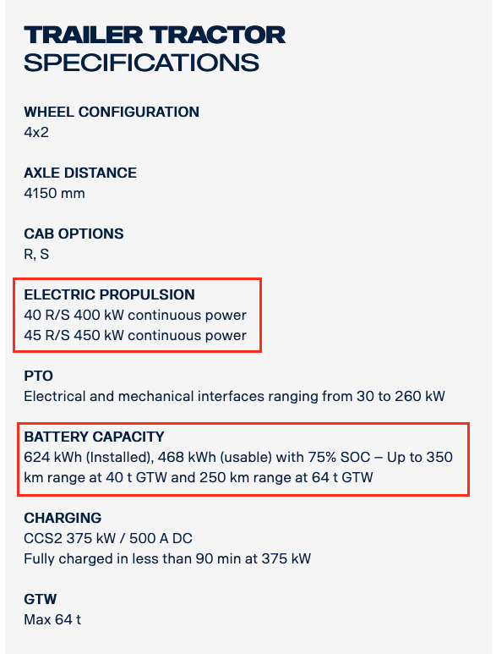
Scania technical specs

 | storage.volume | 624 | kWh
 |  | 0.624 | MWh
 | electricity_output_capacity | 375 | kW | charging
 |  | 0.375 | MW
 | typical_input_capacity | 0.375 | MW | assumption: output capacity = input capacity

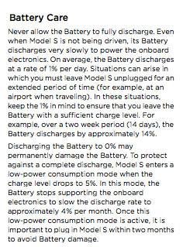
Tesla model s owner's manual
p 6.4
Decay assumed to be the same as for lithium-ion battteries in cars as decay depends on battery type, not vehicle

 | storage decay per month | 4.0%
 | storage decay per hour | 0.0054867%

