Industry analysis
Chemical industry
Data | Value | Unit | Source | Comment | Figure A: energy flows for the municipality of Emmen
Network gas demand GETEC (2020) | 110000000 | m3 | Expert judgement from Emmen municipality (November 2024) | GETEC is a chemical industry cluster in the municipality of Emmen. It is the most important production site for the chemical industry | Source: https://refman.energytransitionmodel.com/publications/2209
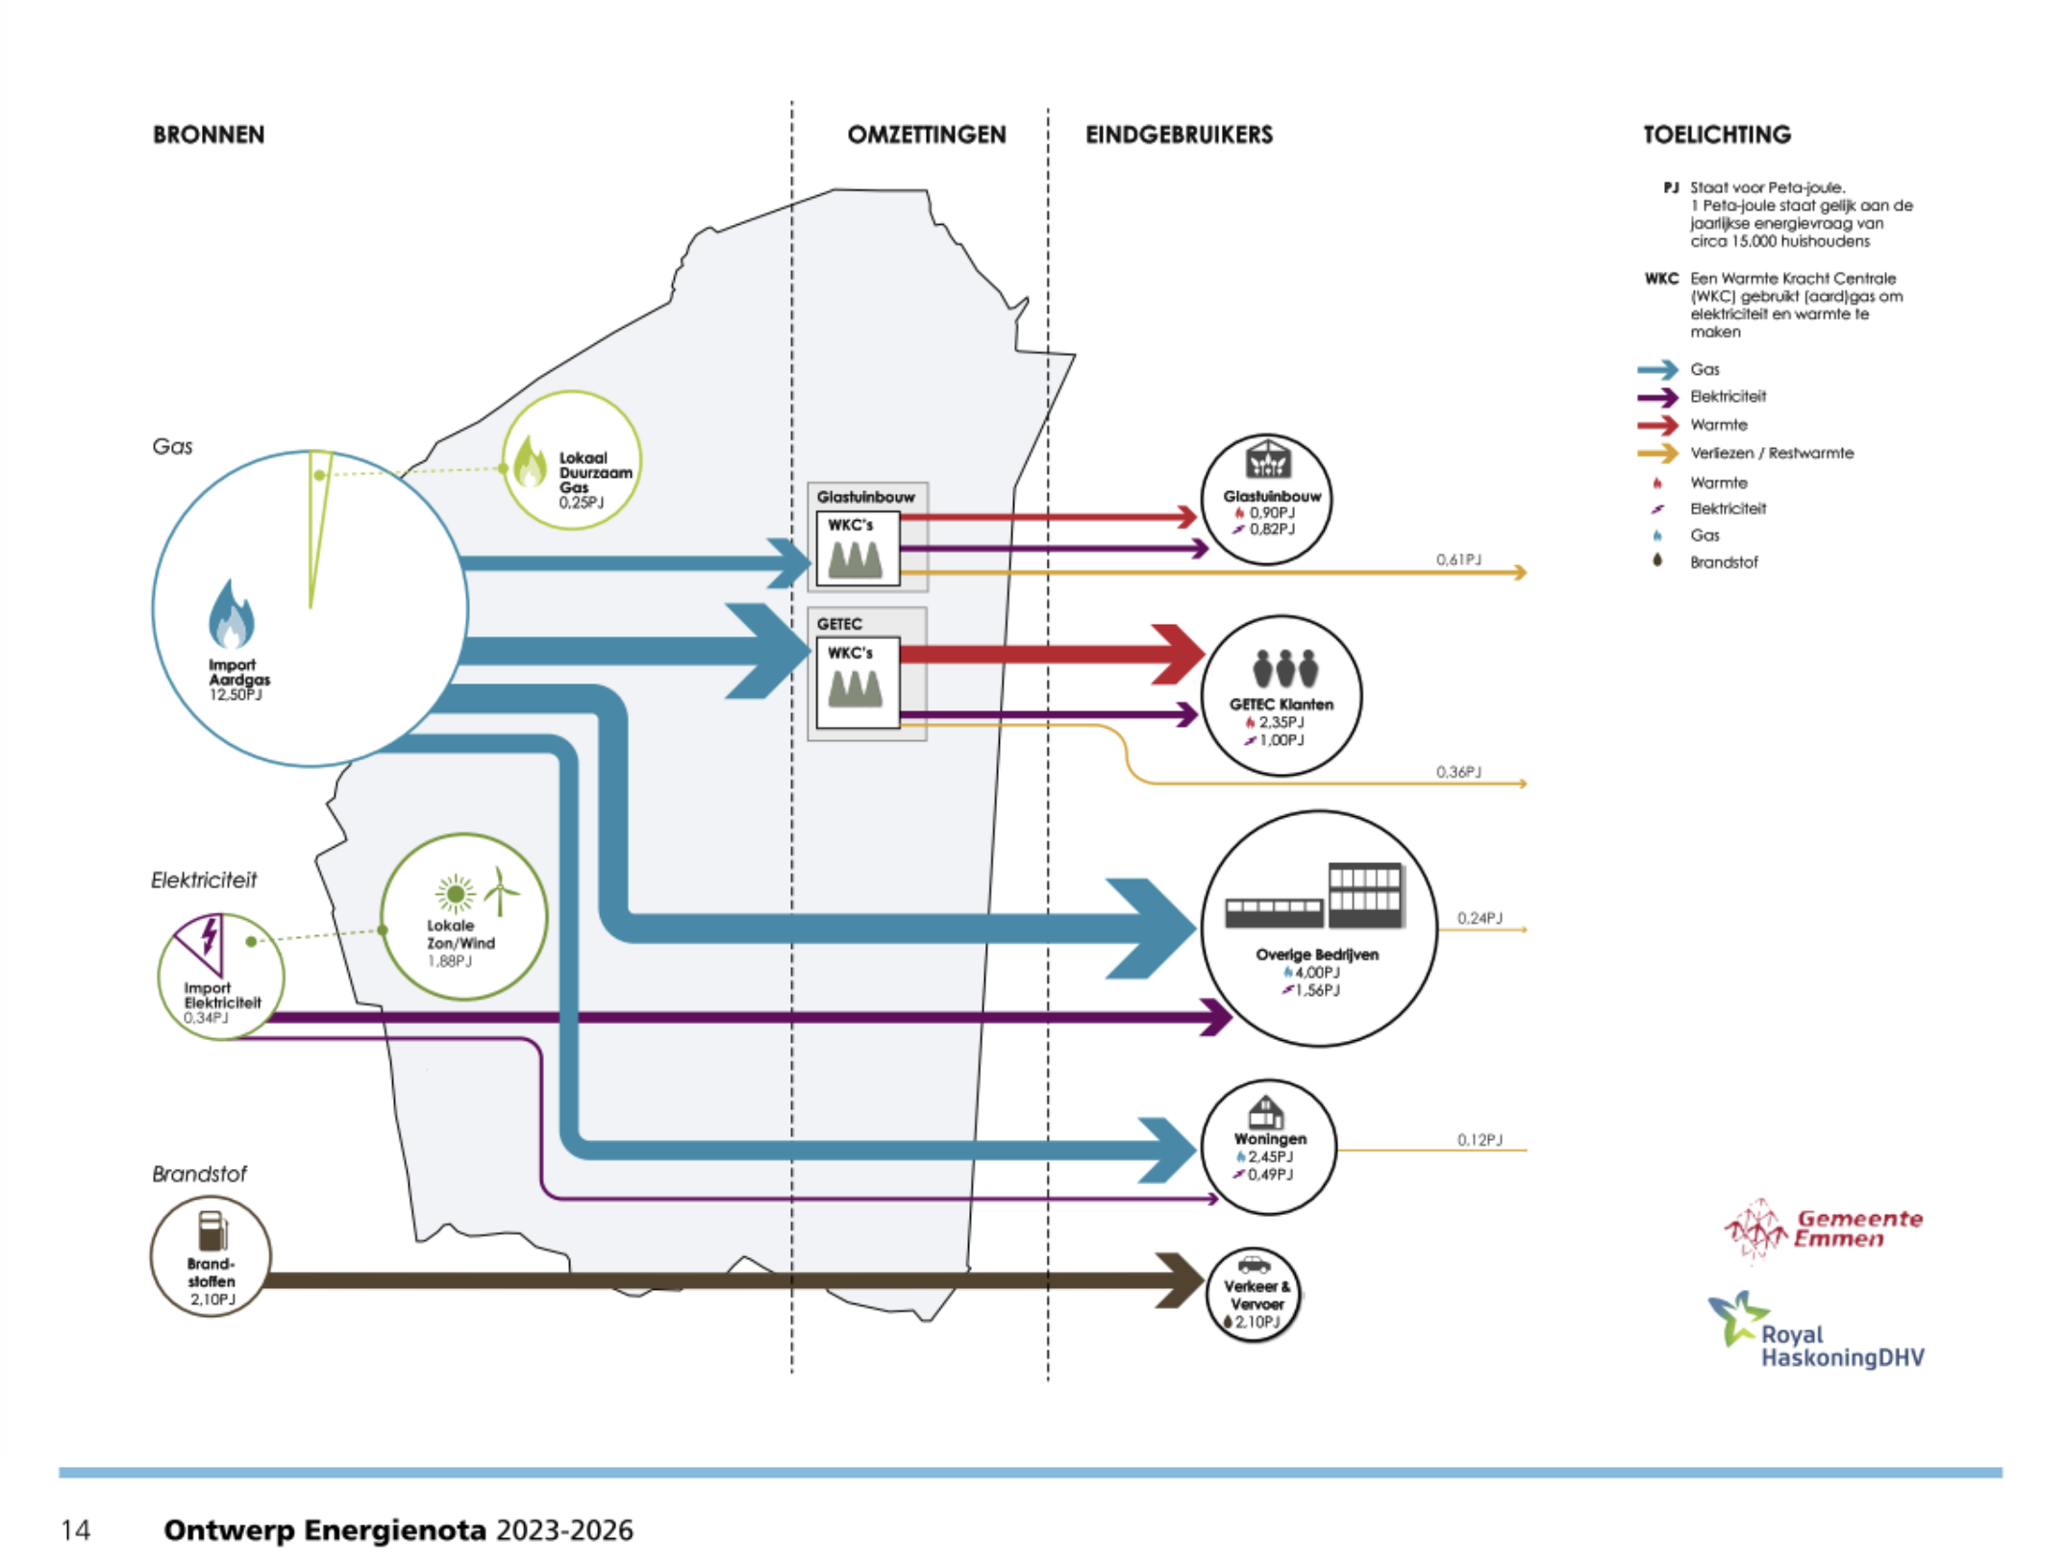
Energy content natural gas | 37.968561064 | MJ/kg | ETSource (retrieved 09-12-2024)
Density | 0.000827 | kg/L | ETSource (retrieved 09-12-2024)
conversion factor | 1000 | L/m3
conversion factor TJ | 0.000001 | TJ/MJ
CHP gas turbine fuel input | 3454 | TJ

GETEC heat demand | 2.35 | PJ | See figure A
Final demand steam hot water | 2350 | TJ
CHP gas turbine heat efficiency | 68.037058 | %

Electricity demand GETEC | 1 | PJ | Figure A
Electricity demand Chemical other | 1000 | TJ

CHP gas turbine electricity efficiency | 28.951940 | %

input_industry_chemical_other_network_gas_demand | 0 | TJ | Replace final gas demand with steam hot water demand

Other industry
Data | Value | Unit | Source | Comment
Network gas demand 'Overige bedrijven' | 4 | PJ | Figure A | Overige bedrijven' includes the ETM's Buildings and Other industry
Network gas demand ETM's Buildings sector | 0.762 | PJ | Dataset manager | Retrieved 09-12-2024
Network gas demand Other Industry | 3238 | TJ

Electricity demand 'Overige bedrijven' | 1.56 | PJ | Figure A
Electricity demand ETM's Buildings sector | 0.44213 | PJ | Dataset manager | Retrieved 09-12-2024
Electricity demand Other Industry | 1118 | TJ

