Electricity
Final electricity demand | 15.40 | Uit ETM input analyse Paddepoel Noord v7

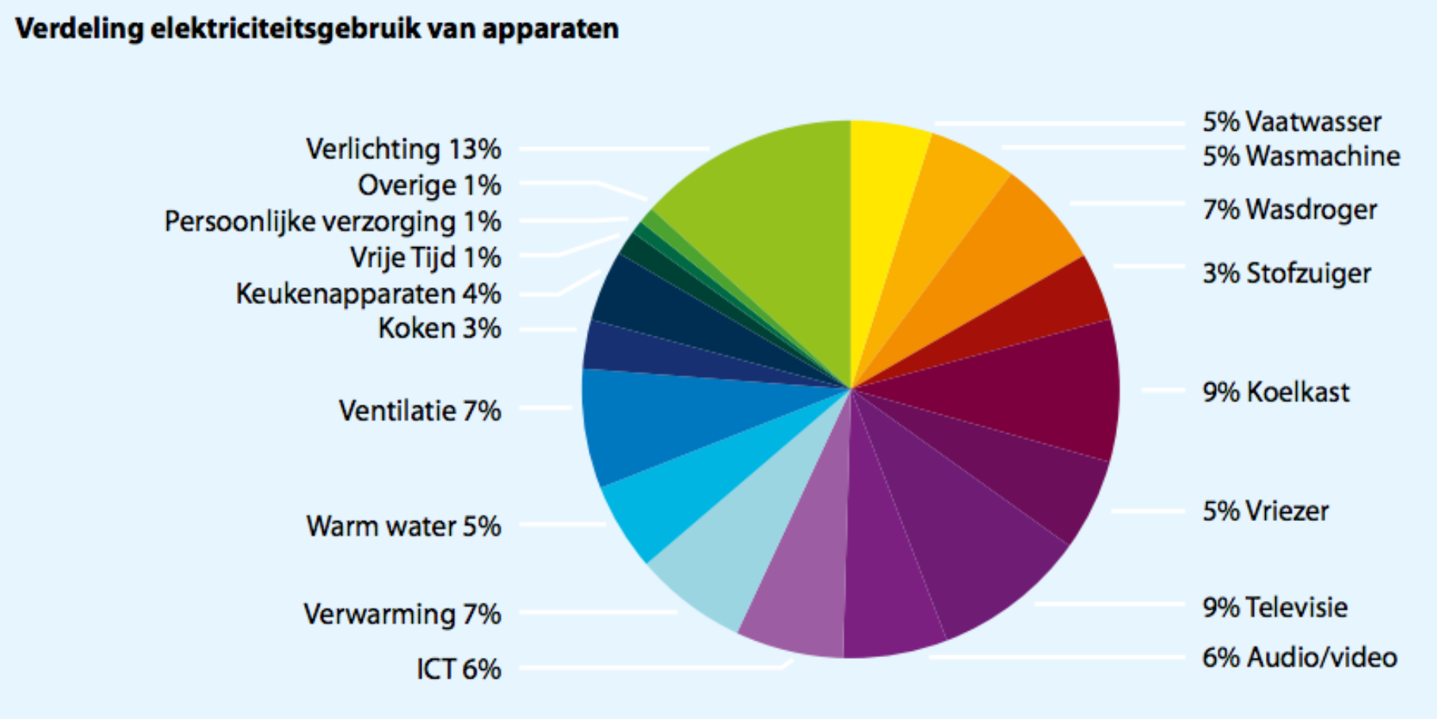
 | Enenrgietrends 2014
vaatwasser | 5.00%
wasmachine | 5.00%
wasdroger | 7.00%
stof. + rest | 3.00%
koelkast | 9.00%
vriezer | 5.00%
televisie | 9.00%
audio/video | 6.00%
ict | 6.00%
verwarming | 7.00%
warmwater | 5.00%
ventilatie | 7.00%
kookapp. | 3.00%
keukenapp. | 4.00%
vrije tijd | 1.00%
pers. verz. | 1.00%
overig | 1.00%
verlichting | 13.00% |  | Source: | Energietrends 2014, page 9 (ECN, Energie-Nederland en Netbeheer Nederland)
totaal |  |  | Hyperlink: | http://refman.et-model.com/publications/2027

The numbers from Energietrends 2014 need to be recast on the ETM categories.
As these numbers do not add up to 100%, they have to be corrected.

Category | Original data | Corrected data | Final electricity demand
Dishwasher | 5.00% | 5.15% | 0.79
Fridges / Freezers | 14.00% | 14.43% | 2.22
Washing Machines | 5.00% | 5.15% | 0.79
Dryers | 7.00% | 7.22% | 1.11
Television | 9.00% | 9.28% | 1.43
Computers / Media | 12.00% | 12.37% | 1.91
Vacuum Cleaners | 3.00% | 3.09% | 0.48
Others | 7.00% | 7.22% | 1.11

Space heating | 7.00% | 7.22% | 1.11
Hot water | 5.00% | 5.15% | 0.79
Lighting | 13.00% | 13.40% | 2.06
Cooking | 3.00% | 3.09% | 0.48
Cooling | 7.00% | 7.22% | 1.11

The numbers in red are used to the 'Final demand per energy carrier' sheet (use Trace Dependents to find their destination)

Heatpumps
Source: | IEA HPP Annex 42: Heat Pumps in Smart Grids,Task 1: Market Overview, The Netherlands, page 23 (Delta, 2014)
Hyperlink: | http://refman.et-model.com/publications/2029


 |  |  |  |  |  |  | Scaled on number of households in area Paddepoel N

 |  |  |  |  |  |  | # of households NPB | 2161
I have put the hybrids in the heat pump (air) category

Housingtype | Buildingstock | Total installed heat pumps | Hybrids | Electric air- water | Electric water - water | Final heat demand for space heating in GJ | Total final demand for space heating heat pumps (air) (GJ) | Total final demand for space heating heat pumps (ground) (GJ)
Free standing | 5 | 0.083 | 0.002 | 0.007 | 0.074 | 61 | 0.6 | 4.49
2^1 roof | 4 | 0.121 | 0.012 | 0.012 | 0.098 | 39 | 0.9 | 3.80
Terraced | 821 | 5.677 | 0.406 | 0.676 | 4.596 | 31 | 33.5 | 142.47
Multi family | 1331 | 8.022 | 0.286 | 2.865 | 4.870 | 16 | 50.4 | 77.92
Total tm 2012 | 2161 | 23.281 | 1.492 | 3.433 | 18.357 | 38
 |  |  |  |  |  | Total | 85.45 | 228.69

Housingtype | Buildingstock | Total installed heat pumps | Hybrids | Electric air- water | Electric water - water | Final heat demand for space heating in GJ | Total final demand for space heating heat pumps (air) (GJ) | Total final demand for space heating heat pumps (ground) (GJ)
Free standing | 1018251 | 17000 | 500 | 1500 | 15000 | 61 | 122000 | 915000
2^1 roof | 861520 | 26000 | 2500 | 2500 | 21000 | 39 | 195000 | 819000
Terraced | 3037564 | 21000 | 1500 | 2500 | 17000 | 31 | 124000 | 527000
Multi family | 2322665 | 14000 | 500 | 5000 | 8500 | 16 | 88000 | 136000
Total tm 2012 | 7240000 | 78000 | 5000 | 11500 | 61500 | 38
 |  |  |  |  |  | Total | 529000 | 2397000

