Notes
Source | Notes

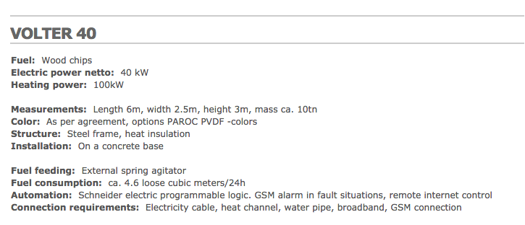
volter

 |  | 0.04 | MW

 |  | 2.5 | m
 |  | 6 | m

EnergiNet
p 80 | input capacity | 20 | MW
 | electricity output capacity | 2.7 | MWe
 | heat output capacity | 19.62 | MWth
 | Initial investment | 6.5 | M/MWe
 | Initial investment | 6500 | euro/KWe
 | El. efficiency | 13.5 | %
 | Heat Efficiency | 98.1 | %
 | Technical Lifetime | 25
 | Construction time | 1
 | Fixed O&M | 288900 | Euro/MWe/year
 | Fixed O&M | 288.9 | euro/KWe

 | Variable O&M | 7.8 | euro/MWh_e

