Notes
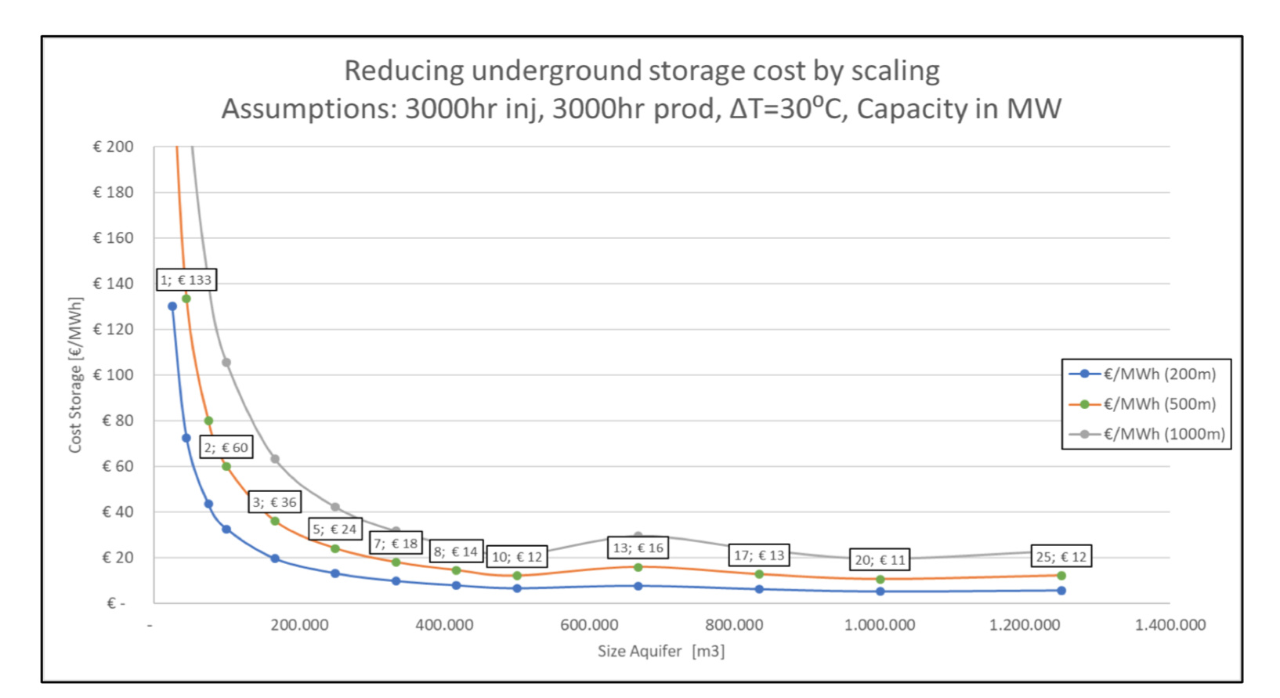
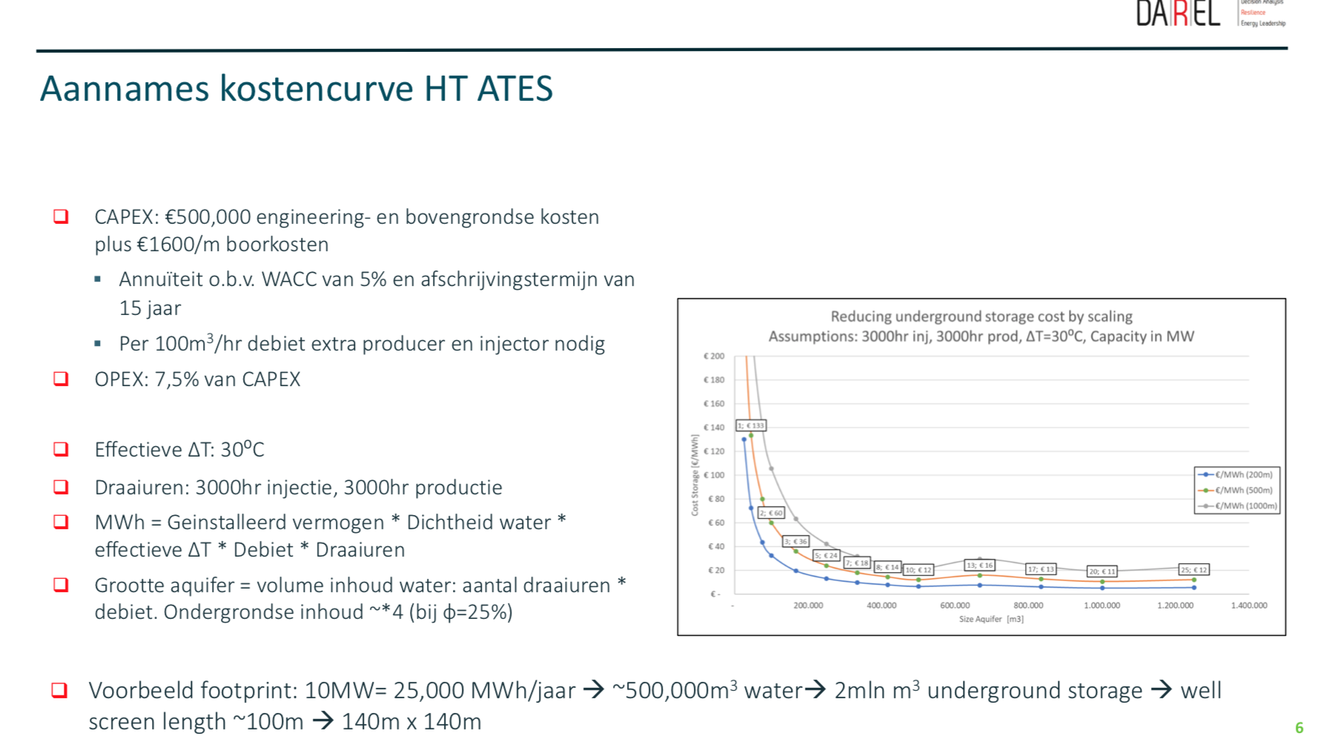
Source | Notes

bron: DAREL
Hogetemerpatuur Aquifer Thermal Storage (HT-ATES)

Vermogen en opslag volume van deze opslag volgt uit berekening wat nodig is
Daarom worden gemiddelde waarden aangenomen

 | cost_per_mwh | 20 | euro/MWh

