Notes
Source |  |  | Notes
The Si technology was chosen because is commercially available, and very common, and used in Fraunhofer, 2018
Solarworld

 |  | 1.6 | m2 | land_use_per_unit
 |  | 0.0000016 | km2 | definition

Fraunhofer 2018
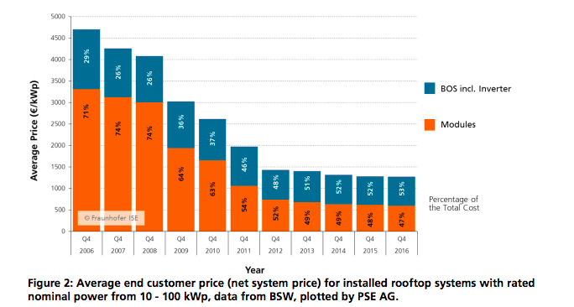

 | p. 9

 |  |  | 1300 | euro/kwp
 |  |  |  | initial_investment + installing_cost

 |  |  | 689 | euro/kwp | modules
 |  |  | 611 | euro/kwp | BOS, inverter, instal.
 |  |  | 501 | euro/kwp | Bos incl instal | calculated
 |  |  | 110 | euro/kwp | Inverter | from Fraunhofer 2015

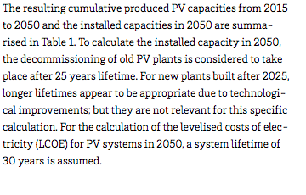

 | p.21

 |  | 25 | yrs | technical_lifetime
 |  |  |  | average

 | p.40

 |  | 0.272 | kWp/panel | output.electricity

 |  |  | Approximately the weighted average
 |  |  | of mono- and multi crystalline Si
 |  |  | modules
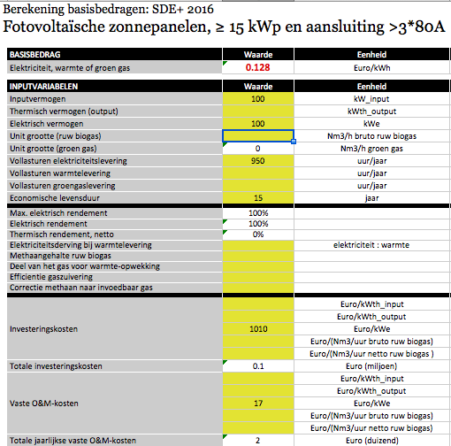
 |  |  | This efficiency equals the power output per surface
 |  |  | area (kWp/m2) for standard testing conditions (STC):
 |  |  | Hit by a perpendicular, 1000W/m2 intense bundle
 |  |  | of artificial sunlight. Hence, the efficiency times
 |  |  | this 1.0 kWp/m2 intensity gives the output capacity:

 |  | 0.17 | kWp/m2 | electricity output capacity

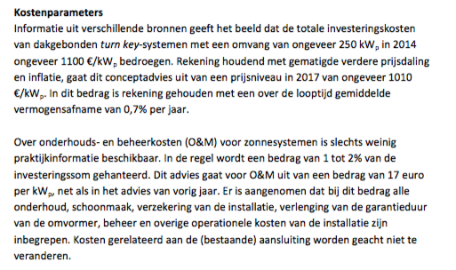

ECN

 |  | 17 | EUR/kWp | fixed o&m/year

 |  |  | assumption: all o&m fixed

 |  | 0 | euro/kwp | variable o&m/flh

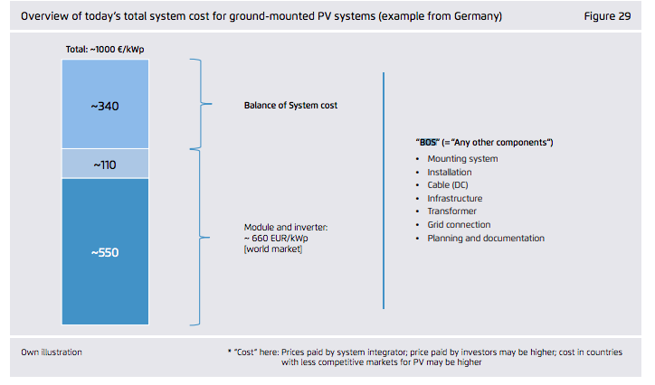
Fraunnhofer 2015

 |  |  | 110 | inverter
 |  |  | 340 | bos (incl installation)

