Notes
Sources | Page |  | Notes

EU JRC_201111_Well-to-wheel analysis of future automotive fuels and powertrains in the European context (version 3c) WTT Appendix 1
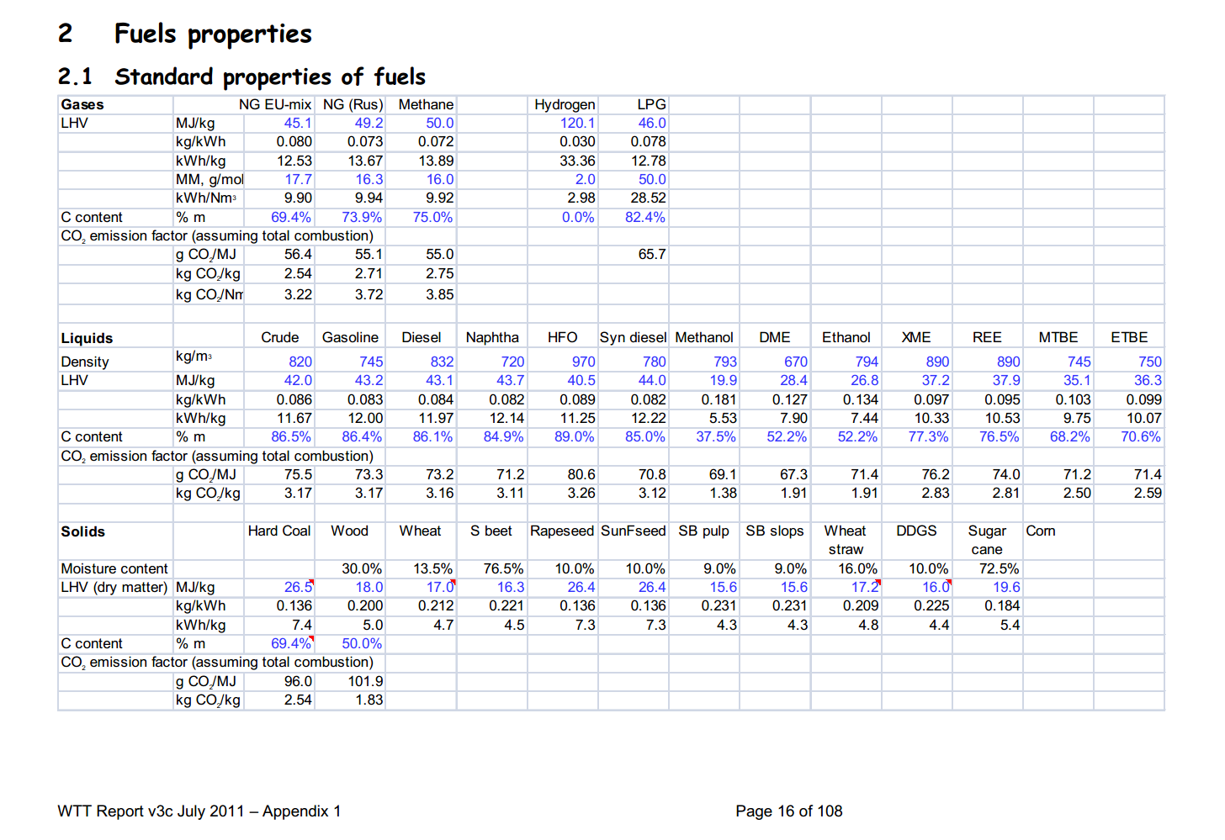

 |  |  | ethanol
 | 16 |  | 794 | kg/m3 | Density
 |  |  | 26.8 | MJ/KG | LHV
 |  |  | 0.794 | kg/dm3 | transform to kg/Liter
 |  |  | 21.2792 | MJ/L | LHV

 |  |  | gasoline
 |  |  | 745 | kg/m3 | Density
 |  |  | 43.2 | MJ/KG | LHV
 |  |  | 0.745 | kg/dm3 | transform to kg/Liter
 |  |  | 32.184 | MJ/L | LHV

 |  |  | E85

 |  |  | 15% |  | Gasoline ratio
 |  |  | 85% |  | ethanol ratio
 |  |  | 22.91492 | MJ/L | LHV E85

 |  |  | 1 | L | E85
 |  | contains | 0.15 | L | Gasoline
 |  | in energy | 4.8276 | MJ | Gasoline
 |  | weighing | 0.11175 | kg | Gasoline

 |  | contains | 0.85 | L | ethanol
 |  | in energy | 18.08732 | MJ | ethanol
 |  | weighing | 0.6749 | kg | ethanol

 |  | Total weight | 0.78665 | kg | E85
 |  | Total energy | 22.91492 | MJ | E85
 |  |  | 29.129752749 | MJ/kg | LHV E85

Sources | Page |  | Notes

Borjesson_2010_Agricultural crop-based biofuels.pdf

 | 111

 |  | sugar beet

 | 111

 | 112

 | 113

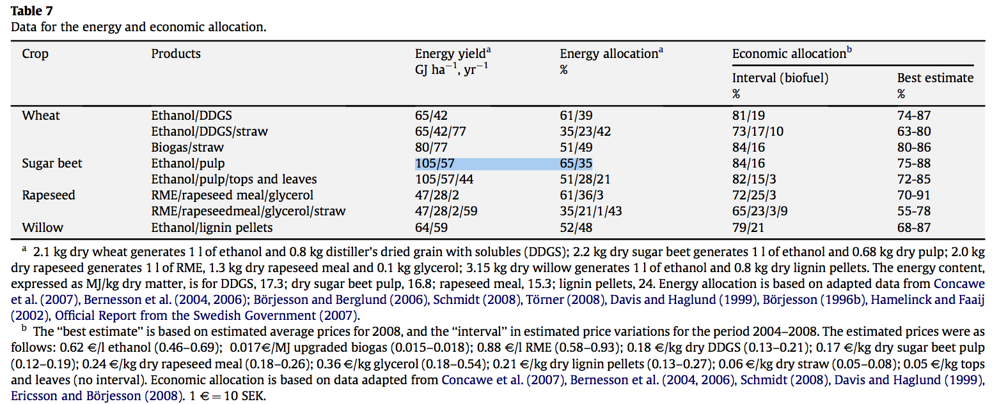
 | 114

 |  |  | 105 | GJ/ha/yr
 |  |  | 105000 | MJ/ha/yr
 |  |  | 10500000 | MJ/km2/yr

Sources | Page |  | Notes
BioEnergie Noord_200705_bioethanol_drieluik.pdf

 |  | Opbrengst:

 |  |  |  |  |  |  |  |  | Gewas | Yield (L/ha)
 |  |  |  |  |  |  |  |  | Bieten | 5900
 |  |  |  |  |  |  |  |  | Aardappelen | 5000
 |  |  |  |  |  |  |  |  | Maïs | 4000
 |  |  |  |  |  |  |  |  | Tarwe | 3200
 |  |  |  |  |  |  |  |  | Triticale | 2100

 |  | Warmte en E-vraag

 |  |  | MJth/L | W
 |  |  | kWhe/L | E

 |  | Kosten

 |  | Importtarieven in EU

 |  | EU productie

Sources | Page |  | Notes
http://en.wikipedia.org/wiki/Ethanol_fuel

Sources | Page |  | Notes
http://www.agriholland.nl/dossiers/biobrandstoffen/agrarischesector.html#mais

 |  | Opbrengst

 |  |  | Mais
 |  |  | 5000 | l/ha | bio-ethanol
 |  |  | 1.27 | soortelijke massa bio-ethanol (kg/L ratio)
 |  |  | 515620 | l/km2
 |  |  | 5156.2 | L/ha
 |  |  | 4060 | kg/ha
 |  |  | 406000 | kg/km2
 |  |  | 103 | GJ per hectare
 |  |  | 10300000 | GJ/km2
 |  |  | 0.025369458128 | GJ/kg | Energie waarde in Kg
 |  |  | 25.369458128 | MJ/kg | Energie waarde per liter
 |  |  | 19.975951282 | MJ/L

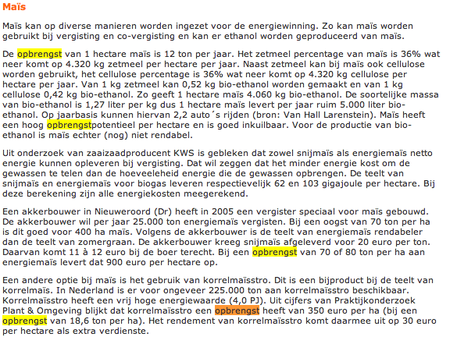

Sources | Page |  | Notes

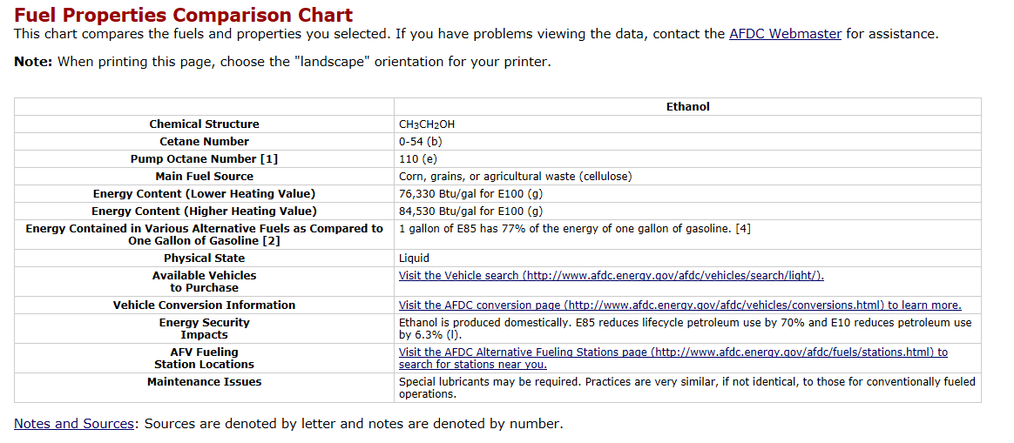
http://www.afdc.energy.gov/afdc/fuels/properties.html

 |  |  | 1055 | 1 BTU in joules per gallon
 |  |  | 3.78541178 | liter in a gallon

 |  | LowHeatingValue | 76330 | BTU/gal for E100, 100% bio-ethanol
 |  |  | 80528150 | joules per gallon
 |  |  | 80.52815 | MJ per gallon
 |  | energie dichtheid | 21.273286681 | MJ per Liter

Sources | Page |  | Notes
http://www.localenergy.org/pdfs/Document%20Library/Bioenergy%20conversion%20factors.pdf
 | 3
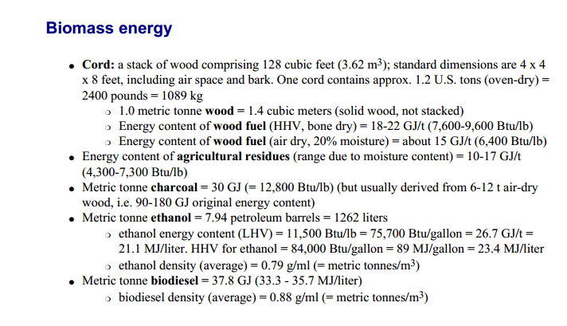
 |  | LHV | 21.1 | MJ/L
 |  | HHV | 23.4 | MJ/L

 |  | NB: 23,4: Deze waarde staat nu voor energiedichtheid, in deze bron is dezelfde waarde HHV

Sources | Page |  | Notes

CE_Delft_201109_Toelichting_ketenkentallen_incl_biodiesel_bio-ethanol_(LCA).pdf

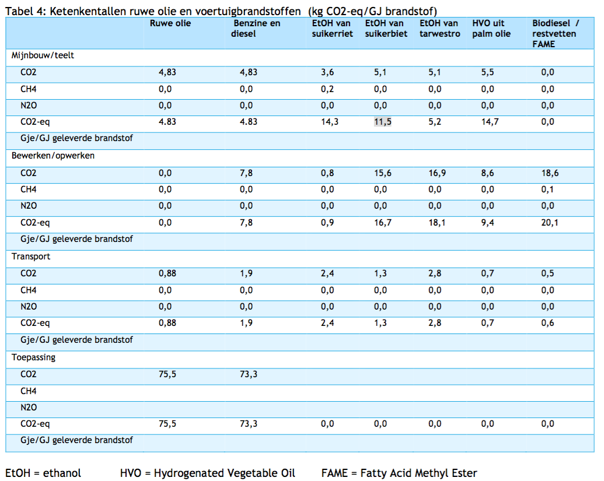

 | 12

 |  | from sugar beets
 |  | co2_exploration_per_mj |  |  | 0 | kg CO2 eq/GJ |  | not relevant
 |  | co2_extraction_per_mj |  |  | 11.5 | kg CO2 eq/GJ
 |  | co2_treatment_per_mj |  |  | 16.7 | kg CO2 eq/GJ
 |  | co2_transportation_per_mj |  |  | 1.3 | kg CO2 eq/GJ
 |  | co2_conversion_per_mj |  |  | 0 | kg CO2 eq/GJ
 |  | co2_waste_treatment_per_mj |  |  | 0 | kg CO2 eq/GJ |  | not relevant

 |  | co2_exploration_per_mj |  |  | 0 | kg CO2 eq/GJ |  | not relevant
 |  | co2_extraction_per_mj |  |  | 0.0115 | kg CO2 eq/GJ
 |  | co2_treatment_per_mj |  |  | 0.0167 | kg CO2 eq/GJ
 |  | co2_transportation_per_mj |  |  | 0.0013 | kg CO2 eq/GJ
 |  | co2_conversion_per_mj |  |  | 0 | kg CO2 eq/GJ
 |  | co2_waste_treatment_per_mj |  |  | 0 | kg CO2 eq/GJ |  | not relevant

 |  | from sugar cane
 |  | co2_exploration_per_mj |  |  | 0 | kg CO2 eq/GJ |  | not relevant
 |  | co2_extraction_per_mj |  |  | 14.3 | kg CO2 eq/GJ
 |  | co2_treatment_per_mj |  |  | 0.9 | kg CO2 eq/GJ
 |  | co2_transportation_per_mj |  |  | 2.4 | kg CO2 eq/GJ
 |  | co2_conversion_per_mj |  |  | 0 | kg CO2 eq/GJ
 |  | co2_waste_treatment_per_mj |  |  | 0 | kg CO2 eq/GJ |  | not relevant

 |  | co2_exploration_per_mj |  |  | 0 | kg CO2 eq/GJ |  | not relevant
 |  | co2_extraction_per_mj |  |  | 0.0143 | kg CO2 eq/GJ
 |  | co2_treatment_per_mj |  |  | 0.0009 | kg CO2 eq/GJ
 |  | co2_transportation_per_mj |  |  | 0.0024 | kg CO2 eq/GJ
 |  | co2_conversion_per_mj |  |  | 0 | kg CO2 eq/GJ
 |  | co2_waste_treatment_per_mj |  |  | 0 | kg CO2 eq/GJ |  | not relevant

Sources | Page |  | Notes

European Commission - Weekly Oil Bulletin
http://ec.europa.eu/energy/observatory/oil/bulletin_en.htm |  |  |  |  |  | Download the 'prices over time' excel (2005 onwards). Numbers below are for NL. Prices are calculated on monthly average (rolling basis).

 | Calculate monthly average
 | NL |  |  |  | Date | ExchangeRateTo € | Euro-super 95(I) excl tax | Euro-super 95(I) incl tax
 | No taxes |  |  |  |  |  | 1000L | 1000L
 |  | Gasoline | 519.130 | EUR/1000L | 2017-11-20 | 1.00000 | 534.67 | 1,591
 |  | Gasoline | 0.51913 | EUR/L | 2017-11-13 | 1.00000 | 546.24 | 1,605
 |  |  |  |  | 2017-11-06 | 1.00000 | 526.4 | 1,581
 | Incl taxes | Gasoline | 1572.200 | EUR/1000L | 2017-10-30 | 1.00000 | 501.61 | 1,551
 |  | Gasoline | 1.57220 | EUR/L | 2017-10-23 | 1.00000 | 486.73 | 1,533
 |  |  |  |  | 2016-02-01 | 1.00000 | 399.79 | 1,425
 | Taxes |  |  |  | 2016-01-25 | 1.00000 | 393.17 | 1,417
 | VAT | Gasoline | 21 | % | 2016-01-18 | 1.00000 | 402.27 | 1,428
 | Excise | Gasoline | 0.76607 | EUR/L | 2016-01-11 | 1.00000 | 417.14 | 1,446
 | Other indirect | Gasoline | 0.00800 | EUR/L | 2016-01-04 | 1.00000 | 412.18 | 1,440
 |  |  |  |  | 2015-12-14 | 1.00000 | 435.02 | 1,463
 | Check | Gasoline | 1.56477 | EUR/L (inc tax) | 2015-12-07 | 1.00000 | 452.38 | 1,484
 |  |  |  |  | 2015-11-30 | 1.00000 | 459.81 | 1,493
 |  |  |  |  | 2015-11-23 | 1.00000 | 469.73 | 1,505
 |  |  |  |  | 2015-11-16 | 1.00000 | 492.87 | 1,533
 |  |  |  |  | 2015-11-09 | 1.00000 | 478 | 1,515
 |  |  |  |  | 2015-11-02 | 1.00000 | 449.07 | 1,480
 |  |  |  |  | 2015-10-26 | 1.00000 | 439.98 | 1,469
 |  |  |  |  | 2015-10-19 | 1.00000 | 454.03 | 1,486
 |  |  |  |  | 2015-10-12 | 1.00000 | 462.29 | 1,496
 |  |  |  |  | 2015-10-05 | 1.00000 | 451.55 | 1,483
 |  |  |  |  | 2015-09-28 | 1.00000 | 463.12 | 1,497
 |  |  |  |  | 2015-09-21 | 1.00000 | 472.21 | 1,508
 |  |  |  |  | 2015-09-14 | 1.00000 | 481.3 | 1,519
 |  |  |  |  | 2015-09-07 | 1.00000 | 482.13 | 1,520
 |  |  |  |  | 2015-08-31 | 1.00000 | 482.95 | 1,521
 |  |  |  |  | 2015-08-24 | 1.00000 | 513.53 | 1,558
 |  |  |  |  | 2015-08-17 | 1.00000 | 542.46 | 1,593
 |  |  |  |  | 2015-08-10 | 1.00000 | 562.29 | 1,617
 |  |  |  |  | 2015-08-03 | 1.00000 | 573.86 | 1,631
 |  |  |  |  | 2015-07-27 | 1.00000 | 586.26 | 1,646
 |  |  |  |  | 2015-07-20 | 1.00000 | 599.48 | 1,662
 |  |  |  |  | 2015-07-13 | 1.00000 | 617.67 | 1,684
 |  |  |  |  | 2015-07-06 | 1.00000 | 601.14 | 1,664

Sources | Page |  | Notes

http://www.biotanken.nl/brandstoffen/bioethanol.html

 | Bio-ethanol |  | E85 | 85% bio-ethanol
 | Price |  |  | 15% unleaded gasoline
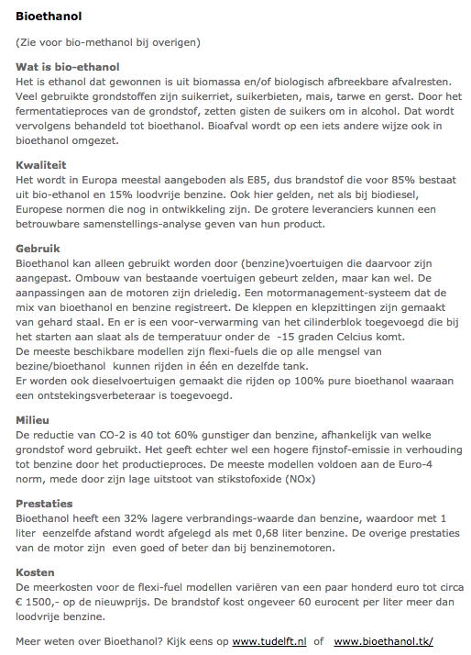
 |  |  | 0.6 | EUR/L
 |  |  | 1.57220 | EUR/L
 |  |  | 2.17220 | EUR/L

 |  |  | 0.76607 | EUR/L | price difference per liter E85 bio-ethanol with unleaded gasoline
 |  |  | 0.00800 | EUR/L | unleaded gasoline, pump prices (incl tax)
 |  |  | 21 | % | E85 estimated pump price (incl tax)

 |  |  |  |  | Excise rate
 |  |  |  |  | Oher indirect tax
 |  |  |  |  | VAT rate
 |  |  | 1.021137 | EUR/L
 |  |  | 0.044562084946 | EUR/MJ

 |  |  |  |  | E85 estimated pump price (Excl tax)

Sources | Page |  | Notes

IPCC_2006_Guidelines for National Greenhouse Gas Inventories - Vol 2 Energy - Ch 1 Introduction.pdf

 | 1.14 |  |  | definition biogasioline (includes bioethanol)

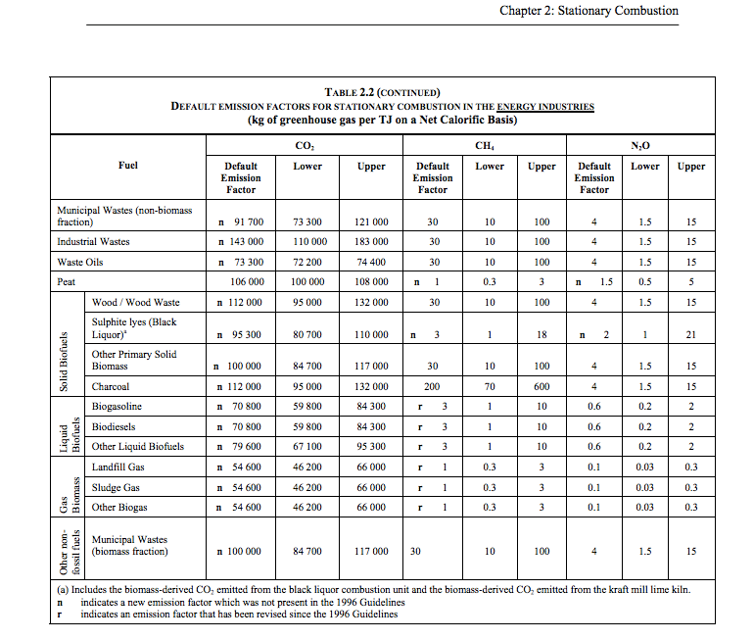

 |  | 1.23

 |  |  |  |  | 70800 | kg CO2/TJ | biogasoline
 |  |  |  |  | 1000000 | TJ/MJ
 |  |  |  |  | 0.0708 | kg CO2/TJ

