Applicance split
https://energiecijfers.databank.nl//jive?workspace_guid=69c47922-829b-4a2e-9079-9ebf29327929

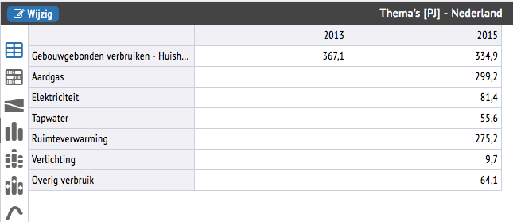

 |  |  | Tapwater vs space heating
 | Tapwater | 55.6 | 16.81%
 | Space heating | 275.2 | 83.19%
 | Lighting | 9.7
 | Other | 64.1

Electricity
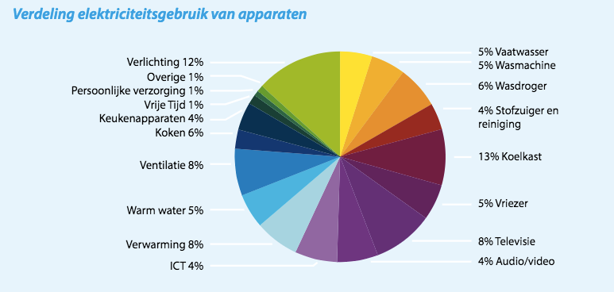
Final electricity demand | 81669.9 | IEA energy balance NL 2015

 | Enenrgietrends 2014
vaatwasser | 5.00%
wasmachine | 5.00%
wasdroger | 6.00%
stof. + rest | 4.00%
koelkast | 13.00%
vriezer | 5.00%
televisie | 8.00%
audio/video | 4.00%
ict | 4.00%
verwarming | 8.00%
warmwater | 5.00%
ventilatie | 8.00%
kookapp. | 6.00%
keukenapp. | 4.00%
vrije tijd | 1.00%
pers. verz. | 1.00%
overig | 1.00%
verlichting | 12.00% |  | Source: | Energietrends 2016, page 9 (ECN, Energie-Nederland en Netbeheer Nederland)
totaal |  |  | Hyperlink: | https://refman.energytransitionmodel.com/publications/2068

The numbers from Energietrends 2016 need to be recast on the ETM categories.

Category | Original data | Corrected data | Final electricity demand
Dishwasher | 5.00% | 5.00% | 4083.50
Fridges / Freezers | 18.00% | 18.00% | 14700.58
Washing Machines | 5.00% | 5.00% | 4083.50
Dryers | 6.00% | 6.00% | 4900.19
Television | 8.00% | 8.00% | 6533.59
Computers / Media | 8.00% | 8.00% | 6533.59
Vacuum Cleaners | 4.00% | 4.00% | 3266.80
Others | 7.00% | 7.00% | 5716.89

Space heating | 8.00% | 8.00% | 6533.59
Hot water | 5.00% | 5.00% | 4083.50
Lighting | 12.00% | 12.00% | 9800.39
Cooking | 6.00% | 6.00% | 4900.19
Cooling | 8.00% | 8.00% | 6533.59

The numbers in red are used to the 'Final demand per energy carrier' sheet (use Trace Dependents to find their destination)

Cooking
Source: | Correctie elektriciteitsverbruik koken, tabel 1, page 4 (ECN, 2014)
Hyperlink: | http://refman.et-model.com/publications/2028

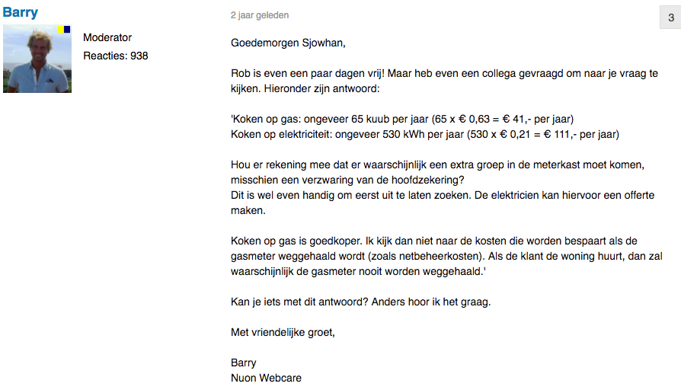

Value | Unit | Description | Source
530 | kWh | kWh electricity for cooking per household | https://forum.nuon.nl/energie-besparen-42/inductie-koken-versus-gas-koken-1906
0.00000360 | TJ/kWh |  | Physics
0.001908 | TJ | electricity per household for cooking
0.658 | - | average efficiency electrical devices
0.0012561 | TJ | demand for cooking/household
7,449,298 | # | number of households in the Netherlands | Area analysis
9357.0632178 | TJ | total UD for cooking
3225.96105 | TJ | UD with electricity
6131.1021678 | TJ | UD with gas
0.65523786952 | % | share of gas
15327.755419 |  | FD gas

Technology | Share of total | Technology efficiency | Relative final demand | Share of final demand electricity | Final electricity demand for cooking (TJ) | Final demand electricity(TJ) | Final demand gas (TJ) | UD [TJ] | UD shares
Electric stoves (resistance) | 0.02 | 0.55 | 0.036363636364 | 0.097328244275 | 4,900.19 | 476.93 |  | 262.31000324 | 3%
Electric halogen stoves | 0.16 | 0.60 | 0.26666666667 | 0.71374045802 |  | 3497.47 |  | 2098.480026 | 23%
Electric induction stoves | 0.06 | 0.85 | 0.070588235294 | 0.18893129771 |  | 925.80 |  | 786.93000973 | 8%
Gas stoves |  | 0.40 | 0.00 |  |  |  | 15327.76 | 6131.1021678 | 66%

Alternative calculation starting with gas use per household
Value | Unit | Description | Source
65 | m3 | m3 gas for cooking /household | https://forum.nuon.nl/energie-besparen-42/inductie-koken-versus-gas-koken-1906
0.00003165 | TJ/m3 | energy content of gas | ETM
0.00205725 | TJ | gas/household
0.0008229 | TJ | demand for cooking/household
7,449,298 | # | number of households in the Netherlands | Area analysis
6130.0273242 | TJ | total UD for cooking
0.65833333333 | % | average efficiency electrical devices
3225.96105 | TJ | UD with electricity
2904.0662742 | TJ | UD with gas
7260.1656855 |  | FD of gas
0.4737444257 | % | share of gas

Housing types
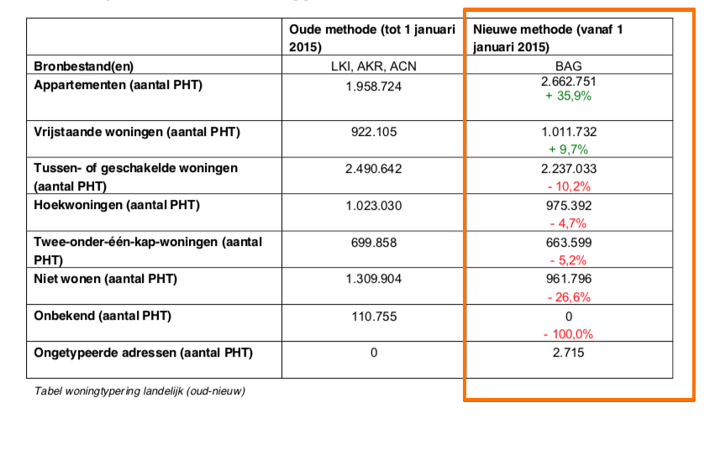
 | # | share
Apartments | 2662751 | 35.27%
Corner houses | 975392 | 12.92%
Detached houses | 1011732 | 13.40%
Semi-detached houses | 663599 | 8.79%
Terraced houses | 2237033 | 29.62%
Total | 7550507

 | m3 | TJ | TJ for space heating | natural gas TJ per m3 (LHV): | 0.00003165
Apartments | 840 | 0.026586 | 0.02212
Corner houses | 1430 | 0.0452595 | 0.03765
Detached houses | 2210 | 0.0699465 | 0.05819
Semi-detached houses | 1670 | 0.0528555 | 0.04397
Terraced houses | 1190 | 0.0376635 | 0.03133
Total | 7340

 |  |  |  |  |  | https://www.kadaster.nl/documents/20838/88047/Productbeschrijving+Woningtypering/a72e071a-e7af-4b93-aef2-a211de0f2056

 |  |  |  | http://statline.cbs.nl/Statweb/publication/?DM=SLNL&PA=81528NED&D1=0&D2=1-5&D3=0&D4=5&HDR=G1&STB=G2,G3,T&VW=T

