Notes
Sources | Attribute | Value | Unit | Notes

National Research Council |  |  |  |  | National Research Council
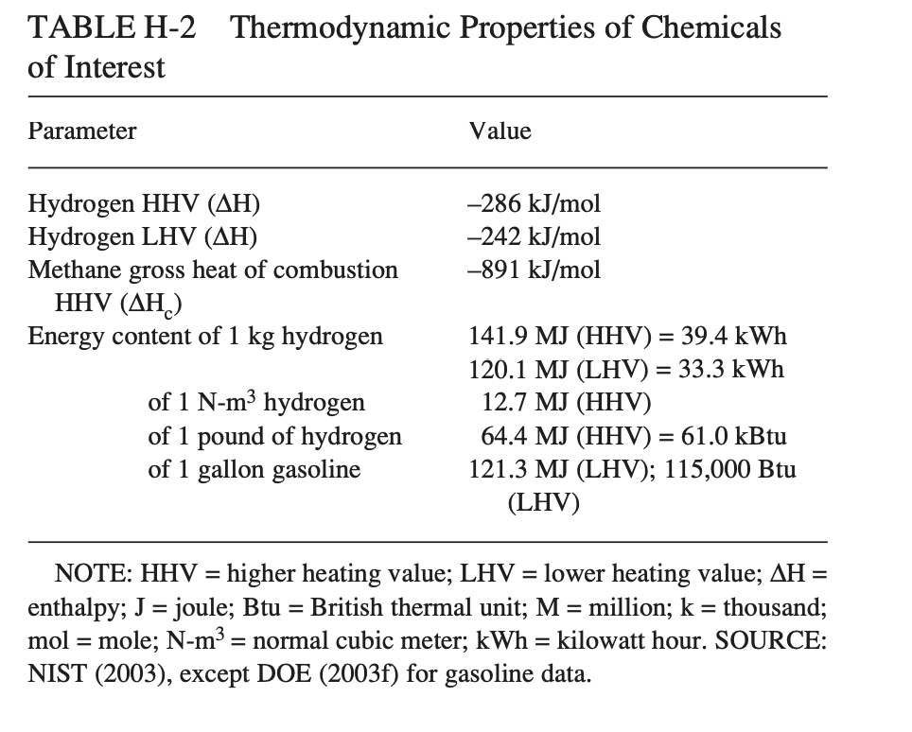
 | Energy density | 120.1 | MJ/kg | LHV

MDPI
 | LCA carbon of liquid hydrogen production | 4 | kgCo2/kgH2 | LHV
 | co2 conversion per MJ | 0.033305578684 | KgCo2/MJ | From renewable energy, so this co2 comes from the transport.
 | For consistency with imported hydrogen and imported ammonia this value is not used

Department of Energy
 | Production cost | 4.99 | $/kg | Levelized value (2018$/kg), only production and liquefaction costs are taken into account
 |  | 0.92 | €/$
 |  | 4.59 | €/kg
 |  | 0.03821815154 | €/MJ

 | For consistency with imported hydrogen and imported ammonia this value is not used

imported_hydrogen
 | cost_per_mj | 0.016711948376 | €/MJ
 | co2_conversion_per_mj | 0.078 | kg/MJ

IEA | Specs from imported_hydrogen are used and corrected for conversion losses

 |  |  |  |  |  |  |  | https://studenttheses.uu.nl/bitstream/handle/20.500.12932/42337/Report.pdf?sequence=1&isAllowed=y
 | Liquefaction losses | 0.80 | - | Conversion loss of gaseous hydrogen to liquid hydrogen | MDPI |  | LH CO2

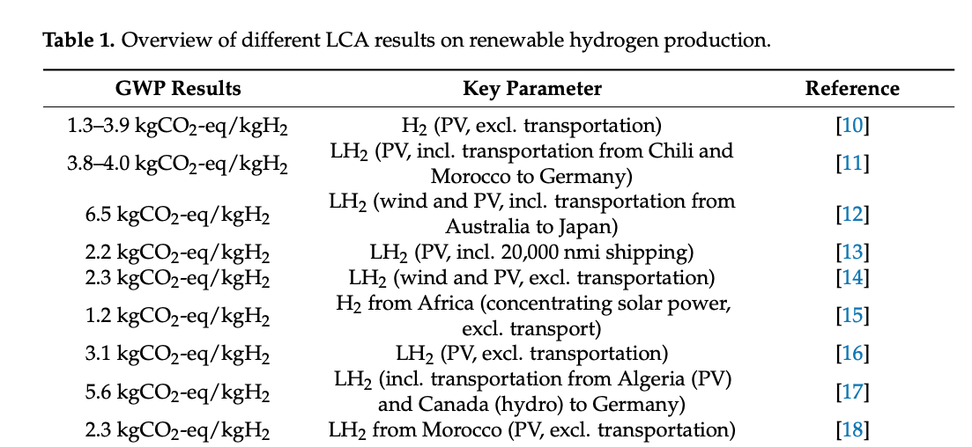
 | Liquid hydrogen costs | 0.0208899 | €/MJ | Estimated costs of hydrogen produced using SMR after liquefaction
 | Liquid hydrogen carbon intensity | 0.0975000 | kg CO2/MJ | Estimated direct emissions of hydrogen produced using SMR after liquefaction

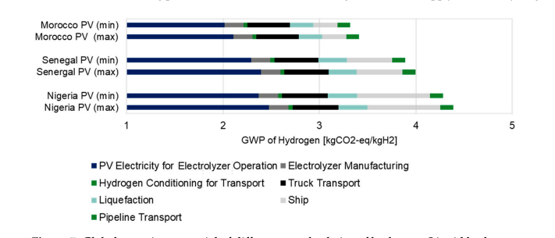

 |  |  |  |  |  | https://www.mdpi.com/2673-4141/4/4/48

 |  |  |  |  | Department of Energy | https://www.hydrogen.energy.gov/docs/hydrogenprogramlibraries/pdfs/19001_hydrogen_liquefaction_costs.pdf
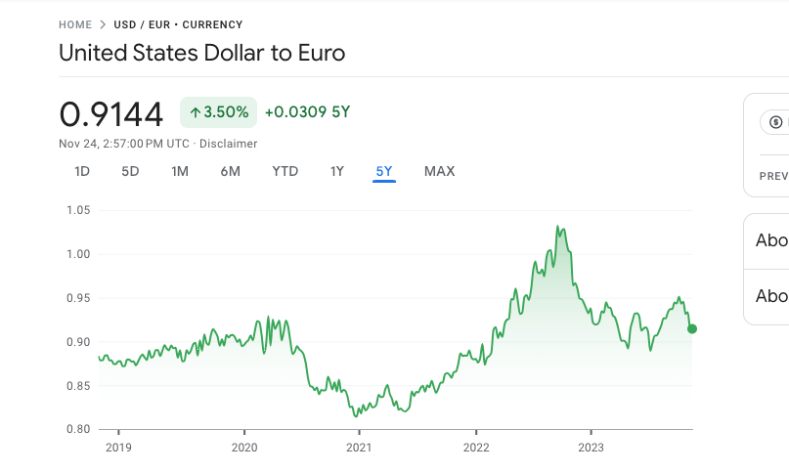

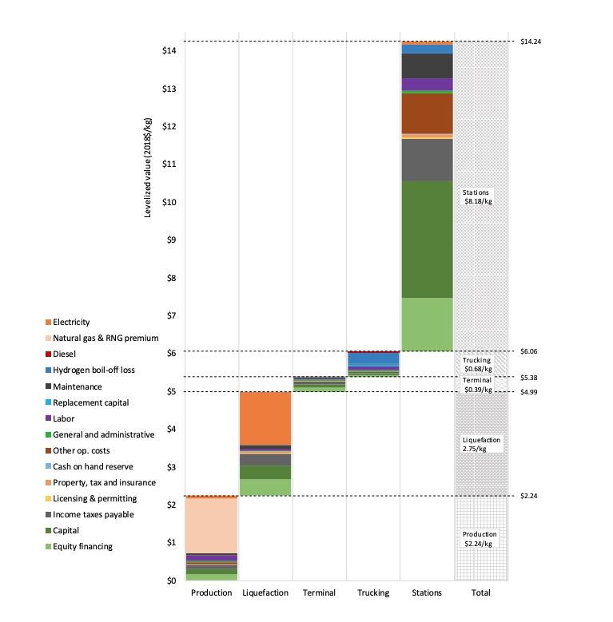

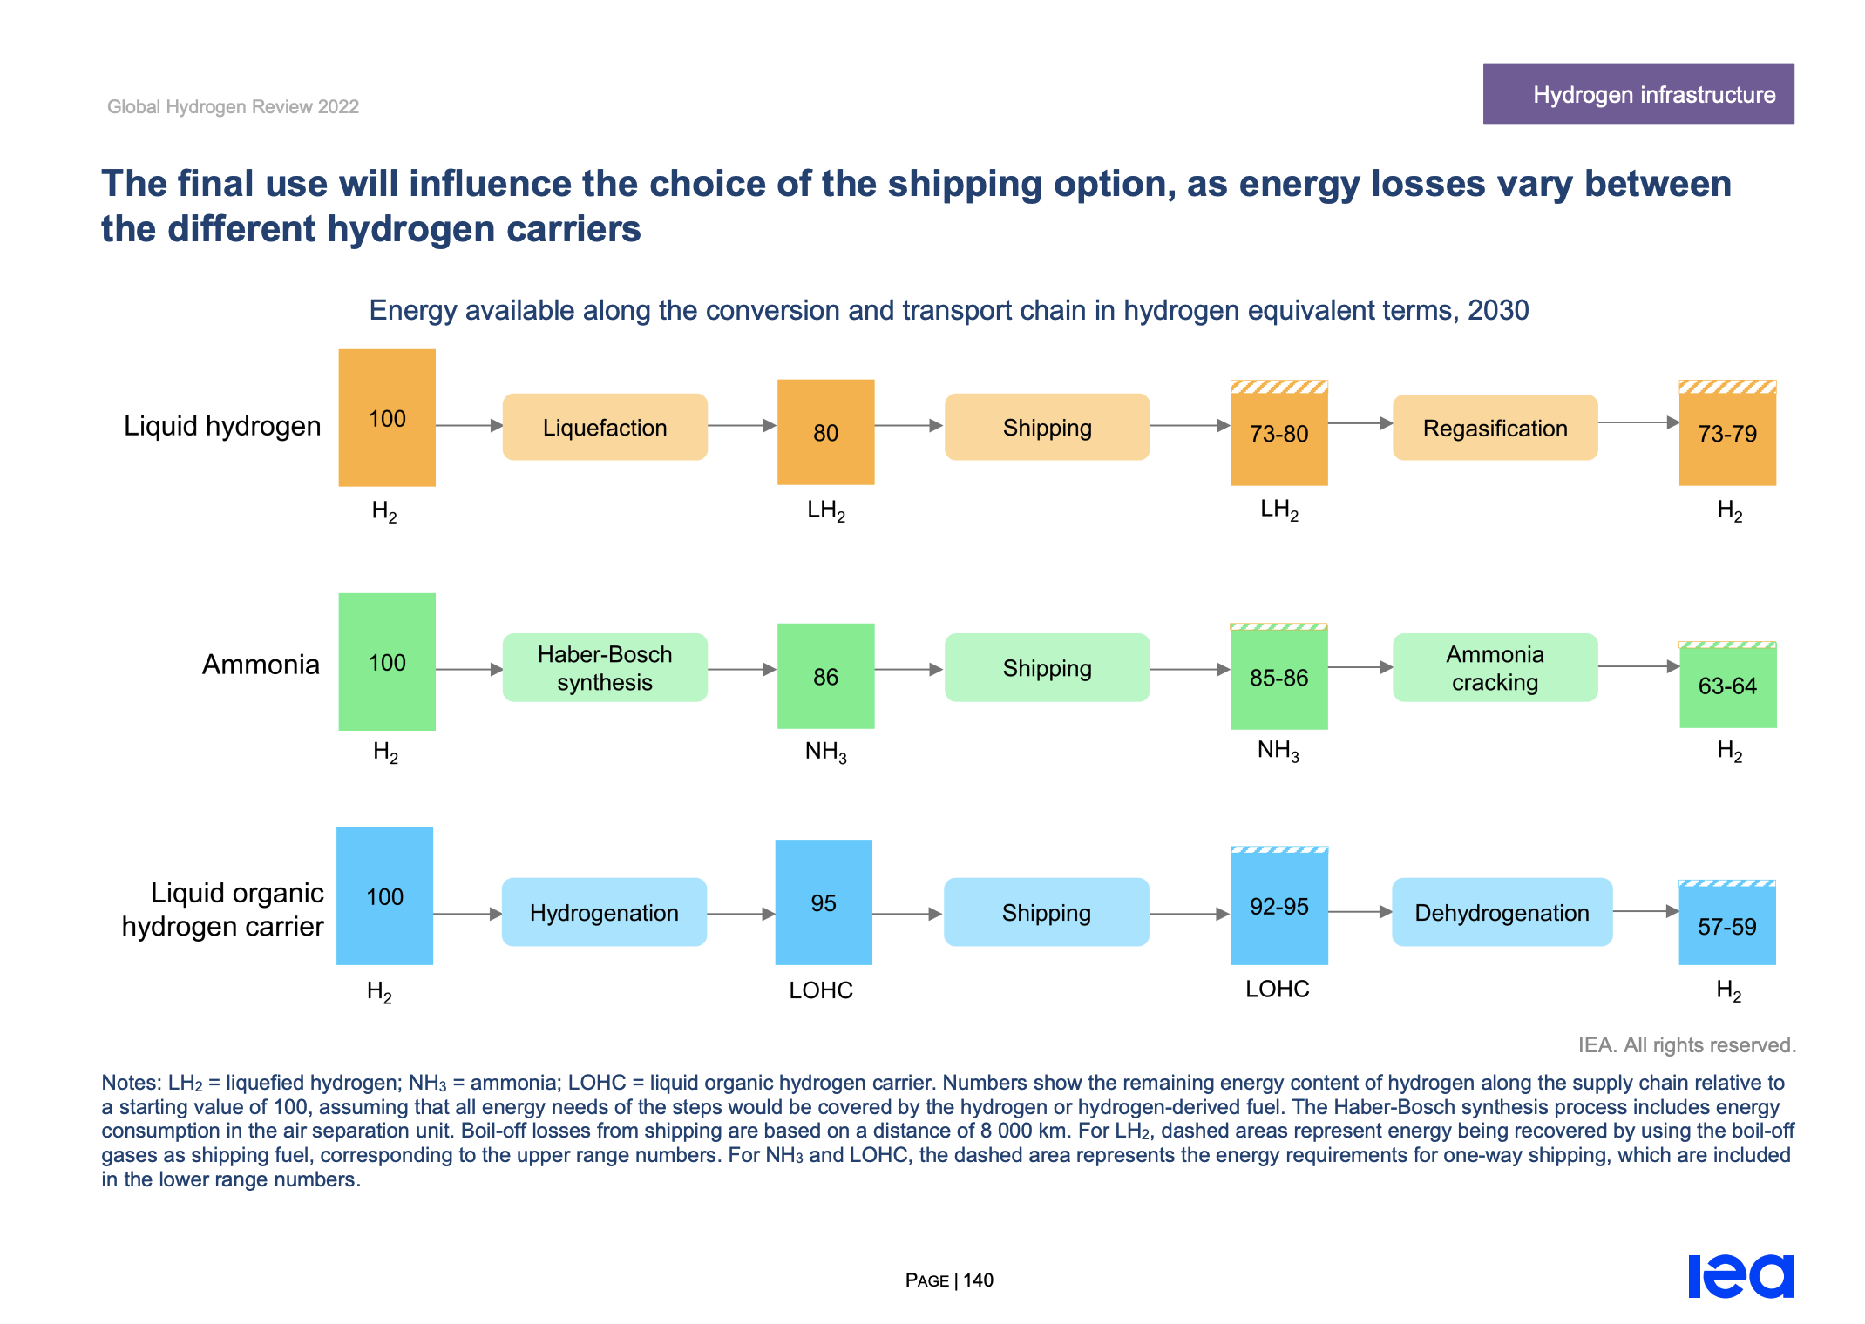
 |  |  |  |  | IEA

 |  |  |  |  |  |  |  |  | https://www.hydrogen.energy.gov/docs/hydrogenprogramlibraries/pdfs/19001_hydrogen_liquefaction_costs.pdf

