Notes
Sources | Attribute | Value | Unit | Notes

National Research Council
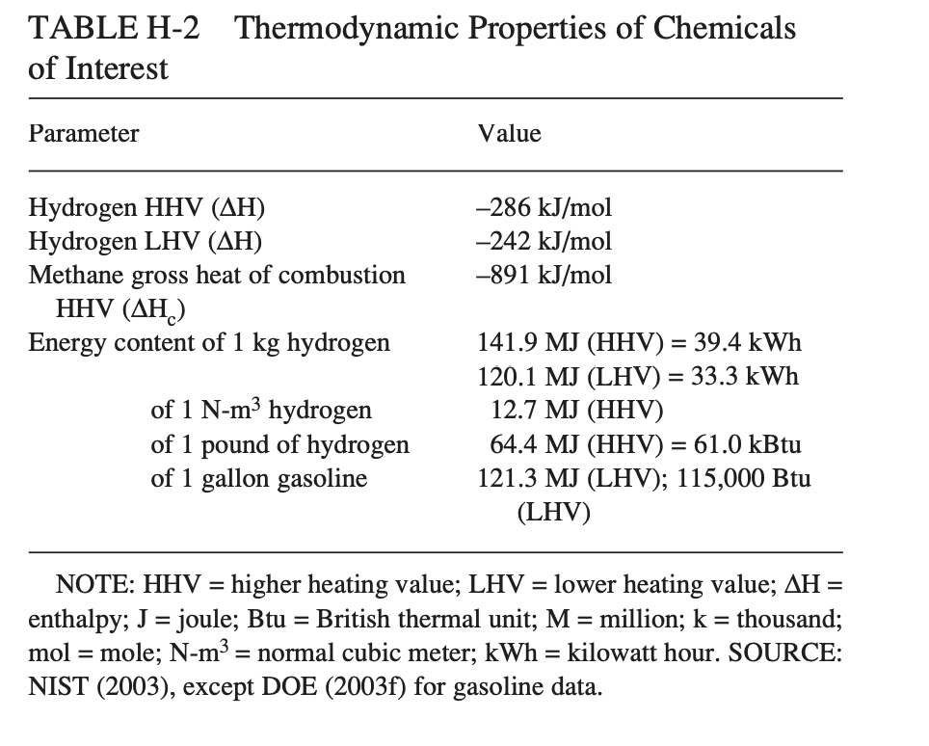
 | Energy density | 120.1 | MJ/kg | LHV

 | carbon density | 2.471 | CO2/MJ | In 2030

 | costs | 12 | $/kg

 |  | 0.1 | $/MJ
 |  | 0.094 | €/MJ

 | For consistency with imported hydrogen and imported ammonia these value is not used

imported_hydrogen
 | cost_per_mj | 0.016711948376 | €/MJ
 | co2_conversion_per_mj | 0.078 | kg/MJ

IEA | Specs from imported_hydrogen are used and corrected for conversion losses

 | Hydrogenation losses | 0.95 | - | Conversion loss of gaseous hydrogen to LOHC

 | LOHC costs | 0.0175915 | €/MJ | Estimated costs of hydrogen produced using SMR after hydrogenation
 | LOHC carbon intensity | 0.0821053 | kg CO2/MJ | Estimated direct emissions of hydrogen produced using SMR after hydrogenation
 |  |  |  | Important to note that we only look at the useful energy content of H2 contained in the LOHC

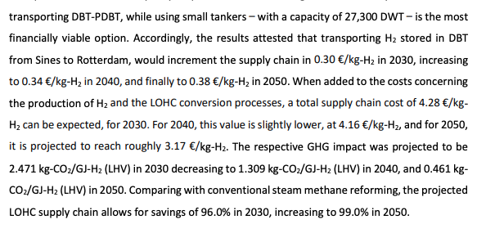
IRENA
 | Storage density | 0.061 | kgH2/kgLOHC | Toluene taken as reference | 2.471

 | Energy density corrected | 7.3261 | MJH2/kgLOHC | LOHC is not used as an energy carrier
 |  |  |  | Therefore we are only interested in the useful energy content of H2 contained in the LOHC
 |  |  |  | Therefore we use the MJ H2 per kg LOHC as reference

 |  |  |  |  |  | https://studenttheses.uu.nl/bitstream/handle/20.500.12932/42337/Report.pdf?sequence=1&isAllowed=y

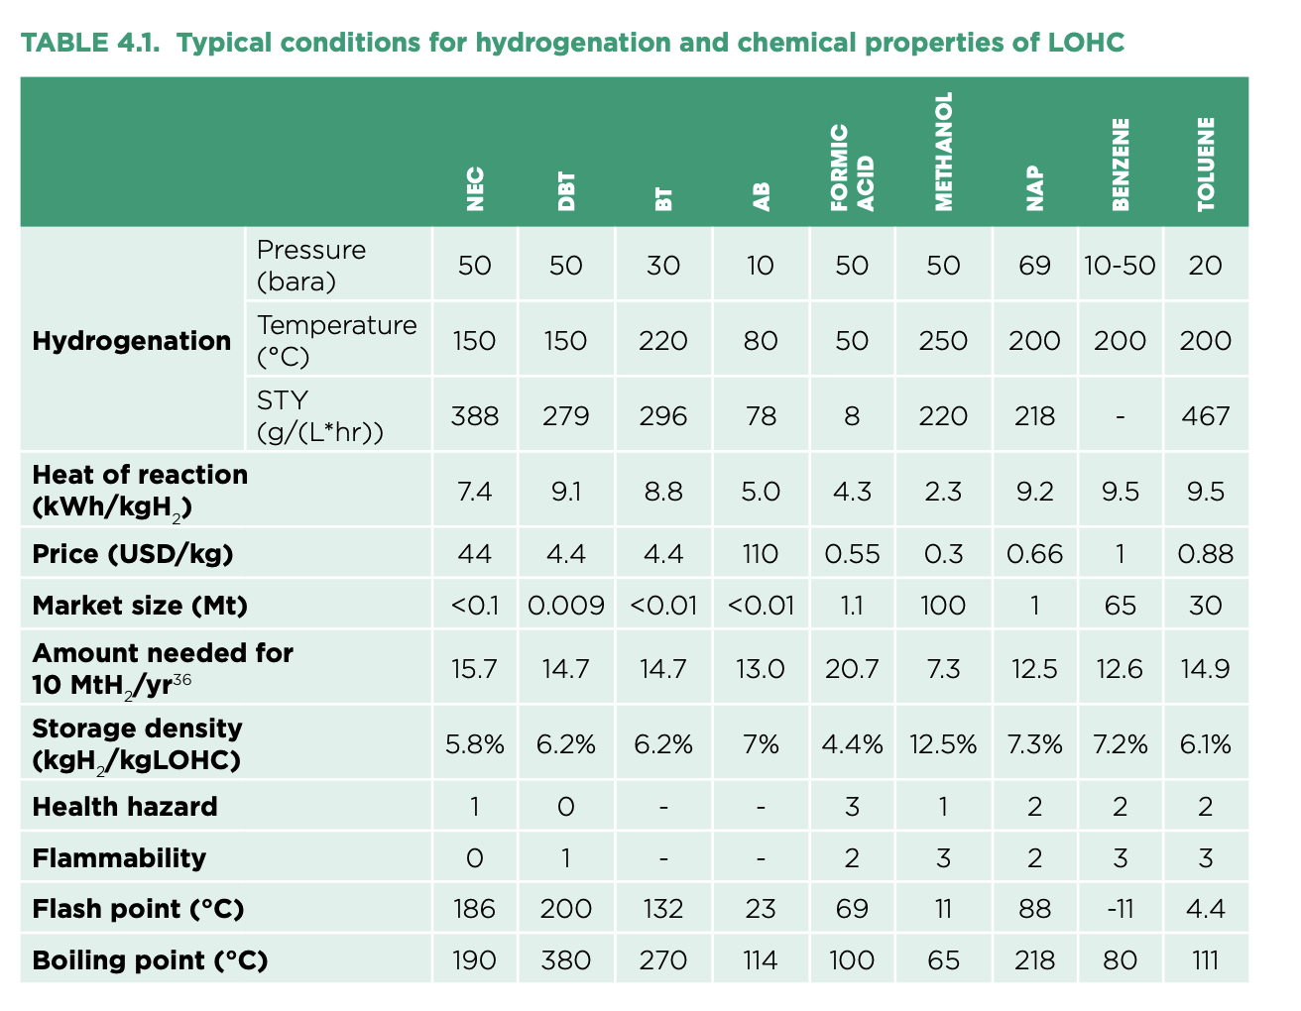

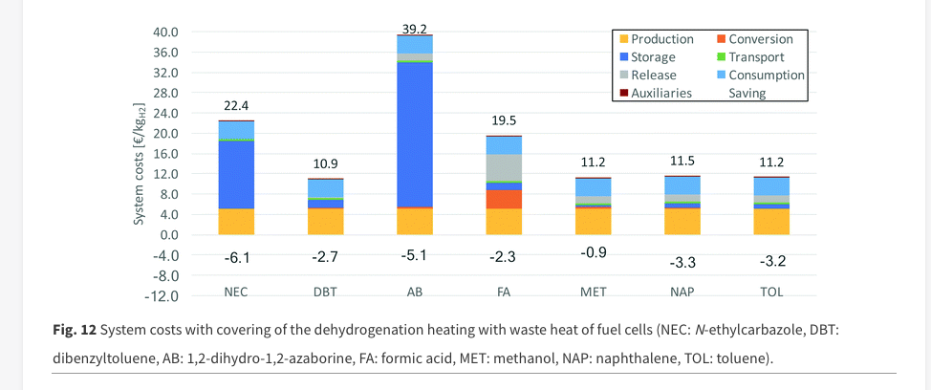

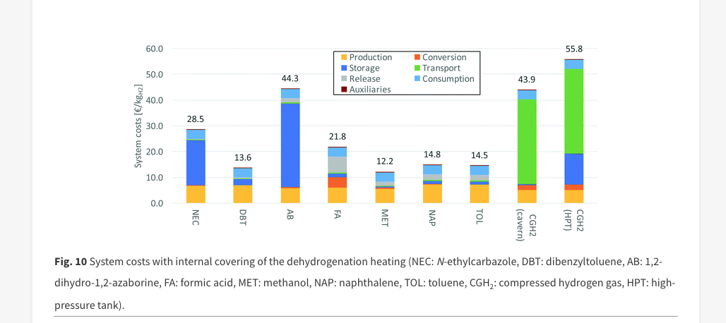

 |  |  |  |  |  |  | https://pubs.rsc.org/en/content/articlehtml/2019/ee/c8ee02700e

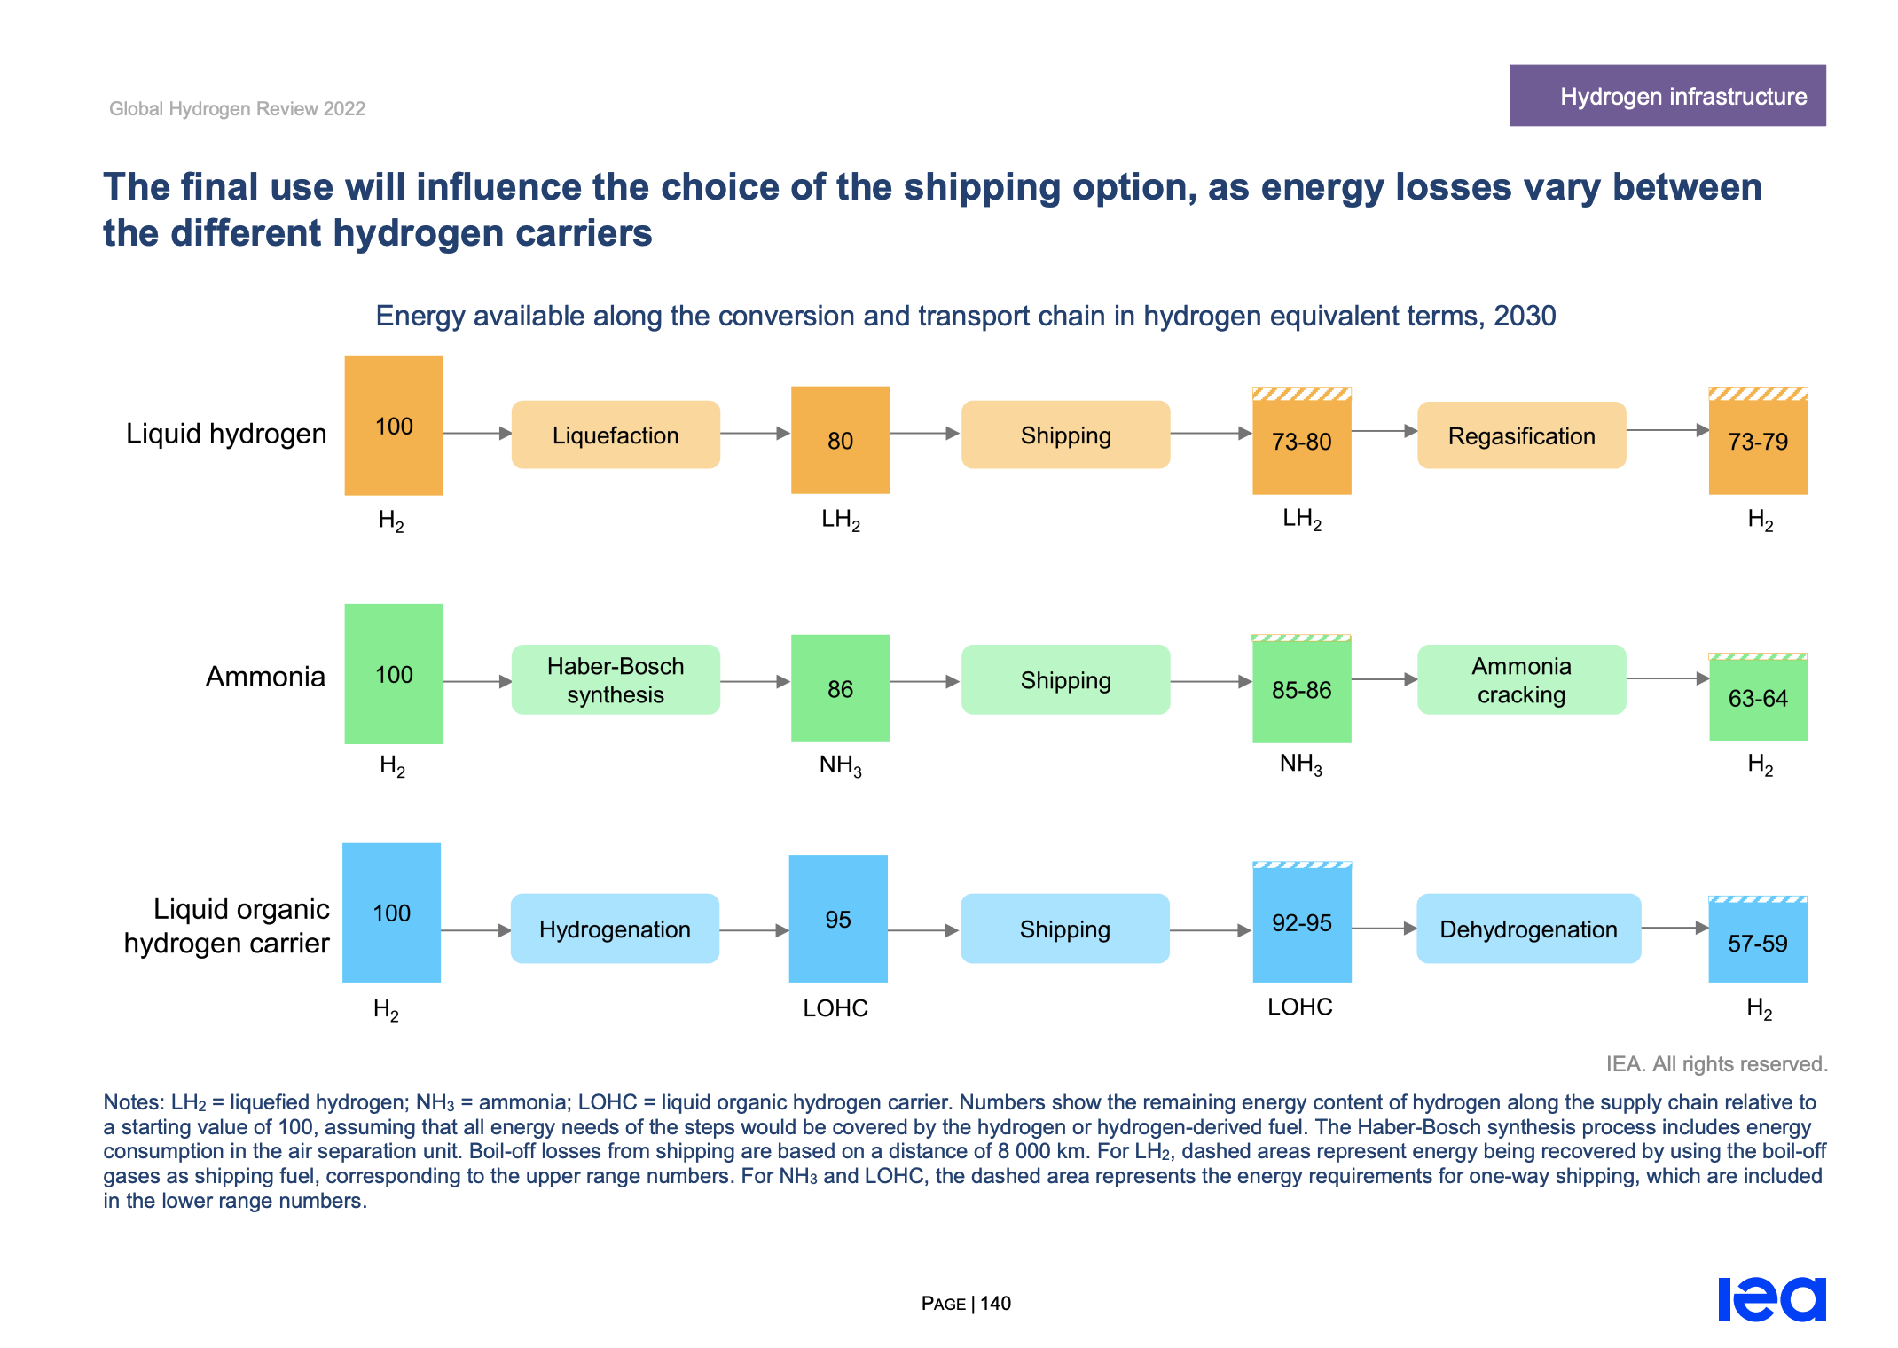
 |  |  |  |  | IEA

