Notes
Source
heat_output_capacity | 2250 | kW

Vesta Functioneel Ontwerp 4.0
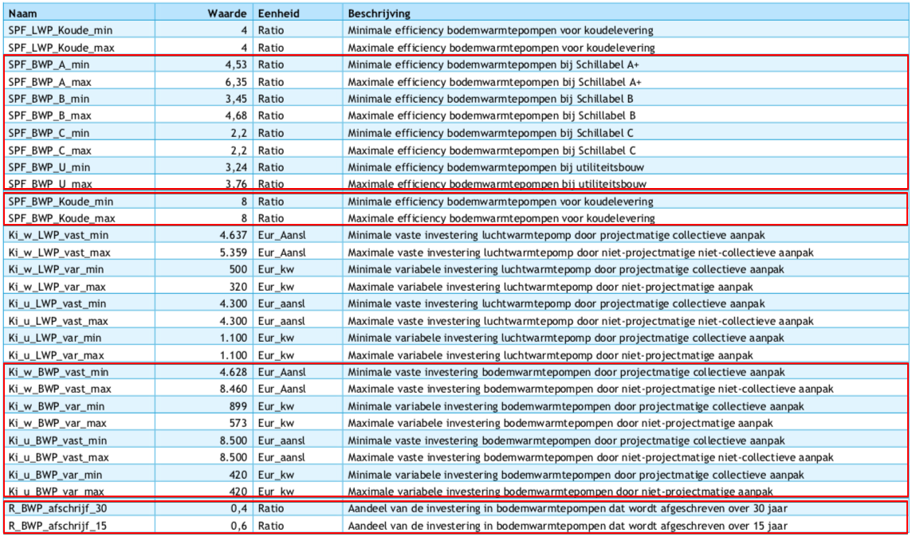
vaste investeringen | 8500 | euro/aansluiting
variable investeringen | 420 | euro/kW
initial_investment | 953500 | euro/unit

