Notes
Source | Notes

PBL & ECN/TNO (2019) - Decarbonisation options for the Dutch Steel Industry

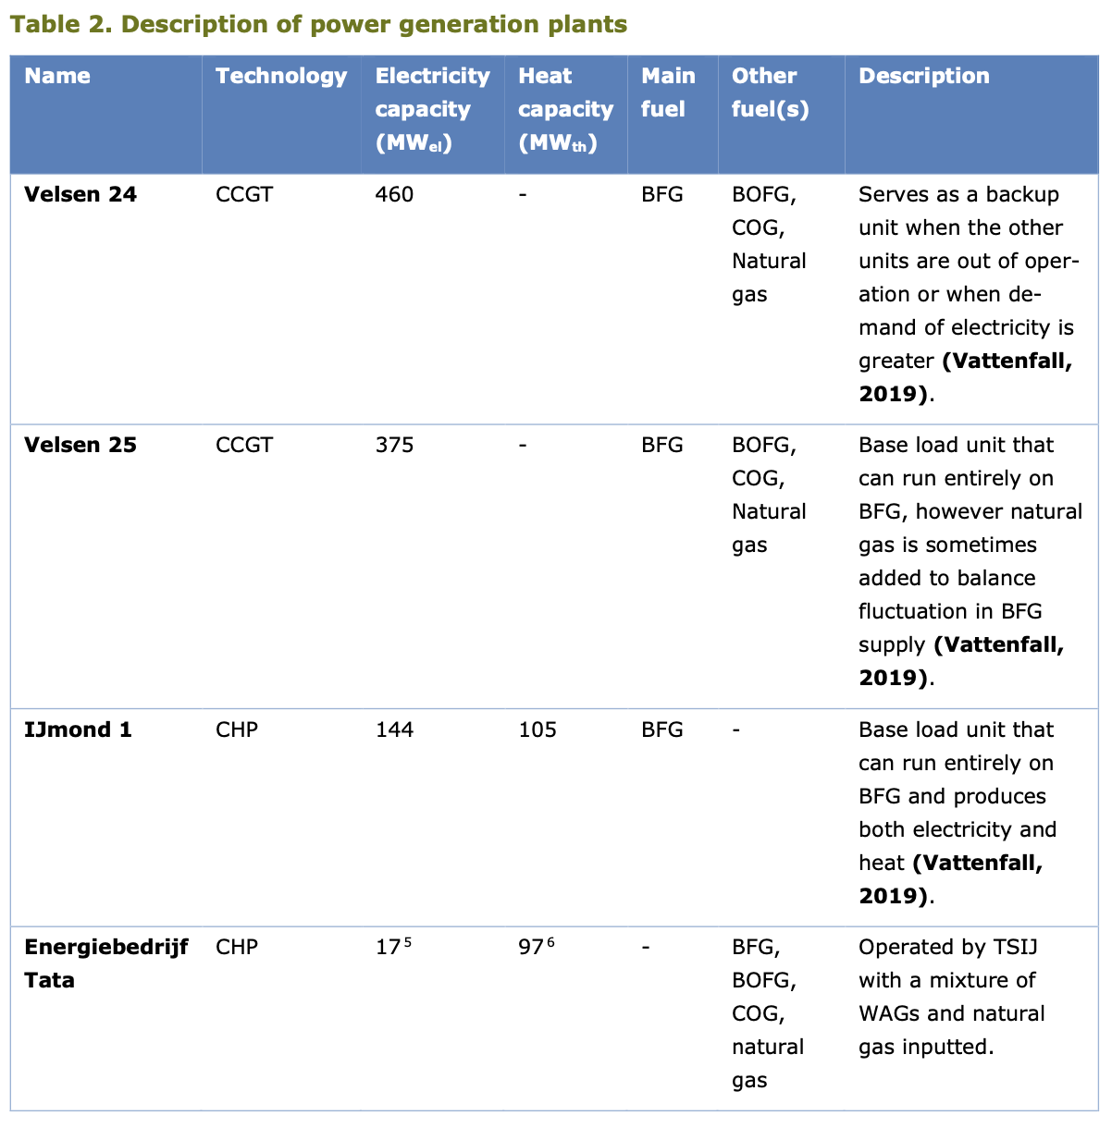
 | Electricity capacity
 | Ijmond 1 | 144 | MW
 | Energy Tata | 17 | MW
 | Total | 161 | MW

 | Heat capacity
 | Ijmond 1 | 105 | MW
 | Energy Tata | 97 | MW
 | Total | 161 | MW

Quintel assumption

FLHs are calculated by dividing the electricity production of the NL energy
balance by the installed Midden electricity capacity.

 | Full load hours
 |  | 8328.38256 | FLH

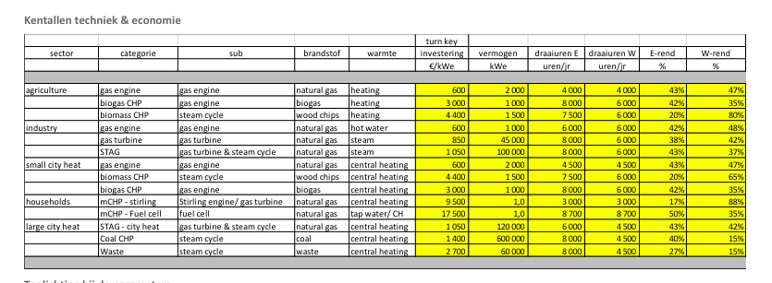
Energymatters
p.1

 | 120000 | KW
 | 120 | MW
 | 1050 | euro/KW

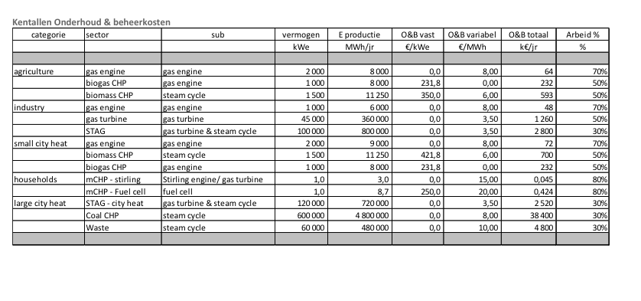
p.5

 | 2520000 | euro/yr
Variable O&M | 3.5 | euro/MWh

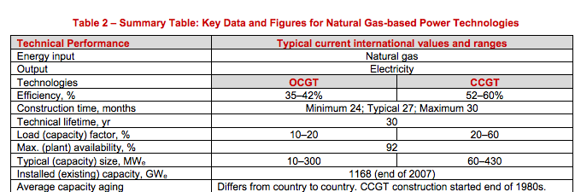
iea-etsap
p.4

 | 30 | months
 | 30 | yr

Ecofys
p.17
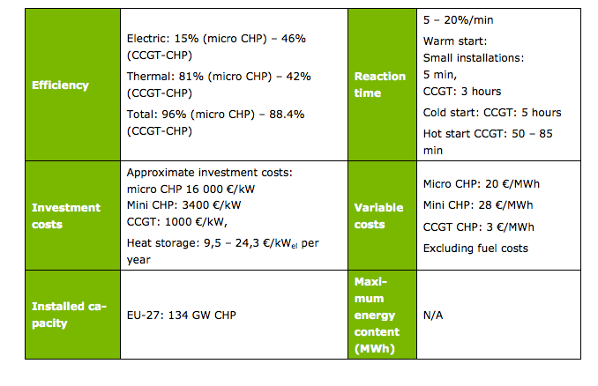

Efficiency CCGT CHP
output.electricity | 0.46
output.steam_hot_water | 0.42

heat_output_capacity | 109.56521739 | MW

Initial investment | 1000 | euro/KW
Vriable O&M | 3 | euro/MWh

