Notes
Source |  | Notes

 |  | Specs for biogas CHP are same as specs of energy_chp_local_engine_network_gas.
 |  | The costs for digesting biomass into biogas are taken into account separetely by the ETM in the node energy_biogas_fermentation_wet_biomass

Energinet p.68 |  | Source that states that biogas engines are similar to natural gas engines

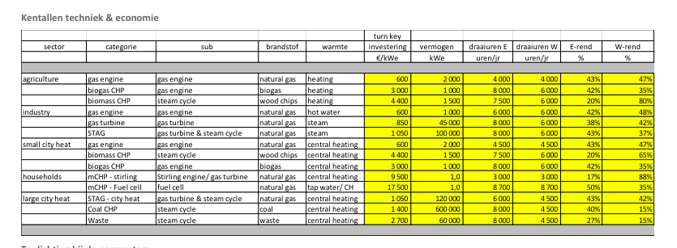
Energymatters
p.1

 | Electricity output capacity | 2 | MWe
 | Typical input capacity | 4.65 | MWe
 | Initial investment | 600 | euro/kWe
 |  | 1200000 | euro
 | Electrical efficiency | 43% | %
 | Heat efficiency | 47% | %
 | Full load hours | 4000

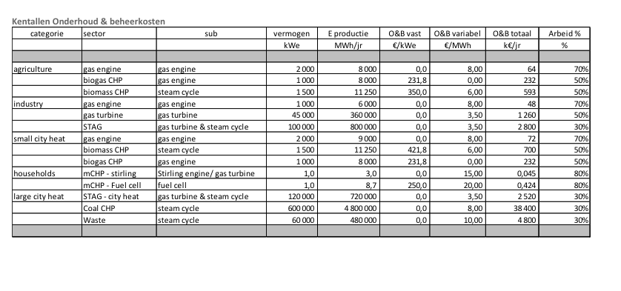
p.5

 | Variable O&M | 8 | euro/MWh
 |  | 16 | euro/flh
 | Fixed O&M | 0 | euro/KW/yr
 |  | 0 | euro/year

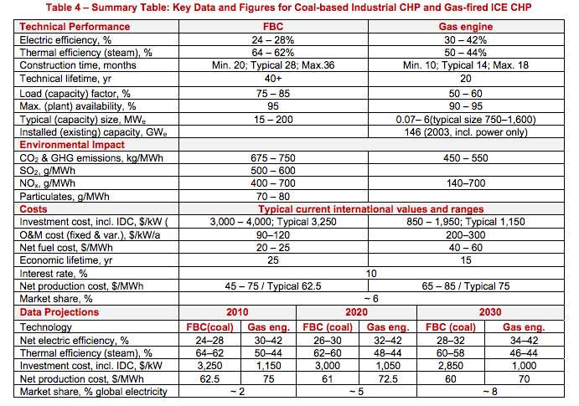
IEA ETSAP
p.5

 | Construction time | 1.1 | yr
 | Technical lifetime | 20 | yr
 | Availability (max) | 95%

 | Initial investment
 | Total O&M | 250 | $/kW/yr

