Notes
Source | Notes
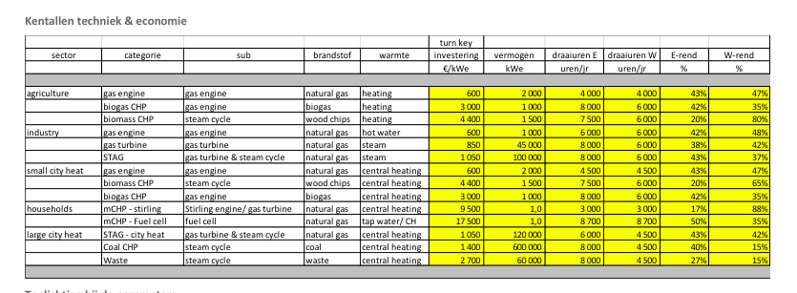

Energymatters
p.1

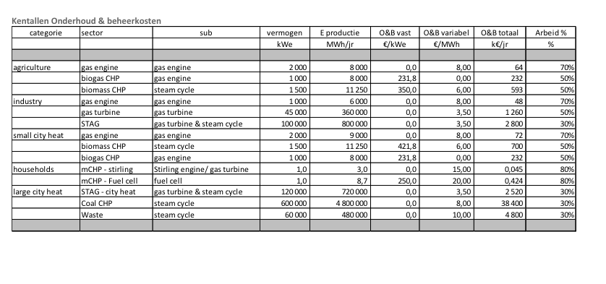
 | 2700 | euro/KW
 | 27 | %
 | 15 | %

p.5

 | 4800000 | euro

worldenergy
p.10

 |  | 2.5 | yr

 |  | 20 | yr

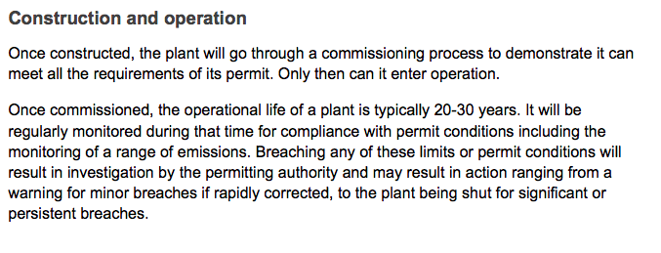
Department of Energy & Climate change
p.7

 |  | 30 | yr

