Notes
Source | Notes
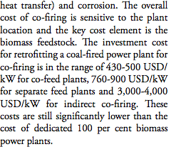
ReTech
p.71

 |  | 430-500 | USD/KW
 |  | 465 | USD/KW
 |  | 348.17 | euro/KW

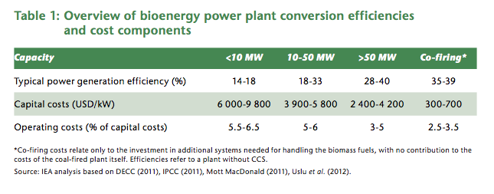

IEAa
p.26 |  | 0.37 | electrical efficiency

 |  | 300-700 | USD/KW
 |  | 450 | USD/KW
 |  | 349.6 | euro/KW

IEAb
p.44
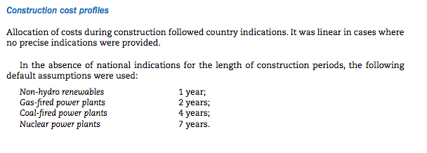

 |  | 4 | yr

EON-FCN
p.12

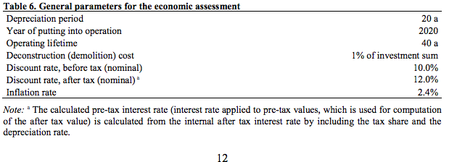

 | Lifetime | 40 | yr

