Notes
Sources |  | Notes

Energymatters
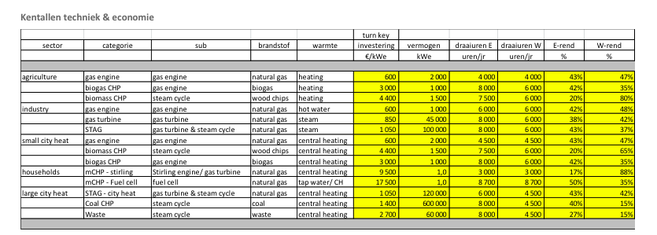
p.1

 | 0.4 | electrical efficiency

 | 1400 | euro/KW

Harvard

p.32

Construction time | 4 | yr
Lifetime | 40 | yr

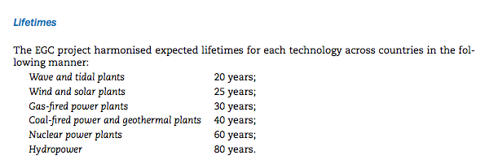
IEA
p.43

Lifetime | 40 | yr

p.44

Construction time | 4 | yr

