Notes
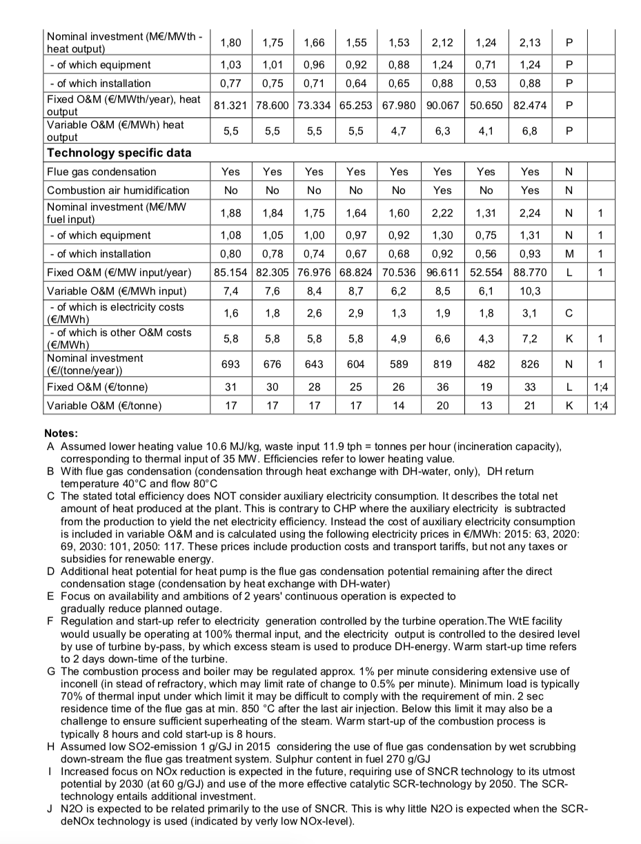
Source | Notes

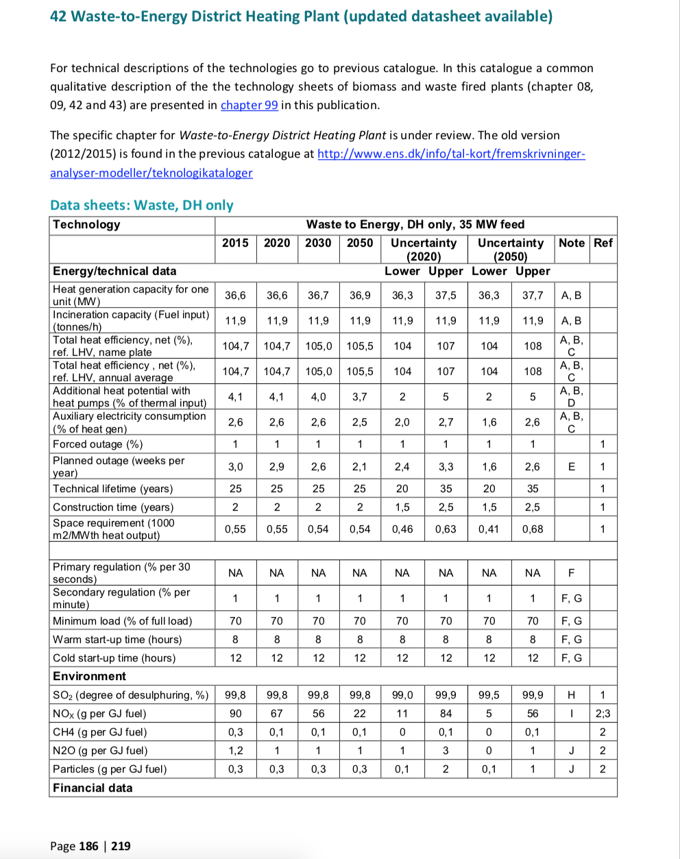
Energinet
p.186

output.steam_hot_water |  | 1.047 |  | LHV efficiency. Plant uses condensing economizer, increasing efficiency by roughly 8-10%
heat_output_capacity |  | 36.6 | MW

investment costs |  | 1880000 | per MW
 | initial_investment | 68808000

O&M
fixed O&M per year |  | 81321 | per MW
 | fixed_operation_and_maintenance_costs_per_year | 2976348.6
variable O&M |  | 5.5 | per MWh | excluding electricity costs
 | variable_operation_and_maintenance_costs_per_full_load_hour | 201.3

 | technical_lifetime | 25
 | construction_time | 2
 | availability | 0.93230769231

 | land use | 550 | m2 per MW
 | land_use_per_unit | 0.02013 | km2

