Notes
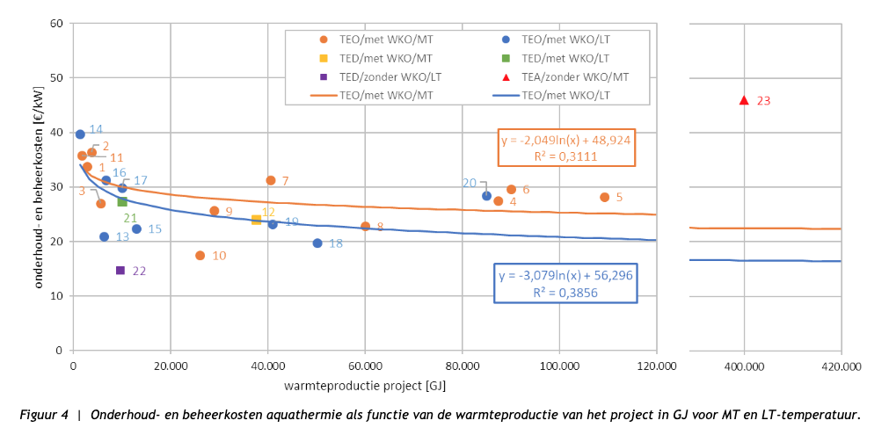
Note for this node source analysis
At the time of writing (October 2023) there is very little data on projects with thermal energy from waste water (Dutch: thermische energie uit afvalwater, TEA)
and projects with thermal energy from drinking water (Dutch: thermische energie uit drinkwater, TED).
Therefore, we have chosen to use the data of variant 4 from the WarmingUp source for a MT waste water system even though that system does not have a thermal storage.
We have used this case for the LT waste water system and the thermal energy from drinking water systems as well, for lack of better data.

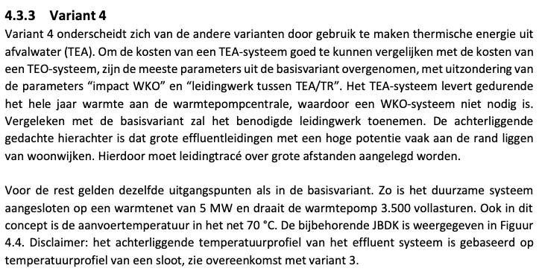
 |  |  |  |  |  |  |  |  |  | Figure A
Source | Attribute (EN) | Attribute (NL) | Min value | Max value | Value | Unit | Comment | Data reference
WarmingUp - Gedetailleerde kostenberekening aquathermie | Full load hours | Vollasturen |  |  | 3500 | hour | Based on variant 4 (see text). | Figure A
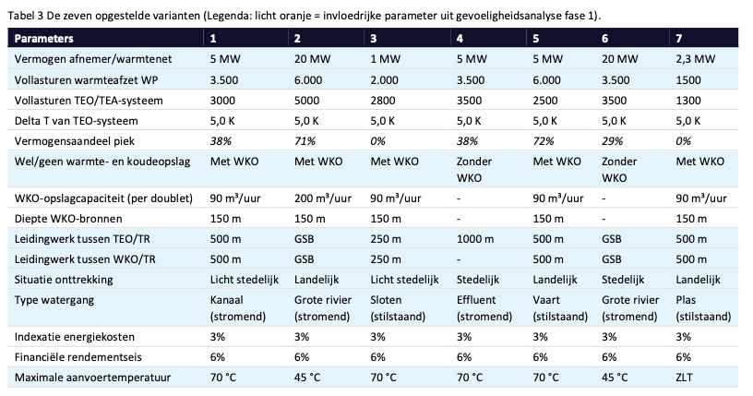
WarmingUp - Gedetailleerde kostenberekening aquathermie | Technical lifetime | Afschrijftermijn |  |  | 30 | year | See TCO of variant 4 | Figure C
WarmingUp - Gedetailleerde kostenberekening aquathermie | Heat output capacity | Vermogen |  |  | 3.1 | MW | Based on 'vermogen preferent' in variant 4 (see text next to chart) | Figure A
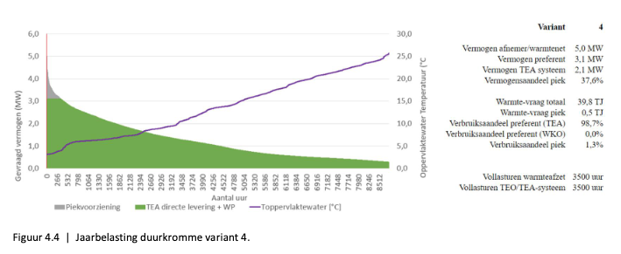
 | Annual capacity | Jaarlijkse warmteproductie |  |  | 39060 | GJ
IF Technology - Kengetallen aquathermie | SPF aquathermal surface water collective LT heat pump | SPF TEO collectieve LT warmtepomp |  |  | 2.6 | factor | Calculated using orange formula based on annual capacity calculated above | Figure D

IF Technology - Kengetallen aquathermie | Investment costs [€/kW] | Investeringskosten [€/kW] |  |  | 1213 | eur/kW | Calculated using orange formula based on annual capacity calculated above | Figure E
IF Technology - Kengetallen aquathermie | Maintenance and operational costs | Onderhouds- en beheerkosten |  |  | 27 | eur/kW | Calculated using orange formula based on annual capacity calculated above | Figure F
WarmingUp - Gedetailleerde kostenberekening aquathermie | Investment costs aquathermal waste water collective MT heat pump | Kosten per aansluiting TEO collectieve LT warmtepomp |  |  | € 7,496,000 | eur | Based on variant 4. Includes reinvestment costs after 15 years | Figure A
IF Technology - Kengetallen aquathermie | Investment costs aquathermal waste water collective MT heat pump | Kosten per aansluiting TEO collectieve LT warmtepomp |  |  | € 3,760,300 | eur |  | Figure E
WarmingUp - Gedetailleerde kostenberekening aquathermie | Annual operation and maintenance costs waste water collective MT heat pump | Jaarlijkse onderhouds- en beheerkosten TEA collectieve MT warmtepomp |  |  | € 1,100,000 | eur/year | OPEX of variant 4 | Figure C
IF Technology - Kengetallen aquathermie | Annual operation and maintenance costs waste water collective MT heat pump | Jaarlijkse onderhouds- en beheerkosten TEA collectieve MT warmtepomp |  |  | € 83,700 | eur/year |  | Figure F
WarmingUp - Gedetailleerde kostenberekening aquathermie | Weighted average costs of capital | Financiële rendementseis |  |  | 0.06 | factor |  | Figure A
 |  |  |  |  |  |  |  |  |  | Figure B

 |  |  |  |  |  |  |  |  | Figure B

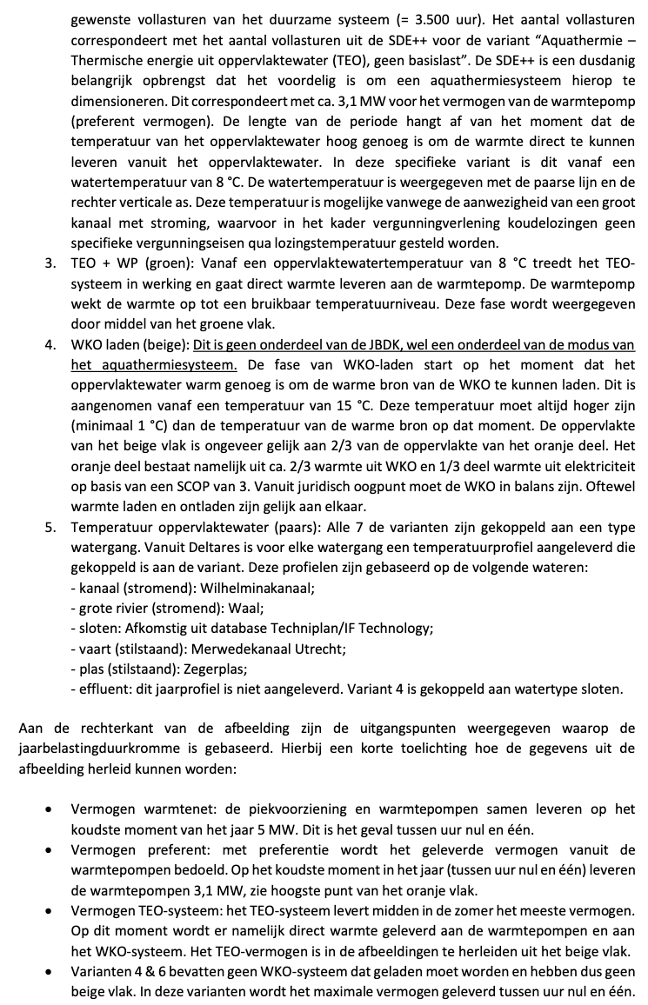
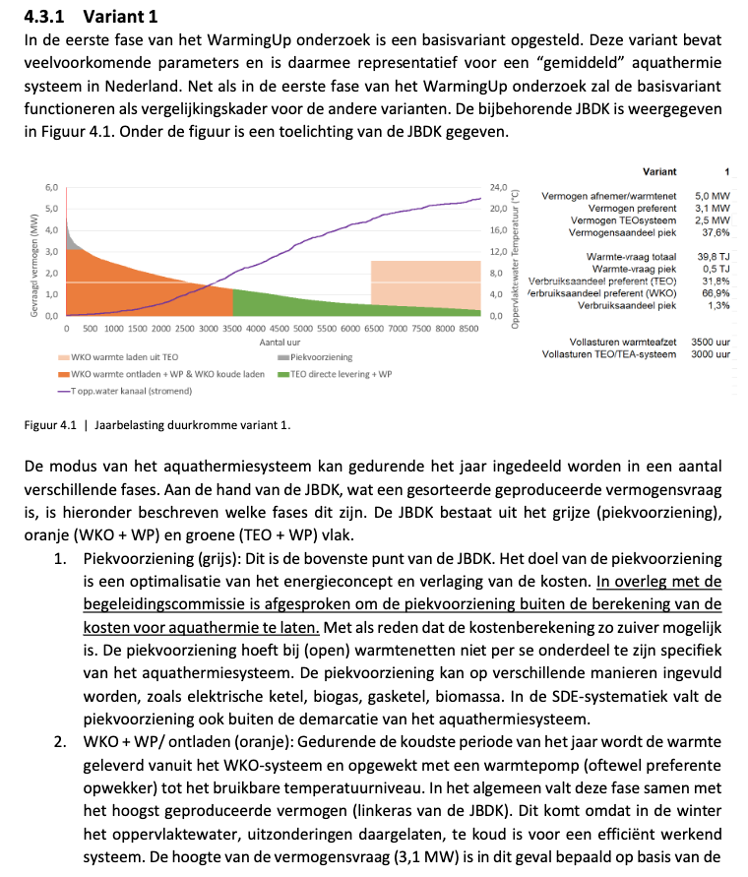

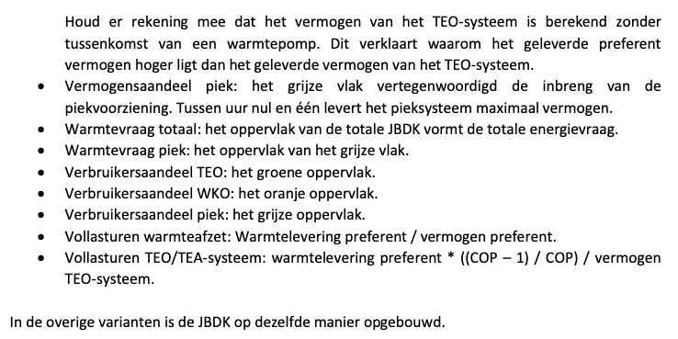

 |  |  |  |  |  |  |  |  | Figure C
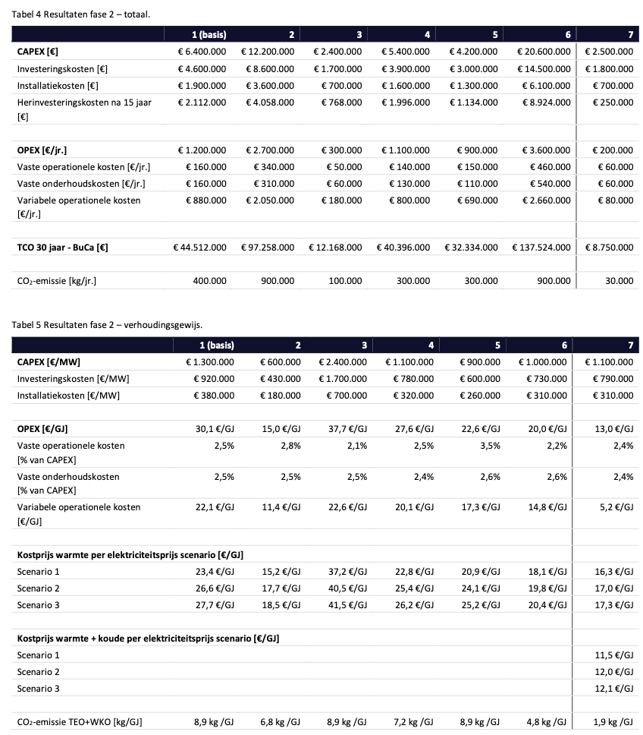

 |  |  |  |  |  |  |  |  | Figure D
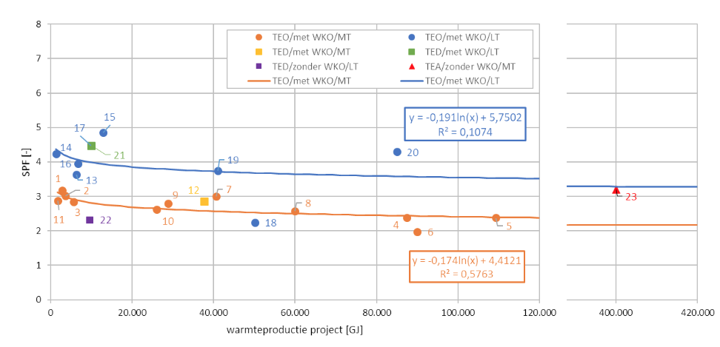

 |  |  |  |  |  |  |  |  | Figure E

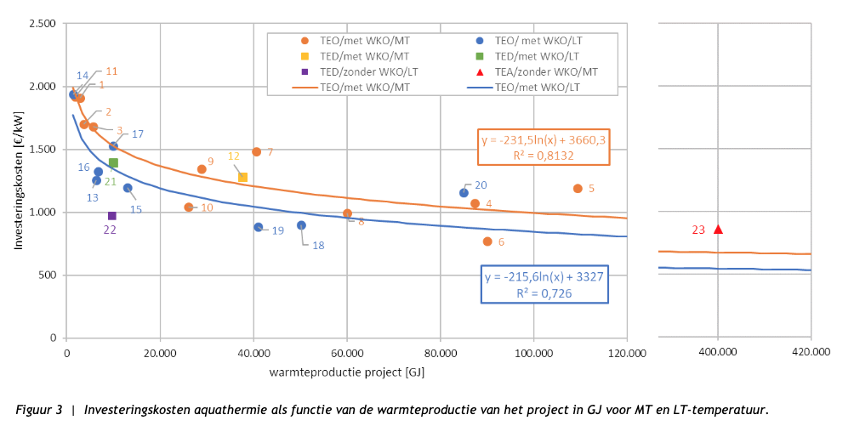

 |  |  |  |  |  |  |  |  | Figure F

