Notes
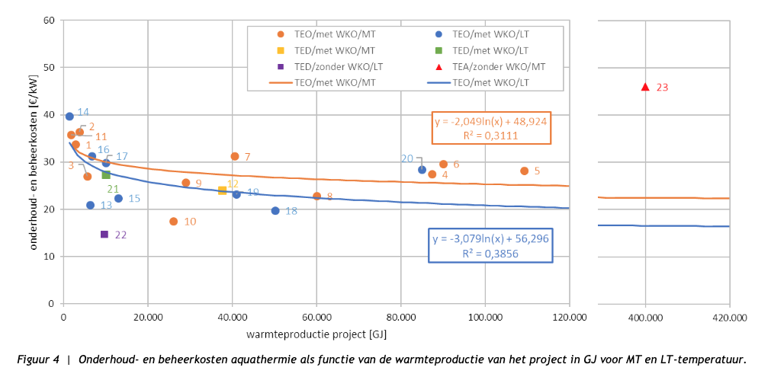
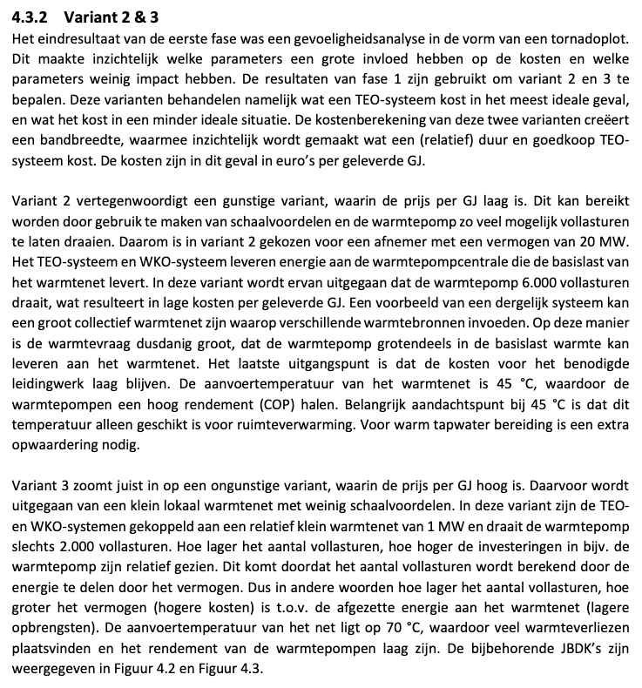
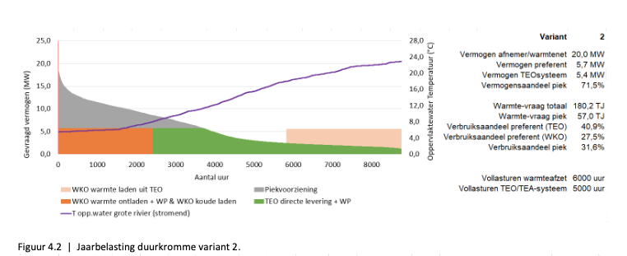
 |  |  |  |  |  |  |  |  |  | Figure A
Source | Attribute (EN) | Attribute (NL) | Min value | Max value | Value | Unit | Comment | Data reference
WarmingUp - Gedetailleerde kostenberekening aquathermie | Full load hours | Vollasturen |  |  | 6000 | hour | Based on variant 2 (see text) | Figure A
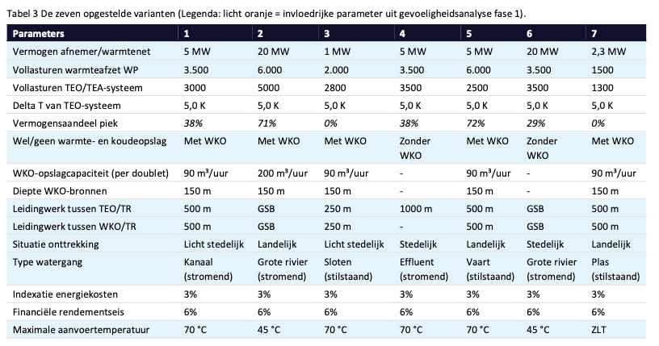
WarmingUp - Gedetailleerde kostenberekening aquathermie | Technical lifetime | Afschrijftermijn |  |  | 30 | year | See TCO of variant 2 | Figure C
WarmingUp - Gedetailleerde kostenberekening aquathermie | Heat output capacity | Vermogen |  |  | 5.7 | MW | Based on 'vermogen preferent' in variant 2 (see text next to chart) | Figure A
 | Annual capacity | Jaarlijkse warmteproductie |  |  | 123120 | GJ
IF Technology - Kengetallen aquathermie | SPF aquathermal surface water collective LT heat pump | SPF TEO collectieve LT warmtepomp |  |  | 3.5 | factor | Calculated using blue formula based on annual capacity calculated above | Figure D

IF Technology - Kengetallen aquathermie | Investment costs [€/kW] | Investeringskosten [€/kW] |  |  | 800 | eur/kW | Calculated using blue formula based on annual capacity calculated above | Figure E
IF Technology - Kengetallen aquathermie | Maintenance and operational costs | Onderhouds- en beheerkosten |  |  | 25 | eur/kW | Calculated using orange formula based on annual capacity calculated above | Figure F
WarmingUp - Gedetailleerde kostenberekening aquathermie | Investment costs aquathermal surface water collective LT heat pump | Kosten per aansluiting TEO collectieve LT warmtepomp |  |  | € 16,258,000 | eur | Based on variant 2. Includes reinvestment costs after 15 years | Figure A
IF Technology - Kengetallen aquathermie | Investment costs aquathermal surface water collective LT heat pump | Kosten per aansluiting TEO collectieve LT warmtepomp |  |  | € 4,560,000 | eur |  | Figure E
WarmingUp - Gedetailleerde kostenberekening aquathermie | Annual operation and maintenance costs aquathermal collective LT heat pump | Jaarlijkse onderhouds- en beheerkosten TEO collectieve LT warmtepomp |  |  | € 2,700,000 | eur/year | OPEX of variant 2 | Figure C
IF Technology - Kengetallen aquathermie | Annual operation and maintenance costs aquathermal collective LT heat pump | Jaarlijkse onderhouds- en beheerkosten TEO collectieve LT warmtepomp |  |  | € 142,500 | eur/year |  | Figure F
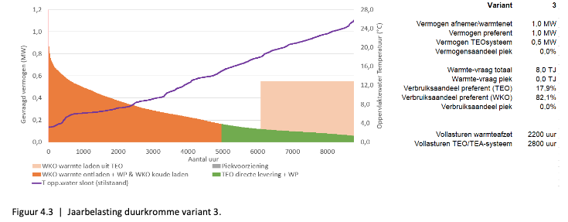
WarmingUp - Gedetailleerde kostenberekening aquathermie | Weighted average costs of capital | Financiële rendementseis |  |  | 0.06 | factor |  | Figure A
 |  |  |  |  |  |  |  |  |  | Figure B

 |  |  |  |  |  |  |  |  | Figure B
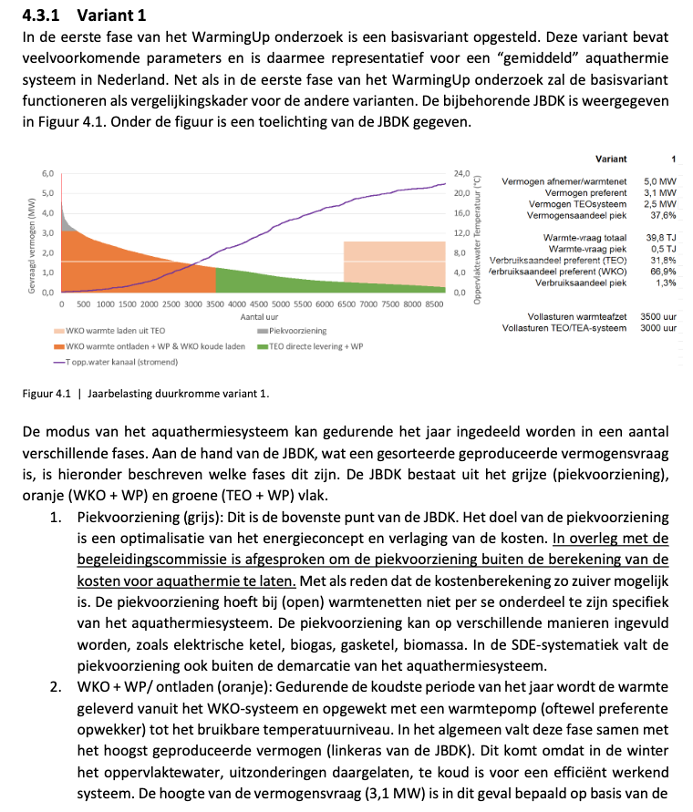

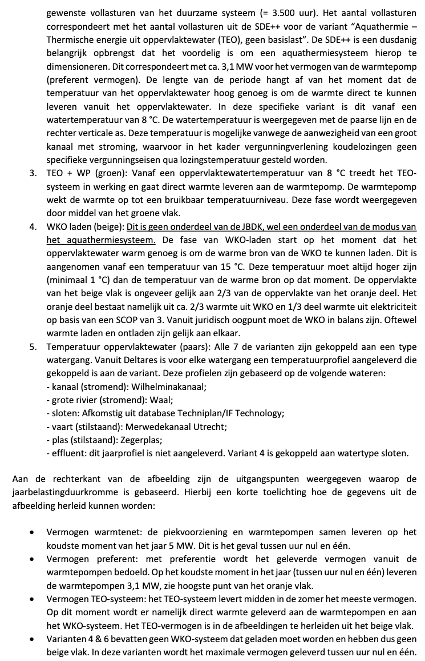

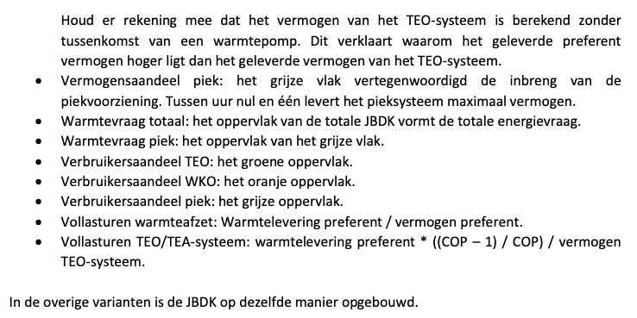

 |  |  |  |  |  |  |  |  | Figure C
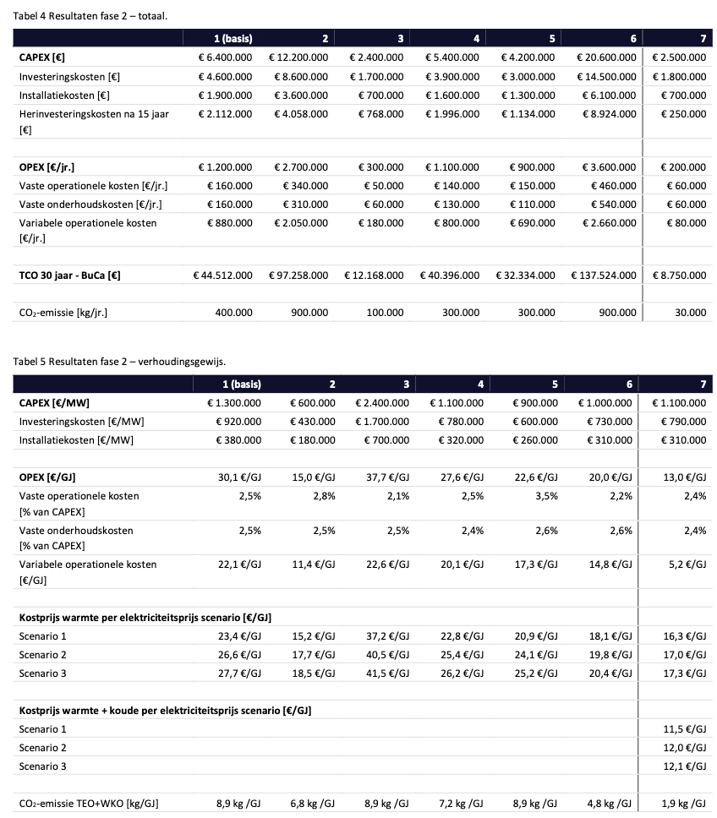

 |  |  |  |  |  |  |  |  | Figure D
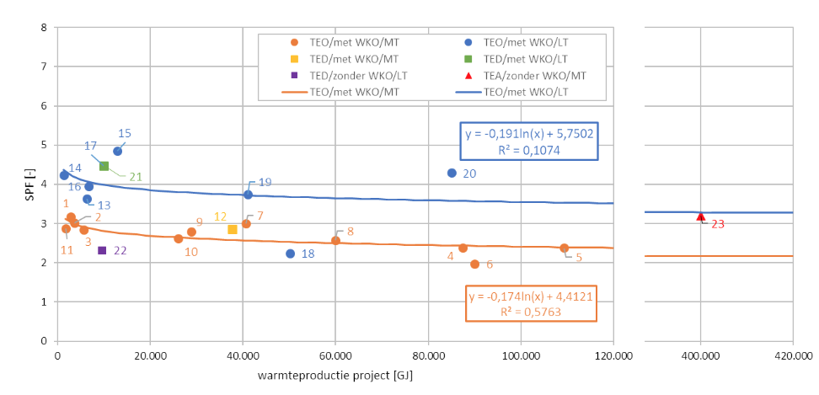

 |  |  |  |  |  |  |  |  | Figure E

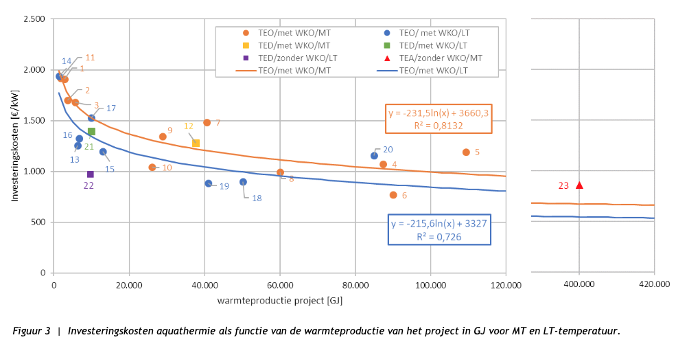

 |  |  |  |  |  |  |  |  | Figure F

